TRUB2 _multivariate
Reported by Tex Li-Hsing Chi. tex@gate.sinica.edu.tw 2019-08-15

Table 2. The clinicopathological features of HNSCC cohort and TRUB2 expression. (Chi square test)
Cutoff at -0.141 (49.8%)
 |  | TRUB2 expression |  | TRUB2 expression |  | (Optimised)
 | Features | Low | (%) | High | (%) | Case no | P-value | Remark | Matthews
Gender | Female | 145 | 34.9 | 161 | 38.8 | 415 | 0.1116 | 0 | 0
2 | Male | 62 | 14.9 | 47 | 11.3
Age at diagnosis | <=65y | 139 | 33.5 | 135 | 32.5 | 415 | 0.7044 | 0 | 0
4 | >65y | 68 | 16.4 | 73 | 17.6
Clinical T Status | T1+T2 | 77 | 18.6 | 72 | 17.3 | 415 | 0.6556 | 0 | 0
6 | T3+T4 | 130 | 31.3 | 136 | 32.8
Clinical N Status | N0 | 115 | 27.7 | 101 | 24.3 | 415 | 0.184 | 1 | 0
8 | N1-3 | 92 | 22.2 | 107 | 25.8
Clinical M Status | M0 | 206 | 49.6 | 206 | 49.6 | 415 | 1 | 0 | 0
10 | M1 | 1 | 0.2 | 2 | 0.5
Clinical Stage | Stage I+II | 55 | 13.3 | 47 | 11.3 | 415 | 0.4087 | 0 | 0
12 | Stage III+IV | 152 | 36.6 | 161 | 38.8
Surgical Margin status | Negative | 159 | 38.3 | 159 | 38.3 | 415 | 1 | 0 | 0
14 | Positive | 48 | 11.6 | 49 | 11.8
Tobacco Exposure | Low | 90 | 21.7 | 71 | 17.1 | 415 | 0.0559 | 0 | 0
16 | High | 117 | 28.2 | 137 | 33

Table 3. Univariate/Multivariate Cox's proportional hazards regression analyses on OS time of TRUB2 gene expression in HNSCC

 |  | Univariate |  |  |  | Multivariate
 | Features | HR | CI95%(L) | CI95%(H) | P-value | HR | CI95%(L) | CI95%(H) | P-value
1 | Female | 1 |  |  |  | 1
Gender | Male | 1.157 | 0.843 | 1.587 | 0.367 | 1.208 | 0.864 | 1.689 | 0.269
11 | <=65y | 1 |  |  |  | 1
Age at diagnosis | >65y | 1.329 | 0.99 | 1.784 | 0.058 | 1.375 | 1.009 | 1.874 | 0.044
12 | T1+T2 | 1 |  |  |  | 1
Clinical T Status | T3+T4 | 1.409 | 1.028 | 1.931 | 0.033 | 2.197 | 1.162 | 4.154 | 0.015
13 | N0 | 1 |  |  |  | 1
Clinical N Status | N1-3 | 1.185 | 0.89 | 1.577 | 0.246 | 1.225 | 0.856 | 1.752 | 0.267
14 | M0 | 1 |  |  |  | 1
Clinical M Status | M1 | 4.097 | 1.009 | 16.644 | 0.049 | 9.392 | 2.048 | 43.062 | 0.004
15 | Stage I+II | 1 |  |  |  | 1
Clinical Stage | Stage III+IV | 1.245 | 0.882 | 1.759 | 0.213 | 0.503 | 0.234 | 1.079 | 0.078
16 | Negative | 1 |  |  |  | 1
Surgical Margin status | Positive | 1.591 | 1.155 | 2.191 | 0.004 | 1.68 | 1.215 | 2.323 | 0.002
17 | Low | 1 |  |  |  | 1
Tobacco Exposure | High | 1.364 | 1.008 | 1.844 | 0.044 | 1.444 | 1.047 | 1.992 | 0.025
18 | Low | 1 |  |  |  | 1
RNAseq(z-score) | High | 1.174 | 0.88 | 1.565 | 0.275 | 1.096 | 0.816 | 1.472 | 0.541

Table 4. Univariate/Multivariate Cox's proportional hazards regression analyses on RFS time of TRUB2 gene expression in HNSCC

 |  | Univariate |  |  |  | Multivariate
 | Features | HR | CI95%(L) | CI95%(H) | P-value | HR | CI95%(L) | CI95%(H) | P-value
1 | Female | 1 |  |  |  | 1
Gender | Male | 1.157 | 0.843 | 1.587 | 0.367 | 1.208 | 0.864 | 1.689 | 0.269
11 | <=65y | 1 |  |  |  | 1
Age at diagnosis | >65y | 1.329 | 0.99 | 1.784 | 0.058 | 1.375 | 1.009 | 1.874 | 0.044
12 | T1+T2 | 1 |  |  |  | 1
Clinical T Status | T3+T4 | 1.409 | 1.028 | 1.931 | 0.033 | 2.197 | 1.162 | 4.154 | 0.015
13 | N0 | 1 |  |  |  | 1
Clinical N Status | N1-3 | 1.185 | 0.89 | 1.577 | 0.246 | 1.225 | 0.856 | 1.752 | 0.267
14 | M0 | 1 |  |  |  | 1
Clinical M Status | M1 | 4.097 | 1.009 | 16.644 | 0.049 | 9.392 | 2.048 | 43.062 | 0.004
15 | Stage I+II | 1 |  |  |  | 1
Clinical Stage | Stage III+IV | 1.245 | 0.882 | 1.759 | 0.213 | 0.503 | 0.234 | 1.079 | 0.078
16 | Negative | 1 |  |  |  | 1
Surgical Margin status | Positive | 1.591 | 1.155 | 2.191 | 0.004 | 1.68 | 1.215 | 2.323 | 0.002
17 | Low | 1 |  |  |  | 1
Tobacco Exposure | High | 1.364 | 1.008 | 1.844 | 0.044 | 1.444 | 1.047 | 1.992 | 0.025
18 | Low | 1 |  |  |  | 1
RNAseq(z-score) | High | 1.174 | 0.88 | 1.565 | 0.275 | 1.096 | 0.816 | 1.472 | 0.541

Kaplan-Meier survival estimate: Cutoff at -0.141 (49.8%)



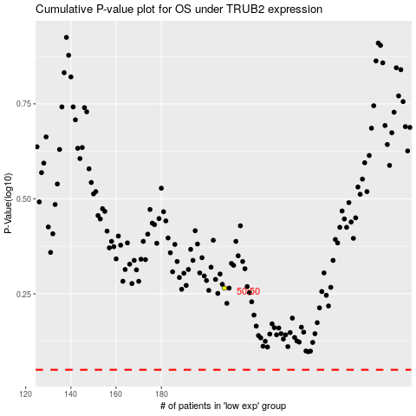

 |  |  |  |  |  | cases_OS | p_OS | rank | exp
 |  |  |  |  |  |  | cases_RFS | p_RFS | rank | exp

