TSEN15 _multivariate
Reported by Tex Li-Hsing Chi. tex@gate.sinica.edu.tw 2019-08-15

Table 2. The clinicopathological features of HNSCC cohort and TSEN15 expression. (Chi square test)
Cutoff at 0.165 (68.4%)
 |  | TSEN15 expression |  | TSEN15 expression |  | (Optimised)
 | Features | Low | (%) | High | (%) | Case no | P-value | Remark | Matthews
Gender | Female | 205 | 49.4 | 101 | 24.3 | 415 | 0.3484 | 0 | 0
2 | Male | 79 | 19 | 30 | 7.2
Age at diagnosis | <=65y | 185 | 44.6 | 89 | 21.4 | 415 | 0.6542 | 0 | 0
4 | >65y | 99 | 23.9 | 42 | 10.1
Clinical T Status | T1+T2 | 105 | 25.3 | 44 | 10.6 | 415 | 0.577 | 0 | 0
6 | T3+T4 | 179 | 43.1 | 87 | 21
Clinical N Status | N0 | 150 | 36.1 | 66 | 15.9 | 415 | 0.722 | 0 | 0
8 | N1-3 | 134 | 32.3 | 65 | 15.7
Clinical M Status | M0 | 281 | 67.7 | 131 | 31.6 | 415 | 0.5549 | 0 | 0
10 | M1 | 3 | 0.7 | 0 | 0
Clinical Stage | Stage I+II | 75 | 18.1 | 27 | 6.5 | 415 | 0.2492 | 0 | 0
12 | Stage III+IV | 209 | 50.4 | 104 | 25.1
Surgical Margin status | Negative | 226 | 54.5 | 92 | 22.2 | 415 | 0.0455 | 1 | 0
14 | Positive | 58 | 14 | 39 | 9.4
Tobacco Exposure | Low | 130 | 31.3 | 31 | 7.5 | 415 | 0 | 1 | 0
16 | High | 154 | 37.1 | 100 | 24.1

Table 3. Univariate/Multivariate Cox's proportional hazards regression analyses on OS time of TSEN15 gene expression in HNSCC

 |  | Univariate |  |  |  | Multivariate
 | Features | HR | CI95%(L) | CI95%(H) | P-value | HR | CI95%(L) | CI95%(H) | P-value
1 | Female | 1 |  |  |  | 1
Gender | Male | 1.157 | 0.843 | 1.587 | 0.367 | 1.203 | 0.861 | 1.68 | 0.278
11 | <=65y | 1 |  |  |  | 1
Age at diagnosis | >65y | 1.329 | 0.99 | 1.784 | 0.058 | 1.395 | 1.027 | 1.897 | 0.033
12 | T1+T2 | 1 |  |  |  | 1
Clinical T Status | T3+T4 | 1.409 | 1.028 | 1.931 | 0.033 | 2.223 | 1.176 | 4.203 | 0.014
13 | N0 | 1 |  |  |  | 1
Clinical N Status | N1-3 | 1.185 | 0.89 | 1.577 | 0.246 | 1.251 | 0.876 | 1.786 | 0.219
14 | M0 | 1 |  |  |  | 1
Clinical M Status | M1 | 4.097 | 1.009 | 16.644 | 0.049 | 10.241 | 2.223 | 47.177 | 0.003
15 | Stage I+II | 1 |  |  |  | 1
Clinical Stage | Stage III+IV | 1.245 | 0.882 | 1.759 | 0.213 | 0.491 | 0.229 | 1.054 | 0.068
16 | Negative | 1 |  |  |  | 1
Surgical Margin status | Positive | 1.591 | 1.155 | 2.191 | 0.004 | 1.625 | 1.173 | 2.252 | 0.003
17 | Low | 1 |  |  |  | 1
Tobacco Exposure | High | 1.364 | 1.008 | 1.844 | 0.044 | 1.388 | 1.002 | 1.924 | 0.049
18 | Low | 1 |  |  |  | 1
RNAseq(z-score) | High | 1.354 | 1.003 | 1.83 | 0.048 | 1.262 | 0.924 | 1.723 | 0.143

Table 4. Univariate/Multivariate Cox's proportional hazards regression analyses on RFS time of TSEN15 gene expression in HNSCC

 |  | Univariate |  |  |  | Multivariate
 | Features | HR | CI95%(L) | CI95%(H) | P-value | HR | CI95%(L) | CI95%(H) | P-value
1 | Female | 1 |  |  |  | 1
Gender | Male | 1.157 | 0.843 | 1.587 | 0.367 | 1.203 | 0.861 | 1.68 | 0.278
11 | <=65y | 1 |  |  |  | 1
Age at diagnosis | >65y | 1.329 | 0.99 | 1.784 | 0.058 | 1.395 | 1.027 | 1.897 | 0.033
12 | T1+T2 | 1 |  |  |  | 1
Clinical T Status | T3+T4 | 1.409 | 1.028 | 1.931 | 0.033 | 2.223 | 1.176 | 4.203 | 0.014
13 | N0 | 1 |  |  |  | 1
Clinical N Status | N1-3 | 1.185 | 0.89 | 1.577 | 0.246 | 1.251 | 0.876 | 1.786 | 0.219
14 | M0 | 1 |  |  |  | 1
Clinical M Status | M1 | 4.097 | 1.009 | 16.644 | 0.049 | 10.241 | 2.223 | 47.177 | 0.003
15 | Stage I+II | 1 |  |  |  | 1
Clinical Stage | Stage III+IV | 1.245 | 0.882 | 1.759 | 0.213 | 0.491 | 0.229 | 1.054 | 0.068
16 | Negative | 1 |  |  |  | 1
Surgical Margin status | Positive | 1.591 | 1.155 | 2.191 | 0.004 | 1.625 | 1.173 | 2.252 | 0.003
17 | Low | 1 |  |  |  | 1
Tobacco Exposure | High | 1.364 | 1.008 | 1.844 | 0.044 | 1.388 | 1.002 | 1.924 | 0.049
18 | Low | 1 |  |  |  | 1
RNAseq(z-score) | High | 1.354 | 1.003 | 1.83 | 0.048 | 1.262 | 0.924 | 1.723 | 0.143

Kaplan-Meier survival estimate: Cutoff at 0.165 (68.4%)



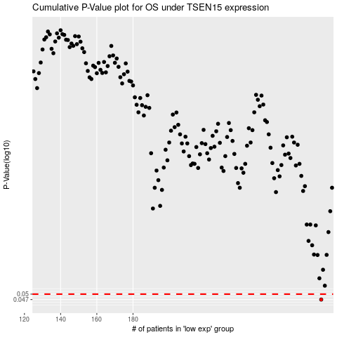

 |  |  |  |  |  | cases_OS | p_OS | rank | exp
 |  |  |  |  |  | 284 | 0.047 | 276 | 0.16468863318
 |  |  |  |  |  |  | cases_RFS | p_RFS | rank | exp
 |  |  |  |  |  |  | 283 | 0.047 | 6 | 0.15373857517

