TSEN2 _multivariate
Reported by Tex Li-Hsing Chi. tex@gate.sinica.edu.tw 2019-08-15

Table 2. The clinicopathological features of HNSCC cohort and TSEN2 expression. (Chi square test)
Cutoff at -0.306 (49.8%)
 |  | TSEN2 expression |  | TSEN2 expression |  | (Optimised)
 | Features | Low | (%) | High | (%) | Case no | P-value | Remark | Matthews
Gender | Female | 151 | 36.4 | 155 | 37.3 | 415 | 0.8007 | 0 | 0
2 | Male | 56 | 13.5 | 53 | 12.8
Age at diagnosis | <=65y | 137 | 33 | 137 | 33 | 415 | 1 | 0 | 0
4 | >65y | 70 | 16.9 | 71 | 17.1
Clinical T Status | T1+T2 | 72 | 17.3 | 77 | 18.6 | 415 | 0.7095 | 0 | 0
6 | T3+T4 | 135 | 32.5 | 131 | 31.6
Clinical N Status | N0 | 109 | 26.3 | 107 | 25.8 | 415 | 0.8812 | 0 | 0
8 | N1-3 | 98 | 23.6 | 101 | 24.3
Clinical M Status | M0 | 205 | 49.4 | 207 | 49.9 | 415 | 0.6232 | 0 | 0
10 | M1 | 2 | 0.5 | 1 | 0.2
Clinical Stage | Stage I+II | 51 | 12.3 | 51 | 12.3 | 415 | 1 | 0 | 0
12 | Stage III+IV | 156 | 37.6 | 157 | 37.8
Surgical Margin status | Negative | 166 | 40 | 152 | 36.6 | 415 | 0.1042 | 0 | 0
14 | Positive | 41 | 9.9 | 56 | 13.5
Tobacco Exposure | Low | 81 | 19.5 | 80 | 19.3 | 415 | 0.9199 | 0 | 0
16 | High | 126 | 30.4 | 128 | 30.8

Table 3. Univariate/Multivariate Cox's proportional hazards regression analyses on OS time of TSEN2 gene expression in HNSCC

 |  | Univariate |  |  |  | Multivariate
 | Features | HR | CI95%(L) | CI95%(H) | P-value | HR | CI95%(L) | CI95%(H) | P-value
1 | Female | 1 |  |  |  | 1
Gender | Male | 1.157 | 0.843 | 1.587 | 0.367 | 1.198 | 0.857 | 1.673 | 0.29
11 | <=65y | 1 |  |  |  | 1
Age at diagnosis | >65y | 1.329 | 0.99 | 1.784 | 0.058 | 1.4 | 1.029 | 1.905 | 0.032
12 | T1+T2 | 1 |  |  |  | 1
Clinical T Status | T3+T4 | 1.409 | 1.028 | 1.931 | 0.033 | 2.198 | 1.162 | 4.155 | 0.015
13 | N0 | 1 |  |  |  | 1
Clinical N Status | N1-3 | 1.185 | 0.89 | 1.577 | 0.246 | 1.243 | 0.871 | 1.774 | 0.23
14 | M0 | 1 |  |  |  | 1
Clinical M Status | M1 | 4.097 | 1.009 | 16.644 | 0.049 | 9.163 | 1.994 | 42.109 | 0.004
15 | Stage I+II | 1 |  |  |  | 1
Clinical Stage | Stage III+IV | 1.245 | 0.882 | 1.759 | 0.213 | 0.504 | 0.235 | 1.082 | 0.079
16 | Negative | 1 |  |  |  | 1
Surgical Margin status | Positive | 1.591 | 1.155 | 2.191 | 0.004 | 1.698 | 1.223 | 2.356 | 0.002
17 | Low | 1 |  |  |  | 1
Tobacco Exposure | High | 1.364 | 1.008 | 1.844 | 0.044 | 1.455 | 1.056 | 2.006 | 0.022
18 | Low | 1 |  |  |  | 1
RNAseq(z-score) | High | 0.967 | 0.725 | 1.289 | 0.817 | 0.917 | 0.684 | 1.23 | 0.564

Table 4. Univariate/Multivariate Cox's proportional hazards regression analyses on RFS time of TSEN2 gene expression in HNSCC

 |  | Univariate |  |  |  | Multivariate
 | Features | HR | CI95%(L) | CI95%(H) | P-value | HR | CI95%(L) | CI95%(H) | P-value
1 | Female | 1 |  |  |  | 1
Gender | Male | 1.157 | 0.843 | 1.587 | 0.367 | 1.198 | 0.857 | 1.673 | 0.29
11 | <=65y | 1 |  |  |  | 1
Age at diagnosis | >65y | 1.329 | 0.99 | 1.784 | 0.058 | 1.4 | 1.029 | 1.905 | 0.032
12 | T1+T2 | 1 |  |  |  | 1
Clinical T Status | T3+T4 | 1.409 | 1.028 | 1.931 | 0.033 | 2.198 | 1.162 | 4.155 | 0.015
13 | N0 | 1 |  |  |  | 1
Clinical N Status | N1-3 | 1.185 | 0.89 | 1.577 | 0.246 | 1.243 | 0.871 | 1.774 | 0.23
14 | M0 | 1 |  |  |  | 1
Clinical M Status | M1 | 4.097 | 1.009 | 16.644 | 0.049 | 9.163 | 1.994 | 42.109 | 0.004
15 | Stage I+II | 1 |  |  |  | 1
Clinical Stage | Stage III+IV | 1.245 | 0.882 | 1.759 | 0.213 | 0.504 | 0.235 | 1.082 | 0.079
16 | Negative | 1 |  |  |  | 1
Surgical Margin status | Positive | 1.591 | 1.155 | 2.191 | 0.004 | 1.698 | 1.223 | 2.356 | 0.002
17 | Low | 1 |  |  |  | 1
Tobacco Exposure | High | 1.364 | 1.008 | 1.844 | 0.044 | 1.455 | 1.056 | 2.006 | 0.022
18 | Low | 1 |  |  |  | 1
RNAseq(z-score) | High | 0.967 | 0.725 | 1.289 | 0.817 | 0.917 | 0.684 | 1.23 | 0.564

Kaplan-Meier survival estimate: Cutoff at -0.306 (49.8%)



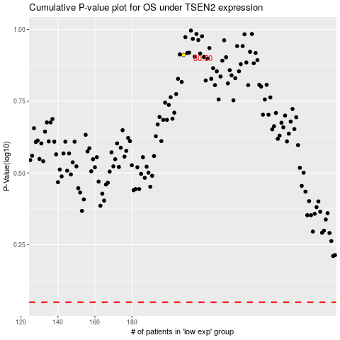

 |  |  |  |  |  | cases_OS | p_OS | rank | exp
 |  |  |  |  |  |  | cases_RFS | p_RFS | rank | exp

