TSGA10 _multivariate
Reported by Tex Li-Hsing Chi. tex@gate.sinica.edu.tw 2019-08-15

Table 2. The clinicopathological features of HNSCC cohort and TSGA10 expression. (Chi square test)
Cutoff at -0.261 (50.0%)
 |  | TSGA10 expression |  | TSGA10 expression |  | (Optimised)
 | Features | Low | (%) | High | (%) | Case no | P-value | Remark | Matthews
Gender | Female | 148 | 35.7 | 158 | 38.1 | 415 | 0.3567 | 0 | 0
2 | Male | 59 | 14.2 | 50 | 12
Age at diagnosis | <=65y | 132 | 31.8 | 142 | 34.2 | 415 | 0.3874 | 0 | 0
4 | >65y | 75 | 18.1 | 66 | 15.9
Clinical T Status | T1+T2 | 79 | 19 | 70 | 16.9 | 415 | 0.3924 | 0 | 0
6 | T3+T4 | 128 | 30.8 | 138 | 33.3
Clinical N Status | N0 | 109 | 26.3 | 107 | 25.8 | 415 | 0.8812 | 0 | 0
8 | N1-3 | 98 | 23.6 | 101 | 24.3
Clinical M Status | M0 | 204 | 49.2 | 208 | 50.1 | 415 | 0.1232 | 0 | 0
10 | M1 | 3 | 0.7 | 0 | 0
Clinical Stage | Stage I+II | 58 | 14 | 44 | 10.6 | 415 | 0.131 | 0 | 0
12 | Stage III+IV | 149 | 35.9 | 164 | 39.5
Surgical Margin status | Negative | 162 | 39 | 156 | 37.6 | 415 | 0.4867 | 0 | 0
14 | Positive | 45 | 10.8 | 52 | 12.5
Tobacco Exposure | Low | 87 | 21 | 74 | 17.8 | 415 | 0.1911 | 0 | 0
16 | High | 120 | 28.9 | 134 | 32.3

Table 3. Univariate/Multivariate Cox's proportional hazards regression analyses on OS time of TSGA10 gene expression in HNSCC

 |  | Univariate |  |  |  | Multivariate
 | Features | HR | CI95%(L) | CI95%(H) | P-value | HR | CI95%(L) | CI95%(H) | P-value
1 | Female | 1 |  |  |  | 1
Gender | Male | 1.157 | 0.843 | 1.587 | 0.367 | 1.197 | 0.857 | 1.674 | 0.292
11 | <=65y | 1 |  |  |  | 1
Age at diagnosis | >65y | 1.329 | 0.99 | 1.784 | 0.058 | 1.393 | 1.024 | 1.893 | 0.035
12 | T1+T2 | 1 |  |  |  | 1
Clinical T Status | T3+T4 | 1.409 | 1.028 | 1.931 | 0.033 | 2.187 | 1.155 | 4.141 | 0.016
13 | N0 | 1 |  |  |  | 1
Clinical N Status | N1-3 | 1.185 | 0.89 | 1.577 | 0.246 | 1.239 | 0.868 | 1.768 | 0.238
14 | M0 | 1 |  |  |  | 1
Clinical M Status | M1 | 4.097 | 1.009 | 16.644 | 0.049 | 9.107 | 1.963 | 42.238 | 0.005
15 | Stage I+II | 1 |  |  |  | 1
Clinical Stage | Stage III+IV | 1.245 | 0.882 | 1.759 | 0.213 | 0.512 | 0.237 | 1.104 | 0.088
16 | Negative | 1 |  |  |  | 1
Surgical Margin status | Positive | 1.591 | 1.155 | 2.191 | 0.004 | 1.672 | 1.21 | 2.31 | 0.002
17 | Low | 1 |  |  |  | 1
Tobacco Exposure | High | 1.364 | 1.008 | 1.844 | 0.044 | 1.455 | 1.056 | 2.006 | 0.022
18 | Low | 1 |  |  |  | 1
RNAseq(z-score) | High | 0.931 | 0.697 | 1.244 | 0.629 | 0.951 | 0.708 | 1.278 | 0.741

Table 4. Univariate/Multivariate Cox's proportional hazards regression analyses on RFS time of TSGA10 gene expression in HNSCC

 |  | Univariate |  |  |  | Multivariate
 | Features | HR | CI95%(L) | CI95%(H) | P-value | HR | CI95%(L) | CI95%(H) | P-value
1 | Female | 1 |  |  |  | 1
Gender | Male | 1.157 | 0.843 | 1.587 | 0.367 | 1.197 | 0.857 | 1.674 | 0.292
11 | <=65y | 1 |  |  |  | 1
Age at diagnosis | >65y | 1.329 | 0.99 | 1.784 | 0.058 | 1.393 | 1.024 | 1.893 | 0.035
12 | T1+T2 | 1 |  |  |  | 1
Clinical T Status | T3+T4 | 1.409 | 1.028 | 1.931 | 0.033 | 2.187 | 1.155 | 4.141 | 0.016
13 | N0 | 1 |  |  |  | 1
Clinical N Status | N1-3 | 1.185 | 0.89 | 1.577 | 0.246 | 1.239 | 0.868 | 1.768 | 0.238
14 | M0 | 1 |  |  |  | 1
Clinical M Status | M1 | 4.097 | 1.009 | 16.644 | 0.049 | 9.107 | 1.963 | 42.238 | 0.005
15 | Stage I+II | 1 |  |  |  | 1
Clinical Stage | Stage III+IV | 1.245 | 0.882 | 1.759 | 0.213 | 0.512 | 0.237 | 1.104 | 0.088
16 | Negative | 1 |  |  |  | 1
Surgical Margin status | Positive | 1.591 | 1.155 | 2.191 | 0.004 | 1.672 | 1.21 | 2.31 | 0.002
17 | Low | 1 |  |  |  | 1
Tobacco Exposure | High | 1.364 | 1.008 | 1.844 | 0.044 | 1.455 | 1.056 | 2.006 | 0.022
18 | Low | 1 |  |  |  | 1
RNAseq(z-score) | High | 0.931 | 0.697 | 1.244 | 0.629 | 0.951 | 0.708 | 1.278 | 0.741

Kaplan-Meier survival estimate: Cutoff at -0.261 (50.0%)



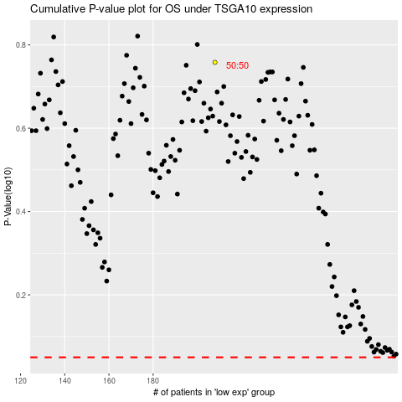

 |  |  |  |  |  | cases_OS | p_OS | rank | exp
 |  |  |  |  |  |  | cases_RFS | p_RFS | rank | exp

