TSGA14 _multivariate
Reported by Tex Li-Hsing Chi. tex@gate.sinica.edu.tw 2019-08-15

Table 2. The clinicopathological features of HNSCC cohort and TSGA14 expression. (Chi square test)
Cutoff at -0.12 (49.8%)
 |  | TSGA14 expression |  | TSGA14 expression |  | (Optimised)
 | Features | Low | (%) | High | (%) | Case no | P-value | Remark | Matthews
Gender | Female | 152 | 36.6 | 154 | 37.1 | 415 | 0.9766 | 0 | 0
2 | Male | 55 | 13.3 | 54 | 13
Age at diagnosis | <=65y | 136 | 32.8 | 138 | 33.3 | 415 | 0.9719 | 0 | 0
4 | >65y | 71 | 17.1 | 70 | 16.9
Clinical T Status | T1+T2 | 75 | 18.1 | 74 | 17.8 | 415 | 0.9707 | 0 | 0
6 | T3+T4 | 132 | 31.8 | 134 | 32.3
Clinical N Status | N0 | 108 | 26 | 108 | 26 | 415 | 1 | 0 | 0
8 | N1-3 | 99 | 23.9 | 100 | 24.1
Clinical M Status | M0 | 206 | 49.6 | 206 | 49.6 | 415 | 1 | 0 | 0
10 | M1 | 1 | 0.2 | 2 | 0.5
Clinical Stage | Stage I+II | 50 | 12 | 52 | 12.5 | 415 | 0.9315 | 0 | 0
12 | Stage III+IV | 157 | 37.8 | 156 | 37.6
Surgical Margin status | Negative | 163 | 39.3 | 155 | 37.3 | 415 | 0.3537 | 0 | 0
14 | Positive | 44 | 10.6 | 53 | 12.8
Tobacco Exposure | Low | 80 | 19.3 | 81 | 19.5 | 415 | 1 | 0 | 0
16 | High | 127 | 30.6 | 127 | 30.6

Table 3. Univariate/Multivariate Cox's proportional hazards regression analyses on OS time of TSGA14 gene expression in HNSCC

 |  | Univariate |  |  |  | Multivariate
 | Features | HR | CI95%(L) | CI95%(H) | P-value | HR | CI95%(L) | CI95%(H) | P-value
1 | Female | 1 |  |  |  | 1
Gender | Male | 1.157 | 0.843 | 1.587 | 0.367 | 1.239 | 0.884 | 1.736 | 0.214
11 | <=65y | 1 |  |  |  | 1
Age at diagnosis | >65y | 1.329 | 0.99 | 1.784 | 0.058 | 1.393 | 1.024 | 1.894 | 0.035
12 | T1+T2 | 1 |  |  |  | 1
Clinical T Status | T3+T4 | 1.409 | 1.028 | 1.931 | 0.033 | 2.177 | 1.152 | 4.114 | 0.017
13 | N0 | 1 |  |  |  | 1
Clinical N Status | N1-3 | 1.185 | 0.89 | 1.577 | 0.246 | 1.241 | 0.87 | 1.771 | 0.234
14 | M0 | 1 |  |  |  | 1
Clinical M Status | M1 | 4.097 | 1.009 | 16.644 | 0.049 | 9.168 | 2 | 42.04 | 0.004
15 | Stage I+II | 1 |  |  |  | 1
Clinical Stage | Stage III+IV | 1.245 | 0.882 | 1.759 | 0.213 | 0.52 | 0.242 | 1.117 | 0.094
16 | Negative | 1 |  |  |  | 1
Surgical Margin status | Positive | 1.591 | 1.155 | 2.191 | 0.004 | 1.664 | 1.204 | 2.298 | 0.002
17 | Low | 1 |  |  |  | 1
Tobacco Exposure | High | 1.364 | 1.008 | 1.844 | 0.044 | 1.477 | 1.07 | 2.038 | 0.018
18 | Low | 1 |  |  |  | 1
RNAseq(z-score) | High | 1.237 | 0.928 | 1.648 | 0.148 | 1.278 | 0.955 | 1.71 | 0.098

Table 4. Univariate/Multivariate Cox's proportional hazards regression analyses on RFS time of TSGA14 gene expression in HNSCC

 |  | Univariate |  |  |  | Multivariate
 | Features | HR | CI95%(L) | CI95%(H) | P-value | HR | CI95%(L) | CI95%(H) | P-value
1 | Female | 1 |  |  |  | 1
Gender | Male | 1.157 | 0.843 | 1.587 | 0.367 | 1.239 | 0.884 | 1.736 | 0.214
11 | <=65y | 1 |  |  |  | 1
Age at diagnosis | >65y | 1.329 | 0.99 | 1.784 | 0.058 | 1.393 | 1.024 | 1.894 | 0.035
12 | T1+T2 | 1 |  |  |  | 1
Clinical T Status | T3+T4 | 1.409 | 1.028 | 1.931 | 0.033 | 2.177 | 1.152 | 4.114 | 0.017
13 | N0 | 1 |  |  |  | 1
Clinical N Status | N1-3 | 1.185 | 0.89 | 1.577 | 0.246 | 1.241 | 0.87 | 1.771 | 0.234
14 | M0 | 1 |  |  |  | 1
Clinical M Status | M1 | 4.097 | 1.009 | 16.644 | 0.049 | 9.168 | 2 | 42.04 | 0.004
15 | Stage I+II | 1 |  |  |  | 1
Clinical Stage | Stage III+IV | 1.245 | 0.882 | 1.759 | 0.213 | 0.52 | 0.242 | 1.117 | 0.094
16 | Negative | 1 |  |  |  | 1
Surgical Margin status | Positive | 1.591 | 1.155 | 2.191 | 0.004 | 1.664 | 1.204 | 2.298 | 0.002
17 | Low | 1 |  |  |  | 1
Tobacco Exposure | High | 1.364 | 1.008 | 1.844 | 0.044 | 1.477 | 1.07 | 2.038 | 0.018
18 | Low | 1 |  |  |  | 1
RNAseq(z-score) | High | 1.237 | 0.928 | 1.648 | 0.148 | 1.278 | 0.955 | 1.71 | 0.098

Kaplan-Meier survival estimate: Cutoff at -0.12 (49.8%)



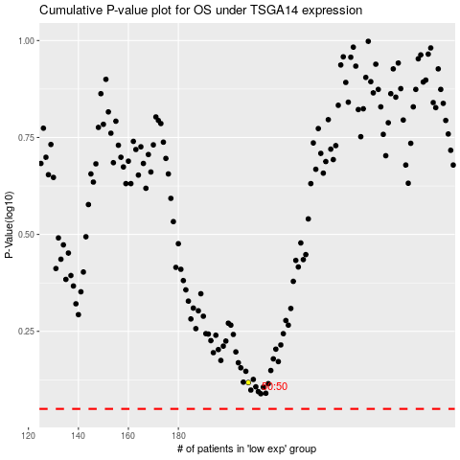

 |  |  |  |  |  | cases_OS | p_OS | rank | exp
 |  |  |  |  |  |  | cases_RFS | p_RFS | rank | exp

