TSHR _multivariate
Reported by Tex Li-Hsing Chi. tex@gate.sinica.edu.tw 2019-08-15

Table 2. The clinicopathological features of HNSCC cohort and TSHR expression. (Chi square test)
Cutoff at -0.073 (68.8%)
 |  | TSHR expression |  | TSHR expression |  | (Optimised)
 | Features | Low | (%) | High | (%) | Case no | P-value | Remark | Matthews
Gender | Female | 207 | 49.9 | 99 | 23.9 | 415 | 0.415 | 0 | 0
2 | Male | 79 | 19 | 30 | 7.2
Age at diagnosis | <=65y | 193 | 46.5 | 81 | 19.5 | 415 | 0.411 | 0 | 0
4 | >65y | 93 | 22.4 | 48 | 11.6
Clinical T Status | T1+T2 | 100 | 24.1 | 49 | 11.8 | 415 | 0.6291 | 0 | 0
6 | T3+T4 | 186 | 44.8 | 80 | 19.3
Clinical N Status | N0 | 148 | 35.7 | 68 | 16.4 | 415 | 0.9394 | 0 | 0
8 | N1-3 | 138 | 33.3 | 61 | 14.7
Clinical M Status | M0 | 283 | 68.2 | 129 | 31.1 | 415 | 0.5554 | 0 | 0
10 | M1 | 3 | 0.7 | 0 | 0
Clinical Stage | Stage I+II | 70 | 16.9 | 32 | 7.7 | 415 | 1 | 0 | 0
12 | Stage III+IV | 216 | 52 | 97 | 23.4
Surgical Margin status | Negative | 215 | 51.8 | 103 | 24.8 | 415 | 0.3186 | 0 | 0
14 | Positive | 71 | 17.1 | 26 | 6.3
Tobacco Exposure | Low | 112 | 27 | 49 | 11.8 | 415 | 0.8287 | 0 | 0
16 | High | 174 | 41.9 | 80 | 19.3

Table 3. Univariate/Multivariate Cox's proportional hazards regression analyses on OS time of TSHR gene expression in HNSCC

 |  | Univariate |  |  |  | Multivariate
 | Features | HR | CI95%(L) | CI95%(H) | P-value | HR | CI95%(L) | CI95%(H) | P-value
1 | Female | 1 |  |  |  | 1
Gender | Male | 1.157 | 0.843 | 1.587 | 0.367 | 1.177 | 0.841 | 1.646 | 0.342
11 | <=65y | 1 |  |  |  | 1
Age at diagnosis | >65y | 1.329 | 0.99 | 1.784 | 0.058 | 1.406 | 1.035 | 1.911 | 0.029
12 | T1+T2 | 1 |  |  |  | 1
Clinical T Status | T3+T4 | 1.409 | 1.028 | 1.931 | 0.033 | 2.153 | 1.138 | 4.075 | 0.018
13 | N0 | 1 |  |  |  | 1
Clinical N Status | N1-3 | 1.185 | 0.89 | 1.577 | 0.246 | 1.242 | 0.87 | 1.771 | 0.232
14 | M0 | 1 |  |  |  | 1
Clinical M Status | M1 | 4.097 | 1.009 | 16.644 | 0.049 | 8.383 | 1.821 | 38.588 | 0.006
15 | Stage I+II | 1 |  |  |  | 1
Clinical Stage | Stage III+IV | 1.245 | 0.882 | 1.759 | 0.213 | 0.52 | 0.242 | 1.118 | 0.094
16 | Negative | 1 |  |  |  | 1
Surgical Margin status | Positive | 1.591 | 1.155 | 2.191 | 0.004 | 1.669 | 1.208 | 2.306 | 0.002
17 | Low | 1 |  |  |  | 1
Tobacco Exposure | High | 1.364 | 1.008 | 1.844 | 0.044 | 1.425 | 1.034 | 1.965 | 0.031
18 | Low | 1 |  |  |  | 1
RNAseq(z-score) | High | 0.704 | 0.506 | 0.98 | 0.037 | 0.739 | 0.53 | 1.032 | 0.076

Table 4. Univariate/Multivariate Cox's proportional hazards regression analyses on RFS time of TSHR gene expression in HNSCC

 |  | Univariate |  |  |  | Multivariate
 | Features | HR | CI95%(L) | CI95%(H) | P-value | HR | CI95%(L) | CI95%(H) | P-value
1 | Female | 1 |  |  |  | 1
Gender | Male | 1.157 | 0.843 | 1.587 | 0.367 | 1.177 | 0.841 | 1.646 | 0.342
11 | <=65y | 1 |  |  |  | 1
Age at diagnosis | >65y | 1.329 | 0.99 | 1.784 | 0.058 | 1.406 | 1.035 | 1.911 | 0.029
12 | T1+T2 | 1 |  |  |  | 1
Clinical T Status | T3+T4 | 1.409 | 1.028 | 1.931 | 0.033 | 2.153 | 1.138 | 4.075 | 0.018
13 | N0 | 1 |  |  |  | 1
Clinical N Status | N1-3 | 1.185 | 0.89 | 1.577 | 0.246 | 1.242 | 0.87 | 1.771 | 0.232
14 | M0 | 1 |  |  |  | 1
Clinical M Status | M1 | 4.097 | 1.009 | 16.644 | 0.049 | 8.383 | 1.821 | 38.588 | 0.006
15 | Stage I+II | 1 |  |  |  | 1
Clinical Stage | Stage III+IV | 1.245 | 0.882 | 1.759 | 0.213 | 0.52 | 0.242 | 1.118 | 0.094
16 | Negative | 1 |  |  |  | 1
Surgical Margin status | Positive | 1.591 | 1.155 | 2.191 | 0.004 | 1.669 | 1.208 | 2.306 | 0.002
17 | Low | 1 |  |  |  | 1
Tobacco Exposure | High | 1.364 | 1.008 | 1.844 | 0.044 | 1.425 | 1.034 | 1.965 | 0.031
18 | Low | 1 |  |  |  | 1
RNAseq(z-score) | High | 0.704 | 0.506 | 0.98 | 0.037 | 0.739 | 0.53 | 1.032 | 0.076

Kaplan-Meier survival estimate: Cutoff at -0.073 (68.8%)



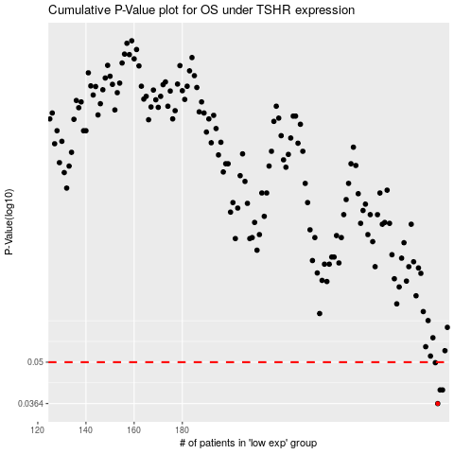

 |  |  |  |  |  | cases_OS | p_OS | rank | exp
 |  |  |  |  |  | 286 | 0.0364 | 307 | -0.073377448933
 |  |  |  |  |  | 287 | 0.0404 | 27 | -0.072058897195
 |  |  |  |  |  | 288 | 0.0404 | 45 | -0.072058897195
 |  |  |  |  |  | 285 | 0.0498 | 308 | -0.074775912898
 |  |  |  |  |  |  | cases_RFS | p_RFS | rank | exp
 |  |  |  |  |  |  | 285 | 0.0364 | 308 | -0.074775912898
 |  |  |  |  |  |  | 287 | 0.0404 | 27 | -0.072058897195
 |  |  |  |  |  |  | 286 | 0.0404 | 307 | -0.073377448933
 |  |  |  |  |  |  | 284 | 0.0498 | 267 | -0.07490377246

