TSNARE1 _multivariate
Reported by Tex Li-Hsing Chi. tex@gate.sinica.edu.tw 2019-08-15

Table 2. The clinicopathological features of HNSCC cohort and TSNARE1 expression. (Chi square test)
Cutoff at -0.571 (31.9%)
 |  | TSNARE1 expression |  | TSNARE1 expression |  | (Optimised)
 | Features | Low | (%) | High | (%) | Case no | P-value | Remark | Matthews
Gender | Female | 92 | 22.2 | 214 | 51.6 | 415 | 0.1833 | 0 | 0
2 | Male | 41 | 9.9 | 68 | 16.4
Age at diagnosis | <=65y | 79 | 19 | 195 | 47 | 415 | 0.0649 | 0 | 0
4 | >65y | 54 | 13 | 87 | 21
Clinical T Status | T1+T2 | 40 | 9.6 | 109 | 26.3 | 415 | 0.1118 | 0 | 0
6 | T3+T4 | 93 | 22.4 | 173 | 41.7
Clinical N Status | N0 | 62 | 14.9 | 154 | 37.1 | 415 | 0.1568 | 0 | 0
8 | N1-3 | 71 | 17.1 | 128 | 30.8
Clinical M Status | M0 | 131 | 31.6 | 281 | 67.7 | 415 | 0.2417 | 0 | 0
10 | M1 | 2 | 0.5 | 1 | 0.2
Clinical Stage | Stage I+II | 26 | 6.3 | 76 | 18.3 | 415 | 0.1305 | 0 | 0
12 | Stage III+IV | 107 | 25.8 | 206 | 49.6
Surgical Margin status | Negative | 102 | 24.6 | 216 | 52 | 415 | 1 | 0 | 0
14 | Positive | 31 | 7.5 | 66 | 15.9
Tobacco Exposure | Low | 64 | 15.4 | 97 | 23.4 | 415 | 0.0095 | 1 | 0
16 | High | 69 | 16.6 | 185 | 44.6

Table 3. Univariate/Multivariate Cox's proportional hazards regression analyses on OS time of TSNARE1 gene expression in HNSCC

 |  | Univariate |  |  |  | Multivariate
 | Features | HR | CI95%(L) | CI95%(H) | P-value | HR | CI95%(L) | CI95%(H) | P-value
1 | Female | 1 |  |  |  | 1
Gender | Male | 1.157 | 0.843 | 1.587 | 0.367 | 1.179 | 0.845 | 1.646 | 0.332
11 | <=65y | 1 |  |  |  | 1
Age at diagnosis | >65y | 1.329 | 0.99 | 1.784 | 0.058 | 1.364 | 1.003 | 1.854 | 0.048
12 | T1+T2 | 1 |  |  |  | 1
Clinical T Status | T3+T4 | 1.409 | 1.028 | 1.931 | 0.033 | 2.21 | 1.17 | 4.177 | 0.015
13 | N0 | 1 |  |  |  | 1
Clinical N Status | N1-3 | 1.185 | 0.89 | 1.577 | 0.246 | 1.243 | 0.873 | 1.772 | 0.228
14 | M0 | 1 |  |  |  | 1
Clinical M Status | M1 | 4.097 | 1.009 | 16.644 | 0.049 | 7.771 | 1.684 | 35.864 | 0.009
15 | Stage I+II | 1 |  |  |  | 1
Clinical Stage | Stage III+IV | 1.245 | 0.882 | 1.759 | 0.213 | 0.485 | 0.226 | 1.041 | 0.063
16 | Negative | 1 |  |  |  | 1
Surgical Margin status | Positive | 1.591 | 1.155 | 2.191 | 0.004 | 1.706 | 1.234 | 2.359 | 0.001
17 | Low | 1 |  |  |  | 1
Tobacco Exposure | High | 1.364 | 1.008 | 1.844 | 0.044 | 1.569 | 1.131 | 2.177 | 0.007
18 | Low | 1 |  |  |  | 1
RNAseq(z-score) | High | 0.669 | 0.498 | 0.9 | 0.008 | 0.649 | 0.478 | 0.882 | 0.006

Table 4. Univariate/Multivariate Cox's proportional hazards regression analyses on RFS time of TSNARE1 gene expression in HNSCC

 |  | Univariate |  |  |  | Multivariate
 | Features | HR | CI95%(L) | CI95%(H) | P-value | HR | CI95%(L) | CI95%(H) | P-value
1 | Female | 1 |  |  |  | 1
Gender | Male | 1.157 | 0.843 | 1.587 | 0.367 | 1.179 | 0.845 | 1.646 | 0.332
11 | <=65y | 1 |  |  |  | 1
Age at diagnosis | >65y | 1.329 | 0.99 | 1.784 | 0.058 | 1.364 | 1.003 | 1.854 | 0.048
12 | T1+T2 | 1 |  |  |  | 1
Clinical T Status | T3+T4 | 1.409 | 1.028 | 1.931 | 0.033 | 2.21 | 1.17 | 4.177 | 0.015
13 | N0 | 1 |  |  |  | 1
Clinical N Status | N1-3 | 1.185 | 0.89 | 1.577 | 0.246 | 1.243 | 0.873 | 1.772 | 0.228
14 | M0 | 1 |  |  |  | 1
Clinical M Status | M1 | 4.097 | 1.009 | 16.644 | 0.049 | 7.771 | 1.684 | 35.864 | 0.009
15 | Stage I+II | 1 |  |  |  | 1
Clinical Stage | Stage III+IV | 1.245 | 0.882 | 1.759 | 0.213 | 0.485 | 0.226 | 1.041 | 0.063
16 | Negative | 1 |  |  |  | 1
Surgical Margin status | Positive | 1.591 | 1.155 | 2.191 | 0.004 | 1.706 | 1.234 | 2.359 | 0.001
17 | Low | 1 |  |  |  | 1
Tobacco Exposure | High | 1.364 | 1.008 | 1.844 | 0.044 | 1.569 | 1.131 | 2.177 | 0.007
18 | Low | 1 |  |  |  | 1
RNAseq(z-score) | High | 0.669 | 0.498 | 0.9 | 0.008 | 0.649 | 0.478 | 0.882 | 0.006

Kaplan-Meier survival estimate: Cutoff at -0.571 (31.9%)

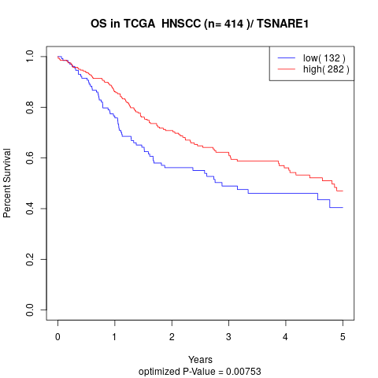

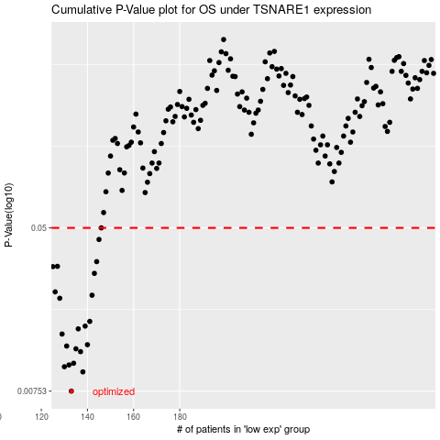

 |  |  |  |  |  | cases_OS | p_OS | rank | exp
 |  |  |  |  |  | 133 | 0.00753 | 121 | -0.57083532295
 |  |  |  |  |  | 138 | 0.00941 | 272 | -0.54191403115
 |  |  |  |  |  | 130 | 0.00999 | 334 | -0.59227695862
 |  |  |  |  |  | 132 | 0.0102 | 86 | -0.58204292607
 |  |  |  |  |  | 134 | 0.0104 | 353 | -0.55715984745
 |  |  |  |  |  | 137 | 0.0119 | 4 | -0.54244901972
 |  |  |  |  |  | 135 | 0.0123 | 167 | -0.55297295089
 |  |  |  |  |  | 131 | 0.0127 | 267 | -0.58303482746
 |  |  |  |  |  | 140 | 0.0129 | 327 | -0.52811023986
 |  |  |  |  |  | 129 | 0.0146 | 229 | -0.59428995494
 |  |  |  |  |  | 136 | 0.0155 | 410 | -0.54986282066
 |  |  |  |  |  | 139 | 0.016 | 56 | -0.53754586308
 |  |  |  |  |  | 141 | 0.0169 | 73 | -0.52457985846
 |  |  |  |  |  | 128 | 0.0221 | 124 | -0.60572092257
 |  |  |  |  |  | 142 | 0.0229 | 59 | -0.52339514393
 |  |  |  |  |  | 126 | 0.0238 | 40 | -0.61492096072
 |  |  |  |  |  | 143 | 0.0295 | 312 | -0.5212565475
 |  |  |  |  |  | 125 | 0.0319 | 284 | -0.61679138395
 |  |  |  |  |  | 127 | 0.032 | 64 | -0.60678614727
 |  |  |  |  |  | 144 | 0.0338 | 400 | -0.51978261327
 |  |  |  |  |  | 145 | 0.0437 | 299 | -0.50932928972
 |  |  |  |  |  | 146 | 0.05 | 314 | -0.50686684869
 |  |  |  |  |  |  | cases_RFS | p_RFS | rank | exp
 |  |  |  |  |  |  | 132 | 0.00753 | 86 | -0.58204292607
 |  |  |  |  |  |  | 137 | 0.00941 | 4 | -0.54244901972
 |  |  |  |  |  |  | 129 | 0.00999 | 229 | -0.59428995494
 |  |  |  |  |  |  | 131 | 0.0102 | 267 | -0.58303482746
 |  |  |  |  |  |  | 133 | 0.0104 | 121 | -0.57083532295
 |  |  |  |  |  |  | 136 | 0.0119 | 410 | -0.54986282066
 |  |  |  |  |  |  | 134 | 0.0123 | 353 | -0.55715984745
 |  |  |  |  |  |  | 130 | 0.0127 | 334 | -0.59227695862
 |  |  |  |  |  |  | 139 | 0.0129 | 56 | -0.53754586308
 |  |  |  |  |  |  | 128 | 0.0146 | 124 | -0.60572092257
 |  |  |  |  |  |  | 135 | 0.0155 | 167 | -0.55297295089
 |  |  |  |  |  |  | 138 | 0.016 | 272 | -0.54191403115
 |  |  |  |  |  |  | 140 | 0.0169 | 327 | -0.52811023986
 |  |  |  |  |  |  | 127 | 0.0221 | 64 | -0.60678614727
 |  |  |  |  |  |  | 141 | 0.0229 | 73 | -0.52457985846
 |  |  |  |  |  |  | 125 | 0.0238 | 284 | -0.61679138395
 |  |  |  |  |  |  | 142 | 0.0295 | 59 | -0.52339514393
 |  |  |  |  |  |  |  | 0.0319 | 306 | -0.6174791294
 |  |  |  |  |  |  | 126 | 0.032 | 40 | -0.61492096072
 |  |  |  |  |  |  | 143 | 0.0338 | 312 | -0.5212565475
 |  |  |  |  |  |  | 144 | 0.0437 | 400 | -0.51978261327
 |  |  |  |  |  |  | 145 | 0.05 | 299 | -0.50932928972

