TSPAN1 _multivariate
Reported by Tex Li-Hsing Chi. tex@gate.sinica.edu.tw 2019-08-15

Table 2. The clinicopathological features of HNSCC cohort and TSPAN1 expression. (Chi square test)
Cutoff at -0.273 (50.0%)
 |  | TSPAN1 expression |  | TSPAN1 expression |  | (Optimised)
 | Features | Low | (%) | High | (%) | Case no | P-value | Remark | Matthews
Gender | Female | 145 | 34.9 | 161 | 38.8 | 415 | 0.1116 | 0 | 0
2 | Male | 62 | 14.9 | 47 | 11.3
Age at diagnosis | <=65y | 131 | 31.6 | 143 | 34.5 | 415 | 0.2839 | 0 | 0
4 | >65y | 76 | 18.3 | 65 | 15.7
Clinical T Status | T1+T2 | 74 | 17.8 | 75 | 18.1 | 415 | 1 | 0 | 0
6 | T3+T4 | 133 | 32 | 133 | 32
Clinical N Status | N0 | 112 | 27 | 104 | 25.1 | 415 | 0.4599 | 0 | 0
8 | N1-3 | 95 | 22.9 | 104 | 25.1
Clinical M Status | M0 | 207 | 49.9 | 205 | 49.4 | 415 | 0.2482 | 0 | 0
10 | M1 | 0 | 0 | 3 | 0.7
Clinical Stage | Stage I+II | 55 | 13.3 | 47 | 11.3 | 415 | 0.4087 | 0 | 0
12 | Stage III+IV | 152 | 36.6 | 161 | 38.8
Surgical Margin status | Negative | 156 | 37.6 | 162 | 39 | 415 | 0.5636 | 0 | 0
14 | Positive | 51 | 12.3 | 46 | 11.1
Tobacco Exposure | Low | 83 | 20 | 78 | 18.8 | 415 | 0.6152 | 0 | 0
16 | High | 124 | 29.9 | 130 | 31.3

Table 3. Univariate/Multivariate Cox's proportional hazards regression analyses on OS time of TSPAN1 gene expression in HNSCC

 |  | Univariate |  |  |  | Multivariate
 | Features | HR | CI95%(L) | CI95%(H) | P-value | HR | CI95%(L) | CI95%(H) | P-value
1 | Female | 1 |  |  |  | 1
Gender | Male | 1.157 | 0.843 | 1.587 | 0.367 | 1.198 | 0.857 | 1.674 | 0.292
11 | <=65y | 1 |  |  |  | 1
Age at diagnosis | >65y | 1.329 | 0.99 | 1.784 | 0.058 | 1.382 | 1.016 | 1.88 | 0.039
12 | T1+T2 | 1 |  |  |  | 1
Clinical T Status | T3+T4 | 1.409 | 1.028 | 1.931 | 0.033 | 2.182 | 1.154 | 4.124 | 0.016
13 | N0 | 1 |  |  |  | 1
Clinical N Status | N1-3 | 1.185 | 0.89 | 1.577 | 0.246 | 1.247 | 0.874 | 1.781 | 0.223
14 | M0 | 1 |  |  |  | 1
Clinical M Status | M1 | 4.097 | 1.009 | 16.644 | 0.049 | 9.998 | 2.169 | 46.097 | 0.003
15 | Stage I+II | 1 |  |  |  | 1
Clinical Stage | Stage III+IV | 1.245 | 0.882 | 1.759 | 0.213 | 0.514 | 0.239 | 1.105 | 0.088
16 | Negative | 1 |  |  |  | 1
Surgical Margin status | Positive | 1.591 | 1.155 | 2.191 | 0.004 | 1.669 | 1.207 | 2.306 | 0.002
17 | Low | 1 |  |  |  | 1
Tobacco Exposure | High | 1.364 | 1.008 | 1.844 | 0.044 | 1.485 | 1.074 | 2.055 | 0.017
18 | Low | 1 |  |  |  | 1
RNAseq(z-score) | High | 0.908 | 0.681 | 1.209 | 0.508 | 0.867 | 0.645 | 1.166 | 0.346

Table 4. Univariate/Multivariate Cox's proportional hazards regression analyses on RFS time of TSPAN1 gene expression in HNSCC

 |  | Univariate |  |  |  | Multivariate
 | Features | HR | CI95%(L) | CI95%(H) | P-value | HR | CI95%(L) | CI95%(H) | P-value
1 | Female | 1 |  |  |  | 1
Gender | Male | 1.157 | 0.843 | 1.587 | 0.367 | 1.198 | 0.857 | 1.674 | 0.292
11 | <=65y | 1 |  |  |  | 1
Age at diagnosis | >65y | 1.329 | 0.99 | 1.784 | 0.058 | 1.382 | 1.016 | 1.88 | 0.039
12 | T1+T2 | 1 |  |  |  | 1
Clinical T Status | T3+T4 | 1.409 | 1.028 | 1.931 | 0.033 | 2.182 | 1.154 | 4.124 | 0.016
13 | N0 | 1 |  |  |  | 1
Clinical N Status | N1-3 | 1.185 | 0.89 | 1.577 | 0.246 | 1.247 | 0.874 | 1.781 | 0.223
14 | M0 | 1 |  |  |  | 1
Clinical M Status | M1 | 4.097 | 1.009 | 16.644 | 0.049 | 9.998 | 2.169 | 46.097 | 0.003
15 | Stage I+II | 1 |  |  |  | 1
Clinical Stage | Stage III+IV | 1.245 | 0.882 | 1.759 | 0.213 | 0.514 | 0.239 | 1.105 | 0.088
16 | Negative | 1 |  |  |  | 1
Surgical Margin status | Positive | 1.591 | 1.155 | 2.191 | 0.004 | 1.669 | 1.207 | 2.306 | 0.002
17 | Low | 1 |  |  |  | 1
Tobacco Exposure | High | 1.364 | 1.008 | 1.844 | 0.044 | 1.485 | 1.074 | 2.055 | 0.017
18 | Low | 1 |  |  |  | 1
RNAseq(z-score) | High | 0.908 | 0.681 | 1.209 | 0.508 | 0.867 | 0.645 | 1.166 | 0.346

Kaplan-Meier survival estimate: Cutoff at -0.273 (50.0%)



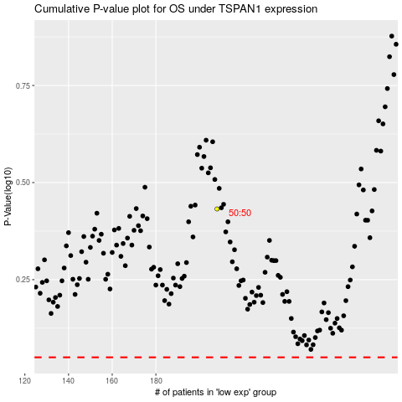

 |  |  |  |  |  | cases_OS | p_OS | rank | exp
 |  |  |  |  |  |  | cases_RFS | p_RFS | rank | exp

