TSPAN18 _multivariate
Reported by Tex Li-Hsing Chi. tex@gate.sinica.edu.tw 2019-08-15

Table 2. The clinicopathological features of HNSCC cohort and TSPAN18 expression. (Chi square test)
Cutoff at -0.365 (49.8%)
 |  | TSPAN18 expression |  | TSPAN18 expression |  | (Optimised)
 | Features | Low | (%) | High | (%) | Case no | P-value | Remark | Matthews
Gender | Female | 149 | 35.9 | 157 | 37.8 | 415 | 0.4848 | 0 | 0
2 | Male | 58 | 14 | 51 | 12.3
Age at diagnosis | <=65y | 142 | 34.2 | 132 | 31.8 | 415 | 0.3167 | 0 | 0
4 | >65y | 65 | 15.7 | 76 | 18.3
Clinical T Status | T1+T2 | 84 | 20.2 | 65 | 15.7 | 415 | 0.0603 | 0 | 0
6 | T3+T4 | 123 | 29.6 | 143 | 34.5
Clinical N Status | N0 | 98 | 23.6 | 118 | 28.4 | 415 | 0.0694 | 0 | 0
8 | N1-3 | 109 | 26.3 | 90 | 21.7
Clinical M Status | M0 | 204 | 49.2 | 208 | 50.1 | 415 | 0.1232 | 0 | 0
10 | M1 | 3 | 0.7 | 0 | 0
Clinical Stage | Stage I+II | 55 | 13.3 | 47 | 11.3 | 415 | 0.4087 | 0 | 0
12 | Stage III+IV | 152 | 36.6 | 161 | 38.8
Surgical Margin status | Negative | 157 | 37.8 | 161 | 38.8 | 415 | 0.729 | 0 | 0
14 | Positive | 50 | 12 | 47 | 11.3
Tobacco Exposure | Low | 95 | 22.9 | 66 | 15.9 | 415 | 0.0035 | 1 | 0
16 | High | 112 | 27 | 142 | 34.2

Table 3. Univariate/Multivariate Cox's proportional hazards regression analyses on OS time of TSPAN18 gene expression in HNSCC

 |  | Univariate |  |  |  | Multivariate
 | Features | HR | CI95%(L) | CI95%(H) | P-value | HR | CI95%(L) | CI95%(H) | P-value
1 | Female | 1 |  |  |  | 1
Gender | Male | 1.157 | 0.843 | 1.587 | 0.367 | 1.201 | 0.86 | 1.679 | 0.282
11 | <=65y | 1 |  |  |  | 1
Age at diagnosis | >65y | 1.329 | 0.99 | 1.784 | 0.058 | 1.393 | 1.023 | 1.895 | 0.035
12 | T1+T2 | 1 |  |  |  | 1
Clinical T Status | T3+T4 | 1.409 | 1.028 | 1.931 | 0.033 | 2.204 | 1.165 | 4.169 | 0.015
13 | N0 | 1 |  |  |  | 1
Clinical N Status | N1-3 | 1.185 | 0.89 | 1.577 | 0.246 | 1.239 | 0.865 | 1.775 | 0.243
14 | M0 | 1 |  |  |  | 1
Clinical M Status | M1 | 4.097 | 1.009 | 16.644 | 0.049 | 9.378 | 2.037 | 43.174 | 0.004
15 | Stage I+II | 1 |  |  |  | 1
Clinical Stage | Stage III+IV | 1.245 | 0.882 | 1.759 | 0.213 | 0.505 | 0.235 | 1.085 | 0.08
16 | Negative | 1 |  |  |  | 1
Surgical Margin status | Positive | 1.591 | 1.155 | 2.191 | 0.004 | 1.671 | 1.209 | 2.31 | 0.002
17 | Low | 1 |  |  |  | 1
Tobacco Exposure | High | 1.364 | 1.008 | 1.844 | 0.044 | 1.455 | 1.052 | 2.012 | 0.023
18 | Low | 1 |  |  |  | 1
RNAseq(z-score) | High | 1.033 | 0.775 | 1.376 | 0.826 | 0.992 | 0.735 | 1.34 | 0.959

Table 4. Univariate/Multivariate Cox's proportional hazards regression analyses on RFS time of TSPAN18 gene expression in HNSCC

 |  | Univariate |  |  |  | Multivariate
 | Features | HR | CI95%(L) | CI95%(H) | P-value | HR | CI95%(L) | CI95%(H) | P-value
1 | Female | 1 |  |  |  | 1
Gender | Male | 1.157 | 0.843 | 1.587 | 0.367 | 1.201 | 0.86 | 1.679 | 0.282
11 | <=65y | 1 |  |  |  | 1
Age at diagnosis | >65y | 1.329 | 0.99 | 1.784 | 0.058 | 1.393 | 1.023 | 1.895 | 0.035
12 | T1+T2 | 1 |  |  |  | 1
Clinical T Status | T3+T4 | 1.409 | 1.028 | 1.931 | 0.033 | 2.204 | 1.165 | 4.169 | 0.015
13 | N0 | 1 |  |  |  | 1
Clinical N Status | N1-3 | 1.185 | 0.89 | 1.577 | 0.246 | 1.239 | 0.865 | 1.775 | 0.243
14 | M0 | 1 |  |  |  | 1
Clinical M Status | M1 | 4.097 | 1.009 | 16.644 | 0.049 | 9.378 | 2.037 | 43.174 | 0.004
15 | Stage I+II | 1 |  |  |  | 1
Clinical Stage | Stage III+IV | 1.245 | 0.882 | 1.759 | 0.213 | 0.505 | 0.235 | 1.085 | 0.08
16 | Negative | 1 |  |  |  | 1
Surgical Margin status | Positive | 1.591 | 1.155 | 2.191 | 0.004 | 1.671 | 1.209 | 2.31 | 0.002
17 | Low | 1 |  |  |  | 1
Tobacco Exposure | High | 1.364 | 1.008 | 1.844 | 0.044 | 1.455 | 1.052 | 2.012 | 0.023
18 | Low | 1 |  |  |  | 1
RNAseq(z-score) | High | 1.033 | 0.775 | 1.376 | 0.826 | 0.992 | 0.735 | 1.34 | 0.959

Kaplan-Meier survival estimate: Cutoff at -0.365 (49.8%)



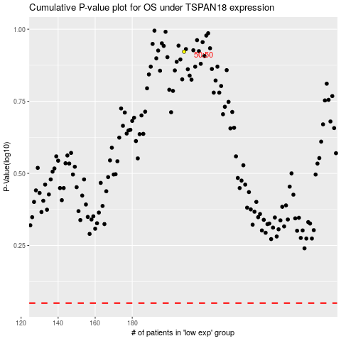

 |  |  |  |  |  | cases_OS | p_OS | rank | exp
 |  |  |  |  |  |  | cases_RFS | p_RFS | rank | exp

