TSPAN5 _multivariate
Reported by Tex Li-Hsing Chi. tex@gate.sinica.edu.tw 2019-08-15

Table 2. The clinicopathological features of HNSCC cohort and TSPAN5 expression. (Chi square test)
Cutoff at -0.069 (50.0%)
 |  | TSPAN5 expression |  | TSPAN5 expression |  | (Optimised)
 | Features | Low | (%) | High | (%) | Case no | P-value | Remark | Matthews
Gender | Female | 156 | 37.6 | 150 | 36.1 | 415 | 0.5222 | 0 | 0
2 | Male | 51 | 12.3 | 58 | 14
Age at diagnosis | <=65y | 140 | 33.7 | 134 | 32.3 | 415 | 0.5574 | 0 | 0
4 | >65y | 67 | 16.1 | 74 | 17.8
Clinical T Status | T1+T2 | 80 | 19.3 | 69 | 16.6 | 415 | 0.2891 | 0 | 0
6 | T3+T4 | 127 | 30.6 | 139 | 33.5
Clinical N Status | N0 | 111 | 26.7 | 105 | 25.3 | 415 | 0.5875 | 0 | 0
8 | N1-3 | 96 | 23.1 | 103 | 24.8
Clinical M Status | M0 | 204 | 49.2 | 208 | 50.1 | 415 | 0.1232 | 0 | 0
10 | M1 | 3 | 0.7 | 0 | 0
Clinical Stage | Stage I+II | 52 | 12.5 | 50 | 12 | 415 | 0.8871 | 0 | 0
12 | Stage III+IV | 155 | 37.3 | 158 | 38.1
Surgical Margin status | Negative | 157 | 37.8 | 161 | 38.8 | 415 | 0.729 | 0 | 0
14 | Positive | 50 | 12 | 47 | 11.3
Tobacco Exposure | Low | 79 | 19 | 82 | 19.8 | 415 | 0.8405 | 0 | 0
16 | High | 128 | 30.8 | 126 | 30.4

Table 3. Univariate/Multivariate Cox's proportional hazards regression analyses on OS time of TSPAN5 gene expression in HNSCC

 |  | Univariate |  |  |  | Multivariate
 | Features | HR | CI95%(L) | CI95%(H) | P-value | HR | CI95%(L) | CI95%(H) | P-value
1 | Female | 1 |  |  |  | 1
Gender | Male | 1.157 | 0.843 | 1.587 | 0.367 | 1.207 | 0.865 | 1.685 | 0.269
11 | <=65y | 1 |  |  |  | 1
Age at diagnosis | >65y | 1.329 | 0.99 | 1.784 | 0.058 | 1.382 | 1.017 | 1.878 | 0.039
12 | T1+T2 | 1 |  |  |  | 1
Clinical T Status | T3+T4 | 1.409 | 1.028 | 1.931 | 0.033 | 2.198 | 1.162 | 4.157 | 0.015
13 | N0 | 1 |  |  |  | 1
Clinical N Status | N1-3 | 1.185 | 0.89 | 1.577 | 0.246 | 1.235 | 0.866 | 1.763 | 0.244
14 | M0 | 1 |  |  |  | 1
Clinical M Status | M1 | 4.097 | 1.009 | 16.644 | 0.049 | 10.29 | 2.226 | 47.575 | 0.003
15 | Stage I+II | 1 |  |  |  | 1
Clinical Stage | Stage III+IV | 1.245 | 0.882 | 1.759 | 0.213 | 0.509 | 0.237 | 1.093 | 0.083
16 | Negative | 1 |  |  |  | 1
Surgical Margin status | Positive | 1.591 | 1.155 | 2.191 | 0.004 | 1.724 | 1.242 | 2.393 | 0.001
17 | Low | 1 |  |  |  | 1
Tobacco Exposure | High | 1.364 | 1.008 | 1.844 | 0.044 | 1.448 | 1.051 | 1.995 | 0.024
18 | Low | 1 |  |  |  | 1
RNAseq(z-score) | High | 1.116 | 0.837 | 1.487 | 0.455 | 1.186 | 0.885 | 1.59 | 0.253

Table 4. Univariate/Multivariate Cox's proportional hazards regression analyses on RFS time of TSPAN5 gene expression in HNSCC

 |  | Univariate |  |  |  | Multivariate
 | Features | HR | CI95%(L) | CI95%(H) | P-value | HR | CI95%(L) | CI95%(H) | P-value
1 | Female | 1 |  |  |  | 1
Gender | Male | 1.157 | 0.843 | 1.587 | 0.367 | 1.207 | 0.865 | 1.685 | 0.269
11 | <=65y | 1 |  |  |  | 1
Age at diagnosis | >65y | 1.329 | 0.99 | 1.784 | 0.058 | 1.382 | 1.017 | 1.878 | 0.039
12 | T1+T2 | 1 |  |  |  | 1
Clinical T Status | T3+T4 | 1.409 | 1.028 | 1.931 | 0.033 | 2.198 | 1.162 | 4.157 | 0.015
13 | N0 | 1 |  |  |  | 1
Clinical N Status | N1-3 | 1.185 | 0.89 | 1.577 | 0.246 | 1.235 | 0.866 | 1.763 | 0.244
14 | M0 | 1 |  |  |  | 1
Clinical M Status | M1 | 4.097 | 1.009 | 16.644 | 0.049 | 10.29 | 2.226 | 47.575 | 0.003
15 | Stage I+II | 1 |  |  |  | 1
Clinical Stage | Stage III+IV | 1.245 | 0.882 | 1.759 | 0.213 | 0.509 | 0.237 | 1.093 | 0.083
16 | Negative | 1 |  |  |  | 1
Surgical Margin status | Positive | 1.591 | 1.155 | 2.191 | 0.004 | 1.724 | 1.242 | 2.393 | 0.001
17 | Low | 1 |  |  |  | 1
Tobacco Exposure | High | 1.364 | 1.008 | 1.844 | 0.044 | 1.448 | 1.051 | 1.995 | 0.024
18 | Low | 1 |  |  |  | 1
RNAseq(z-score) | High | 1.116 | 0.837 | 1.487 | 0.455 | 1.186 | 0.885 | 1.59 | 0.253

Kaplan-Meier survival estimate: Cutoff at -0.069 (50.0%)



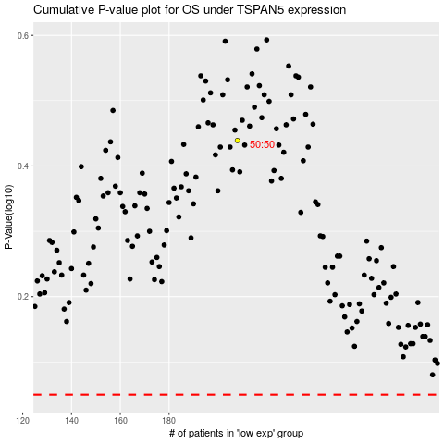

 |  |  |  |  |  | cases_OS | p_OS | rank | exp
 |  |  |  |  |  |  | cases_RFS | p_RFS | rank | exp

