TSPAN8 _multivariate
Reported by Tex Li-Hsing Chi. tex@gate.sinica.edu.tw 2019-08-15

Table 2. The clinicopathological features of HNSCC cohort and TSPAN8 expression. (Chi square test)
Cutoff at -0.224 (68.6%)
 |  | TSPAN8 expression |  | TSPAN8 expression |  | (Optimised)
 | Features | Low | (%) | High | (%) | Case no | P-value | Remark | Matthews
Gender | Female | 205 | 49.4 | 101 | 24.3 | 415 | 0.264 | 0 | 0
2 | Male | 80 | 19.3 | 29 | 7
Age at diagnosis | <=65y | 179 | 43.1 | 95 | 22.9 | 415 | 0.0527 | 0 | 0
4 | >65y | 106 | 25.5 | 35 | 8.4
Clinical T Status | T1+T2 | 95 | 22.9 | 54 | 13 | 415 | 0.1321 | 0 | 0
6 | T3+T4 | 190 | 45.8 | 76 | 18.3
Clinical N Status | N0 | 148 | 35.7 | 68 | 16.4 | 415 | 1 | 0 | 0
8 | N1-3 | 137 | 33 | 62 | 14.9
Clinical M Status | M0 | 282 | 68 | 130 | 31.3 | 415 | 0.5551 | 0 | 0
10 | M1 | 3 | 0.7 | 0 | 0
Clinical Stage | Stage I+II | 68 | 16.4 | 34 | 8.2 | 415 | 0.7035 | 0 | 0
12 | Stage III+IV | 217 | 52.3 | 96 | 23.1
Surgical Margin status | Negative | 218 | 52.5 | 100 | 24.1 | 415 | 1 | 0 | 0
14 | Positive | 67 | 16.1 | 30 | 7.2
Tobacco Exposure | Low | 120 | 28.9 | 41 | 9.9 | 415 | 0.0504 | 0 | 0
16 | High | 165 | 39.8 | 89 | 21.4

Table 3. Univariate/Multivariate Cox's proportional hazards regression analyses on OS time of TSPAN8 gene expression in HNSCC

 |  | Univariate |  |  |  | Multivariate
 | Features | HR | CI95%(L) | CI95%(H) | P-value | HR | CI95%(L) | CI95%(H) | P-value
1 | Female | 1 |  |  |  | 1
Gender | Male | 1.157 | 0.843 | 1.587 | 0.367 | 1.175 | 0.84 | 1.644 | 0.346
11 | <=65y | 1 |  |  |  | 1
Age at diagnosis | >65y | 1.329 | 0.99 | 1.784 | 0.058 | 1.367 | 1.005 | 1.859 | 0.047
12 | T1+T2 | 1 |  |  |  | 1
Clinical T Status | T3+T4 | 1.409 | 1.028 | 1.931 | 0.033 | 2.05 | 1.082 | 3.883 | 0.028
13 | N0 | 1 |  |  |  | 1
Clinical N Status | N1-3 | 1.185 | 0.89 | 1.577 | 0.246 | 1.24 | 0.868 | 1.771 | 0.238
14 | M0 | 1 |  |  |  | 1
Clinical M Status | M1 | 4.097 | 1.009 | 16.644 | 0.049 | 7.836 | 1.699 | 36.138 | 0.008
15 | Stage I+II | 1 |  |  |  | 1
Clinical Stage | Stage III+IV | 1.245 | 0.882 | 1.759 | 0.213 | 0.538 | 0.25 | 1.158 | 0.113
16 | Negative | 1 |  |  |  | 1
Surgical Margin status | Positive | 1.591 | 1.155 | 2.191 | 0.004 | 1.645 | 1.19 | 2.273 | 0.003
17 | Low | 1 |  |  |  | 1
Tobacco Exposure | High | 1.364 | 1.008 | 1.844 | 0.044 | 1.501 | 1.088 | 2.07 | 0.013
18 | Low | 1 |  |  |  | 1
RNAseq(z-score) | High | 0.623 | 0.444 | 0.874 | 0.006 | 0.659 | 0.467 | 0.929 | 0.017

Table 4. Univariate/Multivariate Cox's proportional hazards regression analyses on RFS time of TSPAN8 gene expression in HNSCC

 |  | Univariate |  |  |  | Multivariate
 | Features | HR | CI95%(L) | CI95%(H) | P-value | HR | CI95%(L) | CI95%(H) | P-value
1 | Female | 1 |  |  |  | 1
Gender | Male | 1.157 | 0.843 | 1.587 | 0.367 | 1.175 | 0.84 | 1.644 | 0.346
11 | <=65y | 1 |  |  |  | 1
Age at diagnosis | >65y | 1.329 | 0.99 | 1.784 | 0.058 | 1.367 | 1.005 | 1.859 | 0.047
12 | T1+T2 | 1 |  |  |  | 1
Clinical T Status | T3+T4 | 1.409 | 1.028 | 1.931 | 0.033 | 2.05 | 1.082 | 3.883 | 0.028
13 | N0 | 1 |  |  |  | 1
Clinical N Status | N1-3 | 1.185 | 0.89 | 1.577 | 0.246 | 1.24 | 0.868 | 1.771 | 0.238
14 | M0 | 1 |  |  |  | 1
Clinical M Status | M1 | 4.097 | 1.009 | 16.644 | 0.049 | 7.836 | 1.699 | 36.138 | 0.008
15 | Stage I+II | 1 |  |  |  | 1
Clinical Stage | Stage III+IV | 1.245 | 0.882 | 1.759 | 0.213 | 0.538 | 0.25 | 1.158 | 0.113
16 | Negative | 1 |  |  |  | 1
Surgical Margin status | Positive | 1.591 | 1.155 | 2.191 | 0.004 | 1.645 | 1.19 | 2.273 | 0.003
17 | Low | 1 |  |  |  | 1
Tobacco Exposure | High | 1.364 | 1.008 | 1.844 | 0.044 | 1.501 | 1.088 | 2.07 | 0.013
18 | Low | 1 |  |  |  | 1
RNAseq(z-score) | High | 0.623 | 0.444 | 0.874 | 0.006 | 0.659 | 0.467 | 0.929 | 0.017

Kaplan-Meier survival estimate: Cutoff at -0.224 (68.6%)

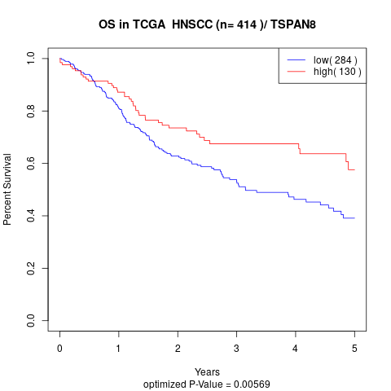

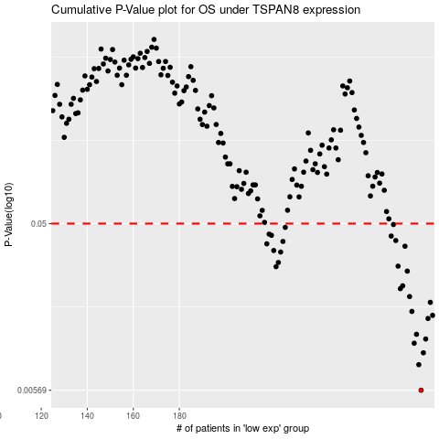

 |  |  |  |  |  | cases_OS | p_OS | rank | exp
 |  |  |  |  |  | 285 | 0.00569 | 232 | -0.22384105401
 |  |  |  |  |  | 284 | 0.00794 | 163 | -0.22400133101
 |  |  |  |  |  | 286 | 0.00927 | 171 | -0.22337782207
 |  |  |  |  |  | 282 | 0.0105 | 307 | -0.22805728182
 |  |  |  |  |  | 287 | 0.0111 | 400 | -0.2231471489
 |  |  |  |  |  | 283 | 0.0118 | 159 | -0.22597808063
 |  |  |  |  |  | 288 | 0.0145 | 329 | -0.22236964833
 |  |  |  |  |  | 290 | 0.0151 | 194 | -0.22055380425
 |  |  |  |  |  | 281 | 0.0159 | 217 | -0.22911888122
 |  |  |  |  |  | 289 | 0.0179 | 278 | -0.22072162369
 |  |  |  |  |  | 280 | 0.0193 | 153 | -0.22942435032
 |  |  |  |  |  | 276 | 0.0214 | 315 | -0.23338664908
 |  |  |  |  |  | 277 | 0.0222 | 177 | -0.23227916646
 |  |  |  |  |  | 279 | 0.0269 | 69 | -0.22973044795
 |  |  |  |  |  | 222 | 0.0285 | 81 | -0.25965259182
 |  |  |  |  |  | 275 | 0.0287 | 208 | -0.23352304166
 |  |  |  |  |  | 223 | 0.0301 | 9 | -0.25862241928
 |  |  |  |  |  | 224 | 0.0345 | 376 | -0.257537564
 |  |  |  |  |  | 221 | 0.0352 | 405 | -0.26007999714
 |  |  |  |  |  | 278 | 0.0372 | 204 | -0.23005540171
 |  |  |  |  |  | 218 | 0.0384 | 104 | -0.26105800109
 |  |  |  |  |  | 225 | 0.0396 | 164 | -0.25752939302
 |  |  |  |  |  | 274 | 0.0401 | 2 | -0.23368646135
 |  |  |  |  |  | 272 | 0.0425 | 335 | -0.23504158763
 |  |  |  |  |  | 220 | 0.0429 | 249 | -0.26008565397
 |  |  |  |  |  | 219 | 0.0436 | 228 | -0.26051997321
 |  |  |  |  |  | 226 | 0.0476 | 105 | -0.25743951219
 |  |  |  |  |  | 273 | 0.0494 | 203 | -0.23501204639
 |  |  |  |  |  |  | cases_RFS | p_RFS | rank | exp
 |  |  |  |  |  |  | 284 | 0.00569 | 163 | -0.22400133101
 |  |  |  |  |  |  | 283 | 0.00794 | 159 | -0.22597808063
 |  |  |  |  |  |  | 285 | 0.00927 | 232 | -0.22384105401
 |  |  |  |  |  |  | 281 | 0.0105 | 217 | -0.22911888122
 |  |  |  |  |  |  | 286 | 0.0111 | 171 | -0.22337782207
 |  |  |  |  |  |  | 282 | 0.0118 | 307 | -0.22805728182
 |  |  |  |  |  |  | 287 | 0.0145 | 400 | -0.2231471489
 |  |  |  |  |  |  | 289 | 0.0151 | 278 | -0.22072162369
 |  |  |  |  |  |  | 280 | 0.0159 | 153 | -0.22942435032
 |  |  |  |  |  |  | 288 | 0.0179 | 329 | -0.22236964833
 |  |  |  |  |  |  | 279 | 0.0193 | 69 | -0.22973044795
 |  |  |  |  |  |  | 275 | 0.0214 | 208 | -0.23352304166
 |  |  |  |  |  |  | 276 | 0.0222 | 315 | -0.23338664908
 |  |  |  |  |  |  | 278 | 0.0269 | 204 | -0.23005540171
 |  |  |  |  |  |  | 221 | 0.0285 | 405 | -0.26007999714
 |  |  |  |  |  |  | 274 | 0.0287 | 2 | -0.23368646135
 |  |  |  |  |  |  | 222 | 0.0301 | 81 | -0.25965259182
 |  |  |  |  |  |  | 223 | 0.0345 | 9 | -0.25862241928
 |  |  |  |  |  |  | 220 | 0.0352 | 249 | -0.26008565397
 |  |  |  |  |  |  | 277 | 0.0372 | 177 | -0.23227916646
 |  |  |  |  |  |  | 217 | 0.0384 | 62 | -0.26123776274
 |  |  |  |  |  |  | 224 | 0.0396 | 376 | -0.257537564
 |  |  |  |  |  |  | 273 | 0.0401 | 203 | -0.23501204639
 |  |  |  |  |  |  | 271 | 0.0425 | 107 | -0.23526660397
 |  |  |  |  |  |  | 219 | 0.0429 | 228 | -0.26051997321
 |  |  |  |  |  |  | 218 | 0.0436 | 104 | -0.26105800109
 |  |  |  |  |  |  | 225 | 0.0476 | 164 | -0.25752939302
 |  |  |  |  |  |  | 272 | 0.0494 | 335 | -0.23504158763

