TSPO _multivariate
Reported by Tex Li-Hsing Chi. tex@gate.sinica.edu.tw 2019-08-15

Table 2. The clinicopathological features of HNSCC cohort and TSPO expression. (Chi square test)
Cutoff at -0.263 (50.0%)
 |  | TSPO expression |  | TSPO expression |  | (Optimised)
 | Features | Low | (%) | High | (%) | Case no | P-value | Remark | Matthews
Gender | Female | 155 | 37.3 | 151 | 36.4 | 415 | 0.6768 | 0 | 0
2 | Male | 52 | 12.5 | 57 | 13.7
Age at diagnosis | <=65y | 139 | 33.5 | 135 | 32.5 | 415 | 0.7044 | 0 | 0
4 | >65y | 68 | 16.4 | 73 | 17.6
Clinical T Status | T1+T2 | 74 | 17.8 | 75 | 18.1 | 415 | 1 | 0 | 0
6 | T3+T4 | 133 | 32 | 133 | 32
Clinical N Status | N0 | 107 | 25.8 | 109 | 26.3 | 415 | 0.9624 | 0 | 0
8 | N1-3 | 100 | 24.1 | 99 | 23.9
Clinical M Status | M0 | 207 | 49.9 | 205 | 49.4 | 415 | 0.2482 | 0 | 0
10 | M1 | 0 | 0 | 3 | 0.7
Clinical Stage | Stage I+II | 54 | 13 | 48 | 11.6 | 415 | 0.5498 | 0 | 0
12 | Stage III+IV | 153 | 36.9 | 160 | 38.6
Surgical Margin status | Negative | 161 | 38.8 | 157 | 37.8 | 415 | 0.6429 | 0 | 0
14 | Positive | 46 | 11.1 | 51 | 12.3
Tobacco Exposure | Low | 71 | 17.1 | 90 | 21.7 | 415 | 0.0698 | 0 | 0
16 | High | 136 | 32.8 | 118 | 28.4

Table 3. Univariate/Multivariate Cox's proportional hazards regression analyses on OS time of TSPO gene expression in HNSCC

 |  | Univariate |  |  |  | Multivariate
 | Features | HR | CI95%(L) | CI95%(H) | P-value | HR | CI95%(L) | CI95%(H) | P-value
1 | Female | 1 |  |  |  | 1
Gender | Male | 1.157 | 0.843 | 1.587 | 0.367 | 1.207 | 0.865 | 1.685 | 0.269
11 | <=65y | 1 |  |  |  | 1
Age at diagnosis | >65y | 1.329 | 0.99 | 1.784 | 0.058 | 1.378 | 1.013 | 1.874 | 0.041
12 | T1+T2 | 1 |  |  |  | 1
Clinical T Status | T3+T4 | 1.409 | 1.028 | 1.931 | 0.033 | 2.153 | 1.137 | 4.077 | 0.019
13 | N0 | 1 |  |  |  | 1
Clinical N Status | N1-3 | 1.185 | 0.89 | 1.577 | 0.246 | 1.22 | 0.854 | 1.743 | 0.274
14 | M0 | 1 |  |  |  | 1
Clinical M Status | M1 | 4.097 | 1.009 | 16.644 | 0.049 | 10.172 | 2.206 | 46.906 | 0.003
15 | Stage I+II | 1 |  |  |  | 1
Clinical Stage | Stage III+IV | 1.245 | 0.882 | 1.759 | 0.213 | 0.521 | 0.242 | 1.122 | 0.096
16 | Negative | 1 |  |  |  | 1
Surgical Margin status | Positive | 1.591 | 1.155 | 2.191 | 0.004 | 1.681 | 1.216 | 2.324 | 0.002
17 | Low | 1 |  |  |  | 1
Tobacco Exposure | High | 1.364 | 1.008 | 1.844 | 0.044 | 1.453 | 1.055 | 2.002 | 0.022
18 | Low | 1 |  |  |  | 1
RNAseq(z-score) | High | 0.842 | 0.632 | 1.122 | 0.24 | 0.839 | 0.627 | 1.122 | 0.236

Table 4. Univariate/Multivariate Cox's proportional hazards regression analyses on RFS time of TSPO gene expression in HNSCC

 |  | Univariate |  |  |  | Multivariate
 | Features | HR | CI95%(L) | CI95%(H) | P-value | HR | CI95%(L) | CI95%(H) | P-value
1 | Female | 1 |  |  |  | 1
Gender | Male | 1.157 | 0.843 | 1.587 | 0.367 | 1.207 | 0.865 | 1.685 | 0.269
11 | <=65y | 1 |  |  |  | 1
Age at diagnosis | >65y | 1.329 | 0.99 | 1.784 | 0.058 | 1.378 | 1.013 | 1.874 | 0.041
12 | T1+T2 | 1 |  |  |  | 1
Clinical T Status | T3+T4 | 1.409 | 1.028 | 1.931 | 0.033 | 2.153 | 1.137 | 4.077 | 0.019
13 | N0 | 1 |  |  |  | 1
Clinical N Status | N1-3 | 1.185 | 0.89 | 1.577 | 0.246 | 1.22 | 0.854 | 1.743 | 0.274
14 | M0 | 1 |  |  |  | 1
Clinical M Status | M1 | 4.097 | 1.009 | 16.644 | 0.049 | 10.172 | 2.206 | 46.906 | 0.003
15 | Stage I+II | 1 |  |  |  | 1
Clinical Stage | Stage III+IV | 1.245 | 0.882 | 1.759 | 0.213 | 0.521 | 0.242 | 1.122 | 0.096
16 | Negative | 1 |  |  |  | 1
Surgical Margin status | Positive | 1.591 | 1.155 | 2.191 | 0.004 | 1.681 | 1.216 | 2.324 | 0.002
17 | Low | 1 |  |  |  | 1
Tobacco Exposure | High | 1.364 | 1.008 | 1.844 | 0.044 | 1.453 | 1.055 | 2.002 | 0.022
18 | Low | 1 |  |  |  | 1
RNAseq(z-score) | High | 0.842 | 0.632 | 1.122 | 0.24 | 0.839 | 0.627 | 1.122 | 0.236

Kaplan-Meier survival estimate: Cutoff at -0.263 (50.0%)



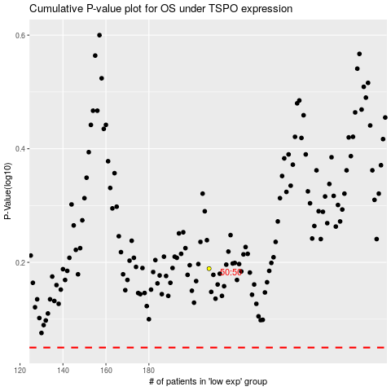

 |  |  |  |  |  | cases_OS | p_OS | rank | exp
 |  |  |  |  |  |  | cases_RFS | p_RFS | rank | exp

