TSPYL3 _multivariate
Reported by Tex Li-Hsing Chi. tex@gate.sinica.edu.tw 2019-08-15

Table 2. The clinicopathological features of HNSCC cohort and TSPYL3 expression. (Chi square test)
Cutoff at -0.135 (62.6%)
 |  | TSPYL3 expression |  | TSPYL3 expression |  | (Optimised)
 | Features | Low | (%) | High | (%) | Case no | P-value | Remark | Matthews
Gender | Female | 181 | 43.6 | 125 | 30.1 | 415 | 0.0185 | 1 | 0
2 | Male | 79 | 19 | 30 | 7.2
Age at diagnosis | <=65y | 165 | 39.8 | 109 | 26.3 | 415 | 0.1867 | 0 | 0
4 | >65y | 95 | 22.9 | 46 | 11.1
Clinical T Status | T1+T2 | 94 | 22.7 | 55 | 13.3 | 415 | 0.9746 | 0 | 0
6 | T3+T4 | 166 | 40 | 100 | 24.1
Clinical N Status | N0 | 131 | 31.6 | 85 | 20.5 | 415 | 0.4371 | 0 | 0
8 | N1-3 | 129 | 31.1 | 70 | 16.9
Clinical M Status | M0 | 257 | 61.9 | 155 | 37.3 | 415 | 0.2963 | 0 | 0
10 | M1 | 3 | 0.7 | 0 | 0
Clinical Stage | Stage I+II | 66 | 15.9 | 36 | 8.7 | 415 | 0.7067 | 0 | 0
12 | Stage III+IV | 194 | 46.7 | 119 | 28.7
Surgical Margin status | Negative | 192 | 46.3 | 126 | 30.4 | 415 | 0.0936 | 0 | 0
14 | Positive | 68 | 16.4 | 29 | 7
Tobacco Exposure | Low | 122 | 29.4 | 39 | 9.4 | 415 | 0 | 1 | 0
16 | High | 138 | 33.3 | 116 | 28

Table 3. Univariate/Multivariate Cox's proportional hazards regression analyses on OS time of TSPYL3 gene expression in HNSCC

 |  | Univariate |  |  |  | Multivariate
 | Features | HR | CI95%(L) | CI95%(H) | P-value | HR | CI95%(L) | CI95%(H) | P-value
1 | Female | 1 |  |  |  | 1
Gender | Male | 1.157 | 0.843 | 1.587 | 0.367 | 1.151 | 0.822 | 1.612 | 0.412
11 | <=65y | 1 |  |  |  | 1
Age at diagnosis | >65y | 1.329 | 0.99 | 1.784 | 0.058 | 1.386 | 1.02 | 1.883 | 0.037
12 | T1+T2 | 1 |  |  |  | 1
Clinical T Status | T3+T4 | 1.409 | 1.028 | 1.931 | 0.033 | 2.133 | 1.128 | 4.031 | 0.02
13 | N0 | 1 |  |  |  | 1
Clinical N Status | N1-3 | 1.185 | 0.89 | 1.577 | 0.246 | 1.216 | 0.852 | 1.733 | 0.281
14 | M0 | 1 |  |  |  | 1
Clinical M Status | M1 | 4.097 | 1.009 | 16.644 | 0.049 | 7.979 | 1.731 | 36.77 | 0.008
15 | Stage I+II | 1 |  |  |  | 1
Clinical Stage | Stage III+IV | 1.245 | 0.882 | 1.759 | 0.213 | 0.536 | 0.25 | 1.153 | 0.11
16 | Negative | 1 |  |  |  | 1
Surgical Margin status | Positive | 1.591 | 1.155 | 2.191 | 0.004 | 1.583 | 1.142 | 2.192 | 0.006
17 | Low | 1 |  |  |  | 1
Tobacco Exposure | High | 1.364 | 1.008 | 1.844 | 0.044 | 1.556 | 1.122 | 2.156 | 0.008
18 | Low | 1 |  |  |  | 1
RNAseq(z-score) | High | 0.689 | 0.508 | 0.934 | 0.017 | 0.696 | 0.505 | 0.957 | 0.026

Table 4. Univariate/Multivariate Cox's proportional hazards regression analyses on RFS time of TSPYL3 gene expression in HNSCC

 |  | Univariate |  |  |  | Multivariate
 | Features | HR | CI95%(L) | CI95%(H) | P-value | HR | CI95%(L) | CI95%(H) | P-value
1 | Female | 1 |  |  |  | 1
Gender | Male | 1.157 | 0.843 | 1.587 | 0.367 | 1.151 | 0.822 | 1.612 | 0.412
11 | <=65y | 1 |  |  |  | 1
Age at diagnosis | >65y | 1.329 | 0.99 | 1.784 | 0.058 | 1.386 | 1.02 | 1.883 | 0.037
12 | T1+T2 | 1 |  |  |  | 1
Clinical T Status | T3+T4 | 1.409 | 1.028 | 1.931 | 0.033 | 2.133 | 1.128 | 4.031 | 0.02
13 | N0 | 1 |  |  |  | 1
Clinical N Status | N1-3 | 1.185 | 0.89 | 1.577 | 0.246 | 1.216 | 0.852 | 1.733 | 0.281
14 | M0 | 1 |  |  |  | 1
Clinical M Status | M1 | 4.097 | 1.009 | 16.644 | 0.049 | 7.979 | 1.731 | 36.77 | 0.008
15 | Stage I+II | 1 |  |  |  | 1
Clinical Stage | Stage III+IV | 1.245 | 0.882 | 1.759 | 0.213 | 0.536 | 0.25 | 1.153 | 0.11
16 | Negative | 1 |  |  |  | 1
Surgical Margin status | Positive | 1.591 | 1.155 | 2.191 | 0.004 | 1.583 | 1.142 | 2.192 | 0.006
17 | Low | 1 |  |  |  | 1
Tobacco Exposure | High | 1.364 | 1.008 | 1.844 | 0.044 | 1.556 | 1.122 | 2.156 | 0.008
18 | Low | 1 |  |  |  | 1
RNAseq(z-score) | High | 0.689 | 0.508 | 0.934 | 0.017 | 0.696 | 0.505 | 0.957 | 0.026

Kaplan-Meier survival estimate: Cutoff at -0.135 (62.6%)

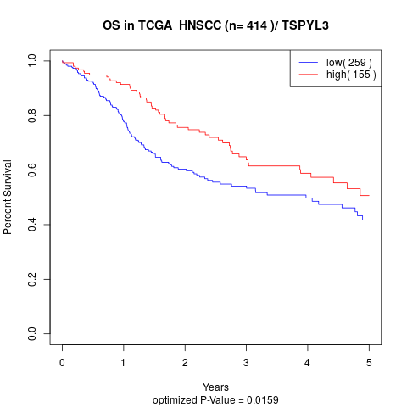

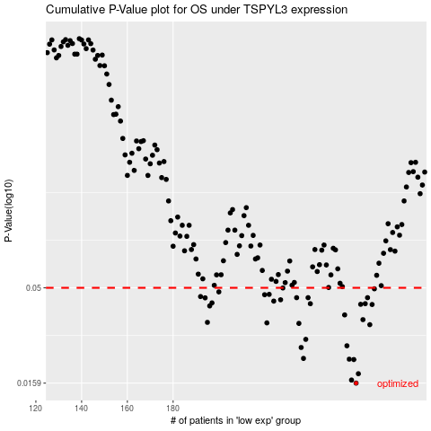

 |  |  |  |  |  | cases_OS | p_OS | rank | exp
 |  |  |  |  |  | 260 | 0.0159 | 147 | -0.13538891377
 |  |  |  |  |  | 258 | 0.0165 | 165 | -0.14313420195
 |  |  |  |  |  | 261 | 0.0178 | 245 | -0.13153821989
 |  |  |  |  |  | 259 | 0.0211 | 163 | -0.14240043781
 |  |  |  |  |  | 257 | 0.0212 | 200 | -0.14845242411
 |  |  |  |  |  | 237 | 0.0214 | 152 | -0.23741975858
 |  |  |  |  |  | 236 | 0.0244 | 278 | -0.2386489703
 |  |  |  |  |  | 256 | 0.0249 | 3 | -0.15059100166
 |  |  |  |  |  | 238 | 0.0269 | 205 | -0.23400806889
 |  |  |  |  |  | 266 | 0.0321 | 73 | -0.11054127672
 |  |  |  |  |  | 235 | 0.0326 | 372 | -0.24374769037
 |  |  |  |  |  | 221 | 0.0328 | 57 | -0.28362181363
 |  |  |  |  |  | 195 | 0.033 | 324 | -0.34123797757
 |  |  |  |  |  | 263 | 0.0341 | 160 | -0.12723597885
 |  |  |  |  |  | 255 | 0.0361 | 297 | -0.15474899847
 |  |  |  |  |  | 196 | 0.0402 | 277 | -0.33932517361
 |  |  |  |  |  | 267 | 0.0409 | 174 | -0.10773792141
 |  |  |  |  |  | 262 | 0.041 | 82 | -0.12825823146
 |  |  |  |  |  | 240 | 0.0413 | 26 | -0.21627857117
 |  |  |  |  |  | 264 | 0.0413 | 46 | -0.12361105855
 |  |  |  |  |  | 197 | 0.0417 | 34 | -0.33850360863
 |  |  |  |  |  | 224 | 0.0426 | 106 | -0.27591415438
 |  |  |  |  |  | 227 | 0.0433 | 96 | -0.26176567655
 |  |  |  |  |  | 194 | 0.0443 | 68 | -0.34259889056
 |  |  |  |  |  | 239 | 0.0444 | 7 | -0.22283854804
 |  |  |  |  |  | 265 | 0.0444 | 61 | -0.11370210688
 |  |  |  |  |  | 234 | 0.0444 | 199 | -0.24390447758
 |  |  |  |  |  | 192 | 0.045 | 169 | -0.34977974478
 |  |  |  |  |  | 220 | 0.046 | 85 | -0.28636872555
 |  |  |  |  |  | 222 | 0.0462 | 164 | -0.28290059246
 |  |  |  |  |  | 200 | 0.0476 | 84 | -0.33154852799
 |  |  |  |  |  | 268 | 0.0494 | 407 | -0.084640029627
 |  |  |  |  |  | 228 | 0.0499 | 313 | -0.25629693866
 |  |  |  |  |  |  | cases_RFS | p_RFS | rank | exp
 |  |  |  |  |  |  | 259 | 0.0159 | 163 | -0.14240043781
 |  |  |  |  |  |  | 257 | 0.0165 | 200 | -0.14845242411
 |  |  |  |  |  |  | 260 | 0.0178 | 147 | -0.13538891377
 |  |  |  |  |  |  | 258 | 0.0211 | 165 | -0.14313420195
 |  |  |  |  |  |  | 256 | 0.0212 | 3 | -0.15059100166
 |  |  |  |  |  |  | 236 | 0.0214 | 278 | -0.2386489703
 |  |  |  |  |  |  | 235 | 0.0244 | 372 | -0.24374769037
 |  |  |  |  |  |  | 255 | 0.0249 | 297 | -0.15474899847
 |  |  |  |  |  |  | 237 | 0.0269 | 152 | -0.23741975858
 |  |  |  |  |  |  | 265 | 0.0321 | 61 | -0.11370210688
 |  |  |  |  |  |  | 234 | 0.0326 | 199 | -0.24390447758
 |  |  |  |  |  |  | 220 | 0.0328 | 85 | -0.28636872555
 |  |  |  |  |  |  | 194 | 0.033 | 68 | -0.34259889056
 |  |  |  |  |  |  | 262 | 0.0341 | 82 | -0.12825823146
 |  |  |  |  |  |  | 254 | 0.0361 | 257 | -0.15589668084
 |  |  |  |  |  |  | 195 | 0.0402 | 324 | -0.34123797757
 |  |  |  |  |  |  | 266 | 0.0409 | 73 | -0.11054127672
 |  |  |  |  |  |  | 261 | 0.041 | 245 | -0.13153821989
 |  |  |  |  |  |  | 239 | 0.0413 | 7 | -0.22283854804
 |  |  |  |  |  |  | 263 | 0.0413 | 160 | -0.12723597885
 |  |  |  |  |  |  | 196 | 0.0417 | 277 | -0.33932517361
 |  |  |  |  |  |  | 223 | 0.0426 | 186 | -0.28093761659
 |  |  |  |  |  |  | 226 | 0.0433 | 70 | -0.26973046682
 |  |  |  |  |  |  | 193 | 0.0443 | 404 | -0.34871359175
 |  |  |  |  |  |  | 264 | 0.0444 | 46 | -0.12361105855
 |  |  |  |  |  |  | 233 | 0.0444 | 76 | -0.24767364211
 |  |  |  |  |  |  | 238 | 0.0444 | 205 | -0.23400806889
 |  |  |  |  |  |  | 191 | 0.045 | 387 | -0.35282141665
 |  |  |  |  |  |  | 219 | 0.046 | 196 | -0.29080266785
 |  |  |  |  |  |  | 221 | 0.0462 | 57 | -0.28362181363
 |  |  |  |  |  |  | 199 | 0.0476 | 107 | -0.33655317574
 |  |  |  |  |  |  | 267 | 0.0494 | 174 | -0.10773792141
 |  |  |  |  |  |  | 227 | 0.0499 | 96 | -0.26176567655

