TSPYL4 _multivariate
Reported by Tex Li-Hsing Chi. tex@gate.sinica.edu.tw 2019-08-15

Table 2. The clinicopathological features of HNSCC cohort and TSPYL4 expression. (Chi square test)
Cutoff at -0.289 (49.8%)
 |  | TSPYL4 expression |  | TSPYL4 expression |  | (Optimised)
 | Features | Low | (%) | High | (%) | Case no | P-value | Remark | Matthews
Gender | Female | 144 | 34.7 | 162 | 39 | 415 | 0.0697 | 0 | 0
2 | Male | 63 | 15.2 | 46 | 11.1
Age at diagnosis | <=65y | 133 | 32 | 141 | 34 | 415 | 0.5111 | 0 | 0
4 | >65y | 74 | 17.8 | 67 | 16.1
Clinical T Status | T1+T2 | 73 | 17.6 | 76 | 18.3 | 415 | 0.8666 | 0 | 0
6 | T3+T4 | 134 | 32.3 | 132 | 31.8
Clinical N Status | N0 | 108 | 26 | 108 | 26 | 415 | 1 | 0 | 0
8 | N1-3 | 99 | 23.9 | 100 | 24.1
Clinical M Status | M0 | 204 | 49.2 | 208 | 50.1 | 415 | 0.1232 | 0 | 0
10 | M1 | 3 | 0.7 | 0 | 0
Clinical Stage | Stage I+II | 48 | 11.6 | 54 | 13 | 415 | 0.5878 | 0 | 0
12 | Stage III+IV | 159 | 38.3 | 154 | 37.1
Surgical Margin status | Negative | 160 | 38.6 | 158 | 38.1 | 415 | 0.8167 | 0 | 0
14 | Positive | 47 | 11.3 | 50 | 12
Tobacco Exposure | Low | 90 | 21.7 | 71 | 17.1 | 415 | 0.0559 | 0 | 0
16 | High | 117 | 28.2 | 137 | 33

Table 3. Univariate/Multivariate Cox's proportional hazards regression analyses on OS time of TSPYL4 gene expression in HNSCC

 |  | Univariate |  |  |  | Multivariate
 | Features | HR | CI95%(L) | CI95%(H) | P-value | HR | CI95%(L) | CI95%(H) | P-value
1 | Female | 1 |  |  |  | 1
Gender | Male | 1.157 | 0.843 | 1.587 | 0.367 | 1.217 | 0.87 | 1.702 | 0.252
11 | <=65y | 1 |  |  |  | 1
Age at diagnosis | >65y | 1.329 | 0.99 | 1.784 | 0.058 | 1.391 | 1.023 | 1.892 | 0.035
12 | T1+T2 | 1 |  |  |  | 1
Clinical T Status | T3+T4 | 1.409 | 1.028 | 1.931 | 0.033 | 2.191 | 1.158 | 4.145 | 0.016
13 | N0 | 1 |  |  |  | 1
Clinical N Status | N1-3 | 1.185 | 0.89 | 1.577 | 0.246 | 1.235 | 0.865 | 1.762 | 0.246
14 | M0 | 1 |  |  |  | 1
Clinical M Status | M1 | 4.097 | 1.009 | 16.644 | 0.049 | 9.935 | 2.15 | 45.903 | 0.003
15 | Stage I+II | 1 |  |  |  | 1
Clinical Stage | Stage III+IV | 1.245 | 0.882 | 1.759 | 0.213 | 0.509 | 0.237 | 1.094 | 0.083
16 | Negative | 1 |  |  |  | 1
Surgical Margin status | Positive | 1.591 | 1.155 | 2.191 | 0.004 | 1.683 | 1.217 | 2.327 | 0.002
17 | Low | 1 |  |  |  | 1
Tobacco Exposure | High | 1.364 | 1.008 | 1.844 | 0.044 | 1.438 | 1.043 | 1.983 | 0.027
18 | Low | 1 |  |  |  | 1
RNAseq(z-score) | High | 1.067 | 0.802 | 1.421 | 0.655 | 1.111 | 0.829 | 1.489 | 0.479

Table 4. Univariate/Multivariate Cox's proportional hazards regression analyses on RFS time of TSPYL4 gene expression in HNSCC

 |  | Univariate |  |  |  | Multivariate
 | Features | HR | CI95%(L) | CI95%(H) | P-value | HR | CI95%(L) | CI95%(H) | P-value
1 | Female | 1 |  |  |  | 1
Gender | Male | 1.157 | 0.843 | 1.587 | 0.367 | 1.217 | 0.87 | 1.702 | 0.252
11 | <=65y | 1 |  |  |  | 1
Age at diagnosis | >65y | 1.329 | 0.99 | 1.784 | 0.058 | 1.391 | 1.023 | 1.892 | 0.035
12 | T1+T2 | 1 |  |  |  | 1
Clinical T Status | T3+T4 | 1.409 | 1.028 | 1.931 | 0.033 | 2.191 | 1.158 | 4.145 | 0.016
13 | N0 | 1 |  |  |  | 1
Clinical N Status | N1-3 | 1.185 | 0.89 | 1.577 | 0.246 | 1.235 | 0.865 | 1.762 | 0.246
14 | M0 | 1 |  |  |  | 1
Clinical M Status | M1 | 4.097 | 1.009 | 16.644 | 0.049 | 9.935 | 2.15 | 45.903 | 0.003
15 | Stage I+II | 1 |  |  |  | 1
Clinical Stage | Stage III+IV | 1.245 | 0.882 | 1.759 | 0.213 | 0.509 | 0.237 | 1.094 | 0.083
16 | Negative | 1 |  |  |  | 1
Surgical Margin status | Positive | 1.591 | 1.155 | 2.191 | 0.004 | 1.683 | 1.217 | 2.327 | 0.002
17 | Low | 1 |  |  |  | 1
Tobacco Exposure | High | 1.364 | 1.008 | 1.844 | 0.044 | 1.438 | 1.043 | 1.983 | 0.027
18 | Low | 1 |  |  |  | 1
RNAseq(z-score) | High | 1.067 | 0.802 | 1.421 | 0.655 | 1.111 | 0.829 | 1.489 | 0.479

Kaplan-Meier survival estimate: Cutoff at -0.289 (49.8%)



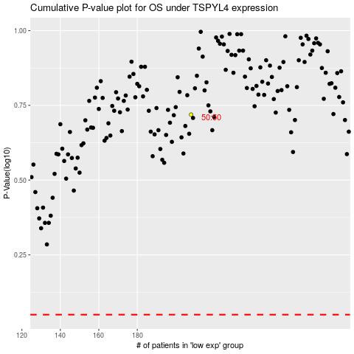

 |  |  |  |  |  | cases_OS | p_OS | rank | exp
 |  |  |  |  |  |  | cases_RFS | p_RFS | rank | exp

