TSR1 _multivariate
Reported by Tex Li-Hsing Chi. tex@gate.sinica.edu.tw 2019-08-15

Table 2. The clinicopathological features of HNSCC cohort and TSR1 expression. (Chi square test)
Cutoff at -0.047 (50.0%)
 |  | TSR1 expression |  | TSR1 expression |  | (Optimised)
 | Features | Low | (%) | High | (%) | Case no | P-value | Remark | Matthews
Gender | Female | 153 | 36.9 | 153 | 36.9 | 415 | 1 | 0 | 0
2 | Male | 54 | 13 | 55 | 13.3
Age at diagnosis | <=65y | 142 | 34.2 | 132 | 31.8 | 415 | 0.3167 | 0 | 0
4 | >65y | 65 | 15.7 | 76 | 18.3
Clinical T Status | T1+T2 | 91 | 21.9 | 58 | 14 | 415 | 9e-04 | 1 | 0
6 | T3+T4 | 116 | 28 | 150 | 36.1
Clinical N Status | N0 | 115 | 27.7 | 101 | 24.3 | 415 | 0.184 | 1 | 0
8 | N1-3 | 92 | 22.2 | 107 | 25.8
Clinical M Status | M0 | 205 | 49.4 | 207 | 49.9 | 415 | 0.6232 | 0 | 0
10 | M1 | 2 | 0.5 | 1 | 0.2
Clinical Stage | Stage I+II | 62 | 14.9 | 40 | 9.6 | 415 | 0.0154 | 1 | 0
12 | Stage III+IV | 145 | 34.9 | 168 | 40.5
Surgical Margin status | Negative | 153 | 36.9 | 165 | 39.8 | 415 | 0.2036 | 0 | 0
14 | Positive | 54 | 13 | 43 | 10.4
Tobacco Exposure | Low | 84 | 20.2 | 77 | 18.6 | 415 | 0.4816 | 0 | 0
16 | High | 123 | 29.6 | 131 | 31.6

Table 3. Univariate/Multivariate Cox's proportional hazards regression analyses on OS time of TSR1 gene expression in HNSCC

 |  | Univariate |  |  |  | Multivariate
 | Features | HR | CI95%(L) | CI95%(H) | P-value | HR | CI95%(L) | CI95%(H) | P-value
1 | Female | 1 |  |  |  | 1
Gender | Male | 1.157 | 0.843 | 1.587 | 0.367 | 1.201 | 0.859 | 1.68 | 0.284
11 | <=65y | 1 |  |  |  | 1
Age at diagnosis | >65y | 1.329 | 0.99 | 1.784 | 0.058 | 1.385 | 1.018 | 1.884 | 0.038
12 | T1+T2 | 1 |  |  |  | 1
Clinical T Status | T3+T4 | 1.409 | 1.028 | 1.931 | 0.033 | 2.099 | 1.107 | 3.979 | 0.023
13 | N0 | 1 |  |  |  | 1
Clinical N Status | N1-3 | 1.185 | 0.89 | 1.577 | 0.246 | 1.234 | 0.864 | 1.761 | 0.247
14 | M0 | 1 |  |  |  | 1
Clinical M Status | M1 | 4.097 | 1.009 | 16.644 | 0.049 | 9.409 | 2.053 | 43.124 | 0.004
15 | Stage I+II | 1 |  |  |  | 1
Clinical Stage | Stage III+IV | 1.245 | 0.882 | 1.759 | 0.213 | 0.513 | 0.239 | 1.103 | 0.087
16 | Negative | 1 |  |  |  | 1
Surgical Margin status | Positive | 1.591 | 1.155 | 2.191 | 0.004 | 1.723 | 1.245 | 2.386 | 0.001
17 | Low | 1 |  |  |  | 1
Tobacco Exposure | High | 1.364 | 1.008 | 1.844 | 0.044 | 1.469 | 1.065 | 2.026 | 0.019
18 | Low | 1 |  |  |  | 1
RNAseq(z-score) | High | 1.29 | 0.966 | 1.723 | 0.084 | 1.272 | 0.947 | 1.709 | 0.109

Table 4. Univariate/Multivariate Cox's proportional hazards regression analyses on RFS time of TSR1 gene expression in HNSCC

 |  | Univariate |  |  |  | Multivariate
 | Features | HR | CI95%(L) | CI95%(H) | P-value | HR | CI95%(L) | CI95%(H) | P-value
1 | Female | 1 |  |  |  | 1
Gender | Male | 1.157 | 0.843 | 1.587 | 0.367 | 1.201 | 0.859 | 1.68 | 0.284
11 | <=65y | 1 |  |  |  | 1
Age at diagnosis | >65y | 1.329 | 0.99 | 1.784 | 0.058 | 1.385 | 1.018 | 1.884 | 0.038
12 | T1+T2 | 1 |  |  |  | 1
Clinical T Status | T3+T4 | 1.409 | 1.028 | 1.931 | 0.033 | 2.099 | 1.107 | 3.979 | 0.023
13 | N0 | 1 |  |  |  | 1
Clinical N Status | N1-3 | 1.185 | 0.89 | 1.577 | 0.246 | 1.234 | 0.864 | 1.761 | 0.247
14 | M0 | 1 |  |  |  | 1
Clinical M Status | M1 | 4.097 | 1.009 | 16.644 | 0.049 | 9.409 | 2.053 | 43.124 | 0.004
15 | Stage I+II | 1 |  |  |  | 1
Clinical Stage | Stage III+IV | 1.245 | 0.882 | 1.759 | 0.213 | 0.513 | 0.239 | 1.103 | 0.087
16 | Negative | 1 |  |  |  | 1
Surgical Margin status | Positive | 1.591 | 1.155 | 2.191 | 0.004 | 1.723 | 1.245 | 2.386 | 0.001
17 | Low | 1 |  |  |  | 1
Tobacco Exposure | High | 1.364 | 1.008 | 1.844 | 0.044 | 1.469 | 1.065 | 2.026 | 0.019
18 | Low | 1 |  |  |  | 1
RNAseq(z-score) | High | 1.29 | 0.966 | 1.723 | 0.084 | 1.272 | 0.947 | 1.709 | 0.109

Kaplan-Meier survival estimate: Cutoff at -0.047 (50.0%)



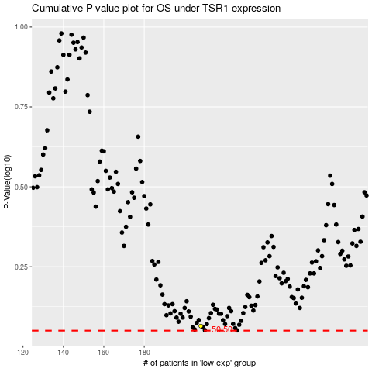

 |  |  |  |  |  | cases_OS | p_OS | rank | exp
 |  |  |  |  |  |  | cases_RFS | p_RFS | rank | exp

