TSSC1 _multivariate
Reported by Tex Li-Hsing Chi. tex@gate.sinica.edu.tw 2019-08-15

Table 2. The clinicopathological features of HNSCC cohort and TSSC1 expression. (Chi square test)
Cutoff at -0.151 (50.0%)
 |  | TSSC1 expression |  | TSSC1 expression |  | (Optimised)
 | Features | Low | (%) | High | (%) | Case no | P-value | Remark | Matthews
Gender | Female | 144 | 34.7 | 162 | 39 | 415 | 0.0697 | 0 | 0
2 | Male | 63 | 15.2 | 46 | 11.1
Age at diagnosis | <=65y | 138 | 33.3 | 136 | 32.8 | 415 | 0.8634 | 0 | 0
4 | >65y | 69 | 16.6 | 72 | 17.3
Clinical T Status | T1+T2 | 88 | 21.2 | 61 | 14.7 | 415 | 0.007 | 1 | 0
6 | T3+T4 | 119 | 28.7 | 147 | 35.4
Clinical N Status | N0 | 108 | 26 | 108 | 26 | 415 | 1 | 0 | 0
8 | N1-3 | 99 | 23.9 | 100 | 24.1
Clinical M Status | M0 | 207 | 49.9 | 205 | 49.4 | 415 | 0.2482 | 0 | 0
10 | M1 | 0 | 0 | 3 | 0.7
Clinical Stage | Stage I+II | 61 | 14.7 | 41 | 9.9 | 415 | 0.0282 | 1 | 0
12 | Stage III+IV | 146 | 35.2 | 167 | 40.2
Surgical Margin status | Negative | 160 | 38.6 | 158 | 38.1 | 415 | 0.8167 | 0 | 0
14 | Positive | 47 | 11.3 | 50 | 12
Tobacco Exposure | Low | 91 | 21.9 | 70 | 16.9 | 415 | 0.0346 | 1 | 0
16 | High | 116 | 28 | 138 | 33.3

Table 3. Univariate/Multivariate Cox's proportional hazards regression analyses on OS time of TSSC1 gene expression in HNSCC

 |  | Univariate |  |  |  | Multivariate
 | Features | HR | CI95%(L) | CI95%(H) | P-value | HR | CI95%(L) | CI95%(H) | P-value
1 | Female | 1 |  |  |  | 1
Gender | Male | 1.157 | 0.843 | 1.587 | 0.367 | 1.192 | 0.853 | 1.667 | 0.304
11 | <=65y | 1 |  |  |  | 1
Age at diagnosis | >65y | 1.329 | 0.99 | 1.784 | 0.058 | 1.396 | 1.027 | 1.899 | 0.033
12 | T1+T2 | 1 |  |  |  | 1
Clinical T Status | T3+T4 | 1.409 | 1.028 | 1.931 | 0.033 | 2.223 | 1.175 | 4.206 | 0.014
13 | N0 | 1 |  |  |  | 1
Clinical N Status | N1-3 | 1.185 | 0.89 | 1.577 | 0.246 | 1.232 | 0.863 | 1.76 | 0.25
14 | M0 | 1 |  |  |  | 1
Clinical M Status | M1 | 4.097 | 1.009 | 16.644 | 0.049 | 9.939 | 2.145 | 46.056 | 0.003
15 | Stage I+II | 1 |  |  |  | 1
Clinical Stage | Stage III+IV | 1.245 | 0.882 | 1.759 | 0.213 | 0.505 | 0.235 | 1.084 | 0.08
16 | Negative | 1 |  |  |  | 1
Surgical Margin status | Positive | 1.591 | 1.155 | 2.191 | 0.004 | 1.679 | 1.215 | 2.321 | 0.002
17 | Low | 1 |  |  |  | 1
Tobacco Exposure | High | 1.364 | 1.008 | 1.844 | 0.044 | 1.471 | 1.065 | 2.031 | 0.019
18 | Low | 1 |  |  |  | 1
RNAseq(z-score) | High | 1.009 | 0.757 | 1.346 | 0.951 | 0.913 | 0.679 | 1.228 | 0.549

Table 4. Univariate/Multivariate Cox's proportional hazards regression analyses on RFS time of TSSC1 gene expression in HNSCC

 |  | Univariate |  |  |  | Multivariate
 | Features | HR | CI95%(L) | CI95%(H) | P-value | HR | CI95%(L) | CI95%(H) | P-value
1 | Female | 1 |  |  |  | 1
Gender | Male | 1.157 | 0.843 | 1.587 | 0.367 | 1.192 | 0.853 | 1.667 | 0.304
11 | <=65y | 1 |  |  |  | 1
Age at diagnosis | >65y | 1.329 | 0.99 | 1.784 | 0.058 | 1.396 | 1.027 | 1.899 | 0.033
12 | T1+T2 | 1 |  |  |  | 1
Clinical T Status | T3+T4 | 1.409 | 1.028 | 1.931 | 0.033 | 2.223 | 1.175 | 4.206 | 0.014
13 | N0 | 1 |  |  |  | 1
Clinical N Status | N1-3 | 1.185 | 0.89 | 1.577 | 0.246 | 1.232 | 0.863 | 1.76 | 0.25
14 | M0 | 1 |  |  |  | 1
Clinical M Status | M1 | 4.097 | 1.009 | 16.644 | 0.049 | 9.939 | 2.145 | 46.056 | 0.003
15 | Stage I+II | 1 |  |  |  | 1
Clinical Stage | Stage III+IV | 1.245 | 0.882 | 1.759 | 0.213 | 0.505 | 0.235 | 1.084 | 0.08
16 | Negative | 1 |  |  |  | 1
Surgical Margin status | Positive | 1.591 | 1.155 | 2.191 | 0.004 | 1.679 | 1.215 | 2.321 | 0.002
17 | Low | 1 |  |  |  | 1
Tobacco Exposure | High | 1.364 | 1.008 | 1.844 | 0.044 | 1.471 | 1.065 | 2.031 | 0.019
18 | Low | 1 |  |  |  | 1
RNAseq(z-score) | High | 1.009 | 0.757 | 1.346 | 0.951 | 0.913 | 0.679 | 1.228 | 0.549

Kaplan-Meier survival estimate: Cutoff at -0.151 (50.0%)



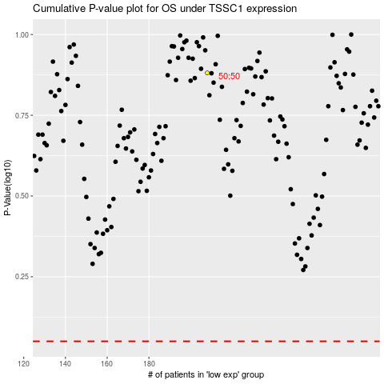

 |  |  |  |  |  | cases_OS | p_OS | rank | exp
 |  |  |  |  |  |  | cases_RFS | p_RFS | rank | exp

