TST _multivariate
Reported by Tex Li-Hsing Chi. tex@gate.sinica.edu.tw 2019-08-15

Table 2. The clinicopathological features of HNSCC cohort and TST expression. (Chi square test)
Cutoff at -0.368 (50.0%)
 |  | TST expression |  | TST expression |  | (Optimised)
 | Features | Low | (%) | High | (%) | Case no | P-value | Remark | Matthews
Gender | Female | 158 | 38.1 | 148 | 35.7 | 415 | 0.2774 | 0 | 0
2 | Male | 49 | 11.8 | 60 | 14.5
Age at diagnosis | <=65y | 142 | 34.2 | 132 | 31.8 | 415 | 0.3167 | 0 | 0
4 | >65y | 65 | 15.7 | 76 | 18.3
Clinical T Status | T1+T2 | 81 | 19.5 | 68 | 16.4 | 415 | 0.206 | 0 | 0
6 | T3+T4 | 126 | 30.4 | 140 | 33.7
Clinical N Status | N0 | 107 | 25.8 | 109 | 26.3 | 415 | 0.9624 | 0 | 0
8 | N1-3 | 100 | 24.1 | 99 | 23.9
Clinical M Status | M0 | 207 | 49.9 | 205 | 49.4 | 415 | 0.2482 | 0 | 0
10 | M1 | 0 | 0 | 3 | 0.7
Clinical Stage | Stage I+II | 56 | 13.5 | 46 | 11.1 | 415 | 0.2918 | 0 | 0
12 | Stage III+IV | 151 | 36.4 | 162 | 39
Surgical Margin status | Negative | 156 | 37.6 | 162 | 39 | 415 | 0.5636 | 0 | 0
14 | Positive | 51 | 12.3 | 46 | 11.1
Tobacco Exposure | Low | 76 | 18.3 | 85 | 20.5 | 415 | 0.4207 | 0 | 0
16 | High | 131 | 31.6 | 123 | 29.6

Table 3. Univariate/Multivariate Cox's proportional hazards regression analyses on OS time of TST gene expression in HNSCC

 |  | Univariate |  |  |  | Multivariate
 | Features | HR | CI95%(L) | CI95%(H) | P-value | HR | CI95%(L) | CI95%(H) | P-value
1 | Female | 1 |  |  |  | 1
Gender | Male | 1.157 | 0.843 | 1.587 | 0.367 | 1.203 | 0.861 | 1.681 | 0.28
11 | <=65y | 1 |  |  |  | 1
Age at diagnosis | >65y | 1.329 | 0.99 | 1.784 | 0.058 | 1.392 | 1.024 | 1.893 | 0.035
12 | T1+T2 | 1 |  |  |  | 1
Clinical T Status | T3+T4 | 1.409 | 1.028 | 1.931 | 0.033 | 2.205 | 1.166 | 4.172 | 0.015
13 | N0 | 1 |  |  |  | 1
Clinical N Status | N1-3 | 1.185 | 0.89 | 1.577 | 0.246 | 1.24 | 0.869 | 1.77 | 0.235
14 | M0 | 1 |  |  |  | 1
Clinical M Status | M1 | 4.097 | 1.009 | 16.644 | 0.049 | 9.485 | 2.049 | 43.912 | 0.004
15 | Stage I+II | 1 |  |  |  | 1
Clinical Stage | Stage III+IV | 1.245 | 0.882 | 1.759 | 0.213 | 0.505 | 0.235 | 1.083 | 0.079
16 | Negative | 1 |  |  |  | 1
Surgical Margin status | Positive | 1.591 | 1.155 | 2.191 | 0.004 | 1.67 | 1.208 | 2.309 | 0.002
17 | Low | 1 |  |  |  | 1
Tobacco Exposure | High | 1.364 | 1.008 | 1.844 | 0.044 | 1.452 | 1.054 | 2.001 | 0.023
18 | Low | 1 |  |  |  | 1
RNAseq(z-score) | High | 1.025 | 0.769 | 1.366 | 0.866 | 0.986 | 0.736 | 1.321 | 0.925

Table 4. Univariate/Multivariate Cox's proportional hazards regression analyses on RFS time of TST gene expression in HNSCC

 |  | Univariate |  |  |  | Multivariate
 | Features | HR | CI95%(L) | CI95%(H) | P-value | HR | CI95%(L) | CI95%(H) | P-value
1 | Female | 1 |  |  |  | 1
Gender | Male | 1.157 | 0.843 | 1.587 | 0.367 | 1.203 | 0.861 | 1.681 | 0.28
11 | <=65y | 1 |  |  |  | 1
Age at diagnosis | >65y | 1.329 | 0.99 | 1.784 | 0.058 | 1.392 | 1.024 | 1.893 | 0.035
12 | T1+T2 | 1 |  |  |  | 1
Clinical T Status | T3+T4 | 1.409 | 1.028 | 1.931 | 0.033 | 2.205 | 1.166 | 4.172 | 0.015
13 | N0 | 1 |  |  |  | 1
Clinical N Status | N1-3 | 1.185 | 0.89 | 1.577 | 0.246 | 1.24 | 0.869 | 1.77 | 0.235
14 | M0 | 1 |  |  |  | 1
Clinical M Status | M1 | 4.097 | 1.009 | 16.644 | 0.049 | 9.485 | 2.049 | 43.912 | 0.004
15 | Stage I+II | 1 |  |  |  | 1
Clinical Stage | Stage III+IV | 1.245 | 0.882 | 1.759 | 0.213 | 0.505 | 0.235 | 1.083 | 0.079
16 | Negative | 1 |  |  |  | 1
Surgical Margin status | Positive | 1.591 | 1.155 | 2.191 | 0.004 | 1.67 | 1.208 | 2.309 | 0.002
17 | Low | 1 |  |  |  | 1
Tobacco Exposure | High | 1.364 | 1.008 | 1.844 | 0.044 | 1.452 | 1.054 | 2.001 | 0.023
18 | Low | 1 |  |  |  | 1
RNAseq(z-score) | High | 1.025 | 0.769 | 1.366 | 0.866 | 0.986 | 0.736 | 1.321 | 0.925

Kaplan-Meier survival estimate: Cutoff at -0.368 (50.0%)



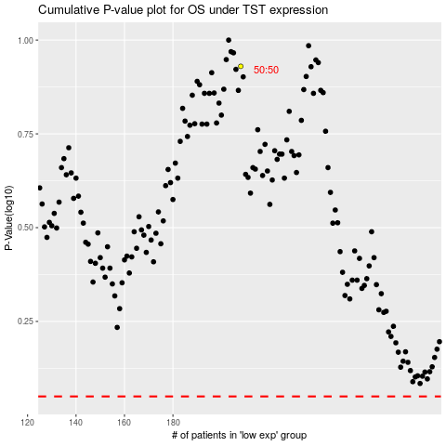

 |  |  |  |  |  | cases_OS | p_OS | rank | exp
 |  |  |  |  |  |  | cases_RFS | p_RFS | rank | exp

