TSTA3 _multivariate
Reported by Tex Li-Hsing Chi. tex@gate.sinica.edu.tw 2019-08-15

Table 2. The clinicopathological features of HNSCC cohort and TSTA3 expression. (Chi square test)
Cutoff at -0.228 (50.0%)
 |  | TSTA3 expression |  | TSTA3 expression |  | (Optimised)
 | Features | Low | (%) | High | (%) | Case no | P-value | Remark | Matthews
Gender | Female | 164 | 39.5 | 142 | 34.2 | 415 | 0.0153 | 1 | 0
2 | Male | 43 | 10.4 | 66 | 15.9
Age at diagnosis | <=65y | 146 | 35.2 | 128 | 30.8 | 415 | 0.0672 | 0 | 0
4 | >65y | 61 | 14.7 | 80 | 19.3
Clinical T Status | T1+T2 | 76 | 18.3 | 73 | 17.6 | 415 | 0.8092 | 0 | 0
6 | T3+T4 | 131 | 31.6 | 135 | 32.5
Clinical N Status | N0 | 109 | 26.3 | 107 | 25.8 | 415 | 0.8812 | 0 | 0
8 | N1-3 | 98 | 23.6 | 101 | 24.3
Clinical M Status | M0 | 206 | 49.6 | 206 | 49.6 | 415 | 1 | 0 | 0
10 | M1 | 1 | 0.2 | 2 | 0.5
Clinical Stage | Stage I+II | 48 | 11.6 | 54 | 13 | 415 | 0.5878 | 0 | 0
12 | Stage III+IV | 159 | 38.3 | 154 | 37.1
Surgical Margin status | Negative | 156 | 37.6 | 162 | 39 | 415 | 0.5636 | 0 | 0
14 | Positive | 51 | 12.3 | 46 | 11.1
Tobacco Exposure | Low | 75 | 18.1 | 86 | 20.7 | 415 | 0.3141 | 0 | 0
16 | High | 132 | 31.8 | 122 | 29.4

Table 3. Univariate/Multivariate Cox's proportional hazards regression analyses on OS time of TSTA3 gene expression in HNSCC

 |  | Univariate |  |  |  | Multivariate
 | Features | HR | CI95%(L) | CI95%(H) | P-value | HR | CI95%(L) | CI95%(H) | P-value
1 | Female | 1 |  |  |  | 1
Gender | Male | 1.157 | 0.843 | 1.587 | 0.367 | 1.173 | 0.834 | 1.649 | 0.359
11 | <=65y | 1 |  |  |  | 1
Age at diagnosis | >65y | 1.329 | 0.99 | 1.784 | 0.058 | 1.38 | 1.015 | 1.878 | 0.04
12 | T1+T2 | 1 |  |  |  | 1
Clinical T Status | T3+T4 | 1.409 | 1.028 | 1.931 | 0.033 | 2.151 | 1.135 | 4.077 | 0.019
13 | N0 | 1 |  |  |  | 1
Clinical N Status | N1-3 | 1.185 | 0.89 | 1.577 | 0.246 | 1.231 | 0.862 | 1.757 | 0.253
14 | M0 | 1 |  |  |  | 1
Clinical M Status | M1 | 4.097 | 1.009 | 16.644 | 0.049 | 9.061 | 1.971 | 41.653 | 0.005
15 | Stage I+II | 1 |  |  |  | 1
Clinical Stage | Stage III+IV | 1.245 | 0.882 | 1.759 | 0.213 | 0.522 | 0.242 | 1.126 | 0.097
16 | Negative | 1 |  |  |  | 1
Surgical Margin status | Positive | 1.591 | 1.155 | 2.191 | 0.004 | 1.665 | 1.205 | 2.3 | 0.002
17 | Low | 1 |  |  |  | 1
Tobacco Exposure | High | 1.364 | 1.008 | 1.844 | 0.044 | 1.457 | 1.057 | 2.007 | 0.021
18 | Low | 1 |  |  |  | 1
RNAseq(z-score) | High | 1.194 | 0.896 | 1.59 | 0.226 | 1.119 | 0.832 | 1.506 | 0.456

Table 4. Univariate/Multivariate Cox's proportional hazards regression analyses on RFS time of TSTA3 gene expression in HNSCC

 |  | Univariate |  |  |  | Multivariate
 | Features | HR | CI95%(L) | CI95%(H) | P-value | HR | CI95%(L) | CI95%(H) | P-value
1 | Female | 1 |  |  |  | 1
Gender | Male | 1.157 | 0.843 | 1.587 | 0.367 | 1.173 | 0.834 | 1.649 | 0.359
11 | <=65y | 1 |  |  |  | 1
Age at diagnosis | >65y | 1.329 | 0.99 | 1.784 | 0.058 | 1.38 | 1.015 | 1.878 | 0.04
12 | T1+T2 | 1 |  |  |  | 1
Clinical T Status | T3+T4 | 1.409 | 1.028 | 1.931 | 0.033 | 2.151 | 1.135 | 4.077 | 0.019
13 | N0 | 1 |  |  |  | 1
Clinical N Status | N1-3 | 1.185 | 0.89 | 1.577 | 0.246 | 1.231 | 0.862 | 1.757 | 0.253
14 | M0 | 1 |  |  |  | 1
Clinical M Status | M1 | 4.097 | 1.009 | 16.644 | 0.049 | 9.061 | 1.971 | 41.653 | 0.005
15 | Stage I+II | 1 |  |  |  | 1
Clinical Stage | Stage III+IV | 1.245 | 0.882 | 1.759 | 0.213 | 0.522 | 0.242 | 1.126 | 0.097
16 | Negative | 1 |  |  |  | 1
Surgical Margin status | Positive | 1.591 | 1.155 | 2.191 | 0.004 | 1.665 | 1.205 | 2.3 | 0.002
17 | Low | 1 |  |  |  | 1
Tobacco Exposure | High | 1.364 | 1.008 | 1.844 | 0.044 | 1.457 | 1.057 | 2.007 | 0.021
18 | Low | 1 |  |  |  | 1
RNAseq(z-score) | High | 1.194 | 0.896 | 1.59 | 0.226 | 1.119 | 0.832 | 1.506 | 0.456

Kaplan-Meier survival estimate: Cutoff at -0.228 (50.0%)



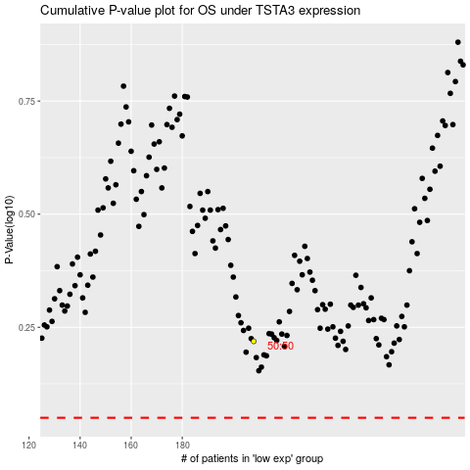

 |  |  |  |  |  | cases_OS | p_OS | rank | exp
 |  |  |  |  |  |  | cases_RFS | p_RFS | rank | exp

