TSTD1 _multivariate
Reported by Tex Li-Hsing Chi. tex@gate.sinica.edu.tw 2019-08-15

Table 2. The clinicopathological features of HNSCC cohort and TSTD1 expression. (Chi square test)
Cutoff at -0.381 (50.0%)
 |  | TSTD1 expression |  | TSTD1 expression |  | (Optimised)
 | Features | Low | (%) | High | (%) | Case no | P-value | Remark | Matthews
Gender | Female | 145 | 34.9 | 161 | 38.8 | 415 | 0.1116 | 0 | 0
2 | Male | 62 | 14.9 | 47 | 11.3
Age at diagnosis | <=65y | 130 | 31.3 | 144 | 34.7 | 415 | 0.2009 | 0 | 0
4 | >65y | 77 | 18.6 | 64 | 15.4
Clinical T Status | T1+T2 | 79 | 19 | 70 | 16.9 | 415 | 0.3924 | 0 | 0
6 | T3+T4 | 128 | 30.8 | 138 | 33.3
Clinical N Status | N0 | 115 | 27.7 | 101 | 24.3 | 415 | 0.184 | 1 | 0
8 | N1-3 | 92 | 22.2 | 107 | 25.8
Clinical M Status | M0 | 205 | 49.4 | 207 | 49.9 | 415 | 0.6232 | 0 | 0
10 | M1 | 2 | 0.5 | 1 | 0.2
Clinical Stage | Stage I+II | 60 | 14.5 | 42 | 10.1 | 415 | 0.0493 | 1 | 0
12 | Stage III+IV | 147 | 35.4 | 166 | 40
Surgical Margin status | Negative | 166 | 40 | 152 | 36.6 | 415 | 0.1042 | 0 | 0
14 | Positive | 41 | 9.9 | 56 | 13.5
Tobacco Exposure | Low | 90 | 21.7 | 71 | 17.1 | 415 | 0.0559 | 0 | 0
16 | High | 117 | 28.2 | 137 | 33

Table 3. Univariate/Multivariate Cox's proportional hazards regression analyses on OS time of TSTD1 gene expression in HNSCC

 |  | Univariate |  |  |  | Multivariate
 | Features | HR | CI95%(L) | CI95%(H) | P-value | HR | CI95%(L) | CI95%(H) | P-value
1 | Female | 1 |  |  |  | 1
Gender | Male | 1.157 | 0.843 | 1.587 | 0.367 | 1.196 | 0.856 | 1.672 | 0.294
11 | <=65y | 1 |  |  |  | 1
Age at diagnosis | >65y | 1.329 | 0.99 | 1.784 | 0.058 | 1.368 | 1.003 | 1.867 | 0.048
12 | T1+T2 | 1 |  |  |  | 1
Clinical T Status | T3+T4 | 1.409 | 1.028 | 1.931 | 0.033 | 2.168 | 1.144 | 4.106 | 0.018
13 | N0 | 1 |  |  |  | 1
Clinical N Status | N1-3 | 1.185 | 0.89 | 1.577 | 0.246 | 1.233 | 0.864 | 1.759 | 0.249
14 | M0 | 1 |  |  |  | 1
Clinical M Status | M1 | 4.097 | 1.009 | 16.644 | 0.049 | 9.178 | 1.999 | 42.133 | 0.004
15 | Stage I+II | 1 |  |  |  | 1
Clinical Stage | Stage III+IV | 1.245 | 0.882 | 1.759 | 0.213 | 0.516 | 0.24 | 1.11 | 0.091
16 | Negative | 1 |  |  |  | 1
Surgical Margin status | Positive | 1.591 | 1.155 | 2.191 | 0.004 | 1.689 | 1.221 | 2.337 | 0.002
17 | Low | 1 |  |  |  | 1
Tobacco Exposure | High | 1.364 | 1.008 | 1.844 | 0.044 | 1.474 | 1.067 | 2.036 | 0.019
18 | Low | 1 |  |  |  | 1
RNAseq(z-score) | High | 0.915 | 0.687 | 1.22 | 0.546 | 0.9 | 0.669 | 1.212 | 0.488

Table 4. Univariate/Multivariate Cox's proportional hazards regression analyses on RFS time of TSTD1 gene expression in HNSCC

 |  | Univariate |  |  |  | Multivariate
 | Features | HR | CI95%(L) | CI95%(H) | P-value | HR | CI95%(L) | CI95%(H) | P-value
1 | Female | 1 |  |  |  | 1
Gender | Male | 1.157 | 0.843 | 1.587 | 0.367 | 1.196 | 0.856 | 1.672 | 0.294
11 | <=65y | 1 |  |  |  | 1
Age at diagnosis | >65y | 1.329 | 0.99 | 1.784 | 0.058 | 1.368 | 1.003 | 1.867 | 0.048
12 | T1+T2 | 1 |  |  |  | 1
Clinical T Status | T3+T4 | 1.409 | 1.028 | 1.931 | 0.033 | 2.168 | 1.144 | 4.106 | 0.018
13 | N0 | 1 |  |  |  | 1
Clinical N Status | N1-3 | 1.185 | 0.89 | 1.577 | 0.246 | 1.233 | 0.864 | 1.759 | 0.249
14 | M0 | 1 |  |  |  | 1
Clinical M Status | M1 | 4.097 | 1.009 | 16.644 | 0.049 | 9.178 | 1.999 | 42.133 | 0.004
15 | Stage I+II | 1 |  |  |  | 1
Clinical Stage | Stage III+IV | 1.245 | 0.882 | 1.759 | 0.213 | 0.516 | 0.24 | 1.11 | 0.091
16 | Negative | 1 |  |  |  | 1
Surgical Margin status | Positive | 1.591 | 1.155 | 2.191 | 0.004 | 1.689 | 1.221 | 2.337 | 0.002
17 | Low | 1 |  |  |  | 1
Tobacco Exposure | High | 1.364 | 1.008 | 1.844 | 0.044 | 1.474 | 1.067 | 2.036 | 0.019
18 | Low | 1 |  |  |  | 1
RNAseq(z-score) | High | 0.915 | 0.687 | 1.22 | 0.546 | 0.9 | 0.669 | 1.212 | 0.488

Kaplan-Meier survival estimate: Cutoff at -0.381 (50.0%)



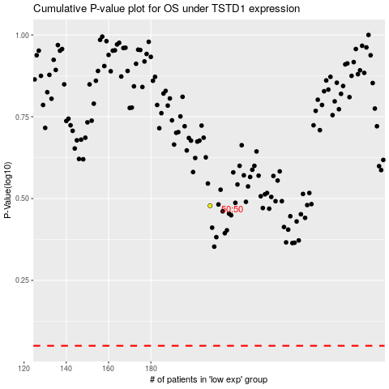

 |  |  |  |  |  | cases_OS | p_OS | rank | exp
 |  |  |  |  |  |  | cases_RFS | p_RFS | rank | exp

