TTC1 _multivariate
Reported by Tex Li-Hsing Chi. tex@gate.sinica.edu.tw 2019-08-15

Table 2. The clinicopathological features of HNSCC cohort and TTC1 expression. (Chi square test)
Cutoff at 0.161 (68.1%)
 |  | TTC1 expression |  | TTC1 expression |  | (Optimised)
 | Features | Low | (%) | High | (%) | Case no | P-value | Remark | Matthews
Gender | Female | 208 | 50.1 | 98 | 23.6 | 415 | 0.9675 | 0 | 0
2 | Male | 75 | 18.1 | 34 | 8.2
Age at diagnosis | <=65y | 187 | 45.1 | 87 | 21 | 415 | 1 | 0 | 0
4 | >65y | 96 | 23.1 | 45 | 10.8
Clinical T Status | T1+T2 | 94 | 22.7 | 55 | 13.3 | 415 | 0.1184 | 0 | 0
6 | T3+T4 | 189 | 45.5 | 77 | 18.6
Clinical N Status | N0 | 146 | 35.2 | 70 | 16.9 | 415 | 0.8666 | 0 | 0
8 | N1-3 | 137 | 33 | 62 | 14.9
Clinical M Status | M0 | 283 | 68.2 | 129 | 31.1 | 415 | 0.0317 | 1 | 0
10 | M1 | 0 | 0 | 3 | 0.7
Clinical Stage | Stage I+II | 69 | 16.6 | 33 | 8 | 415 | 0.9889 | 0 | 0
12 | Stage III+IV | 214 | 51.6 | 99 | 23.9
Surgical Margin status | Negative | 223 | 53.7 | 95 | 22.9 | 415 | 0.136 | 0 | 0
14 | Positive | 60 | 14.5 | 37 | 8.9
Tobacco Exposure | Low | 111 | 26.7 | 50 | 12 | 415 | 0.8292 | 0 | 0
16 | High | 172 | 41.4 | 82 | 19.8

Table 3. Univariate/Multivariate Cox's proportional hazards regression analyses on OS time of TTC1 gene expression in HNSCC

 |  | Univariate |  |  |  | Multivariate
 | Features | HR | CI95%(L) | CI95%(H) | P-value | HR | CI95%(L) | CI95%(H) | P-value
1 | Female | 1 |  |  |  | 1
Gender | Male | 1.157 | 0.843 | 1.587 | 0.367 | 1.161 | 0.828 | 1.627 | 0.386
11 | <=65y | 1 |  |  |  | 1
Age at diagnosis | >65y | 1.329 | 0.99 | 1.784 | 0.058 | 1.389 | 1.022 | 1.89 | 0.036
12 | T1+T2 | 1 |  |  |  | 1
Clinical T Status | T3+T4 | 1.409 | 1.028 | 1.931 | 0.033 | 2.347 | 1.237 | 4.452 | 0.009
13 | N0 | 1 |  |  |  | 1
Clinical N Status | N1-3 | 1.185 | 0.89 | 1.577 | 0.246 | 1.274 | 0.893 | 1.819 | 0.182
14 | M0 | 1 |  |  |  | 1
Clinical M Status | M1 | 4.097 | 1.009 | 16.644 | 0.049 | 7.974 | 1.725 | 36.863 | 0.008
15 | Stage I+II | 1 |  |  |  | 1
Clinical Stage | Stage III+IV | 1.245 | 0.882 | 1.759 | 0.213 | 0.476 | 0.221 | 1.023 | 0.057
16 | Negative | 1 |  |  |  | 1
Surgical Margin status | Positive | 1.591 | 1.155 | 2.191 | 0.004 | 1.611 | 1.164 | 2.23 | 0.004
17 | Low | 1 |  |  |  | 1
Tobacco Exposure | High | 1.364 | 1.008 | 1.844 | 0.044 | 1.453 | 1.053 | 2.005 | 0.023
18 | Low | 1 |  |  |  | 1
RNAseq(z-score) | High | 1.385 | 1.026 | 1.869 | 0.033 | 1.351 | 0.99 | 1.842 | 0.058

Table 4. Univariate/Multivariate Cox's proportional hazards regression analyses on RFS time of TTC1 gene expression in HNSCC

 |  | Univariate |  |  |  | Multivariate
 | Features | HR | CI95%(L) | CI95%(H) | P-value | HR | CI95%(L) | CI95%(H) | P-value
1 | Female | 1 |  |  |  | 1
Gender | Male | 1.157 | 0.843 | 1.587 | 0.367 | 1.161 | 0.828 | 1.627 | 0.386
11 | <=65y | 1 |  |  |  | 1
Age at diagnosis | >65y | 1.329 | 0.99 | 1.784 | 0.058 | 1.389 | 1.022 | 1.89 | 0.036
12 | T1+T2 | 1 |  |  |  | 1
Clinical T Status | T3+T4 | 1.409 | 1.028 | 1.931 | 0.033 | 2.347 | 1.237 | 4.452 | 0.009
13 | N0 | 1 |  |  |  | 1
Clinical N Status | N1-3 | 1.185 | 0.89 | 1.577 | 0.246 | 1.274 | 0.893 | 1.819 | 0.182
14 | M0 | 1 |  |  |  | 1
Clinical M Status | M1 | 4.097 | 1.009 | 16.644 | 0.049 | 7.974 | 1.725 | 36.863 | 0.008
15 | Stage I+II | 1 |  |  |  | 1
Clinical Stage | Stage III+IV | 1.245 | 0.882 | 1.759 | 0.213 | 0.476 | 0.221 | 1.023 | 0.057
16 | Negative | 1 |  |  |  | 1
Surgical Margin status | Positive | 1.591 | 1.155 | 2.191 | 0.004 | 1.611 | 1.164 | 2.23 | 0.004
17 | Low | 1 |  |  |  | 1
Tobacco Exposure | High | 1.364 | 1.008 | 1.844 | 0.044 | 1.453 | 1.053 | 2.005 | 0.023
18 | Low | 1 |  |  |  | 1
RNAseq(z-score) | High | 1.385 | 1.026 | 1.869 | 0.033 | 1.351 | 0.99 | 1.842 | 0.058

Kaplan-Meier survival estimate: Cutoff at 0.161 (68.1%)

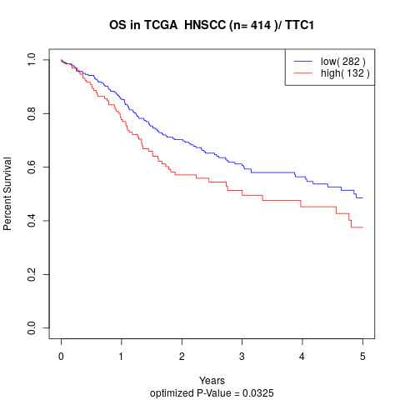

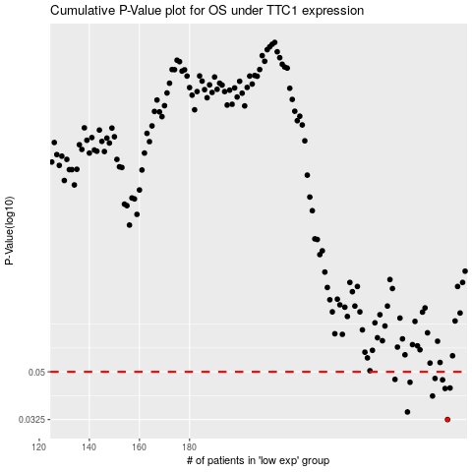

 |  |  |  |  |  | cases_OS | p_OS | rank | exp
 |  |  |  |  |  | 283 | 0.0325 | 125 | 0.16080838132
 |  |  |  |  |  | 267 | 0.0348 | 284 | 0.095792068489
 |  |  |  |  |  | 277 | 0.0402 | 273 | 0.13925465093
 |  |  |  |  |  | 282 | 0.043 | 40 | 0.16040293566
 |  |  |  |  |  | 284 | 0.0432 | 227 | 0.16543015067
 |  |  |  |  |  | 268 | 0.0455 | 201 | 0.095874558395
 |  |  |  |  |  | 281 | 0.0465 | 313 | 0.15365744035
 |  |  |  |  |  | 262 | 0.0467 | 133 | 0.082113011261
 |  |  |  |  |  | 278 | 0.0471 | 289 | 0.14157656019
 |  |  |  |  |  |  | cases_RFS | p_RFS | rank | exp
 |  |  |  |  |  |  | 282 | 0.0325 | 40 | 0.16040293566
 |  |  |  |  |  |  | 266 | 0.0348 | 26 | 0.093174440695
 |  |  |  |  |  |  | 276 | 0.0402 | 122 | 0.13591484735
 |  |  |  |  |  |  | 281 | 0.043 | 313 | 0.15365744035
 |  |  |  |  |  |  | 283 | 0.0432 | 125 | 0.16080838132
 |  |  |  |  |  |  | 267 | 0.0455 | 284 | 0.095792068489
 |  |  |  |  |  |  | 280 | 0.0465 | 378 | 0.14760973701
 |  |  |  |  |  |  | 261 | 0.0467 | 245 | 0.074247417168
 |  |  |  |  |  |  | 277 | 0.0471 | 273 | 0.13925465093

