TTC14 _multivariate
Reported by Tex Li-Hsing Chi. tex@gate.sinica.edu.tw 2019-08-15

Table 2. The clinicopathological features of HNSCC cohort and TTC14 expression. (Chi square test)
Cutoff at -0.275 (49.8%)
 |  | TTC14 expression |  | TTC14 expression |  | (Optimised)
 | Features | Low | (%) | High | (%) | Case no | P-value | Remark | Matthews
Gender | Female | 146 | 35.2 | 160 | 38.6 | 415 | 0.1714 | 0 | 0
2 | Male | 61 | 14.7 | 48 | 11.6
Age at diagnosis | <=65y | 129 | 31.1 | 145 | 34.9 | 415 | 0.1372 | 0 | 0
4 | >65y | 78 | 18.8 | 63 | 15.2
Clinical T Status | T1+T2 | 75 | 18.1 | 74 | 17.8 | 415 | 0.9707 | 0 | 0
6 | T3+T4 | 132 | 31.8 | 134 | 32.3
Clinical N Status | N0 | 101 | 24.3 | 115 | 27.7 | 415 | 0.2201 | 0 | 0
8 | N1-3 | 106 | 25.5 | 93 | 22.4
Clinical M Status | M0 | 205 | 49.4 | 207 | 49.9 | 415 | 0.6232 | 0 | 0
10 | M1 | 2 | 0.5 | 1 | 0.2
Clinical Stage | Stage I+II | 50 | 12 | 52 | 12.5 | 415 | 0.9315 | 0 | 0
12 | Stage III+IV | 157 | 37.8 | 156 | 37.6
Surgical Margin status | Negative | 164 | 39.5 | 154 | 37.1 | 415 | 0.2462 | 0 | 0
14 | Positive | 43 | 10.4 | 54 | 13
Tobacco Exposure | Low | 86 | 20.7 | 75 | 18.1 | 415 | 0.2687 | 0 | 0
16 | High | 121 | 29.2 | 133 | 32

Table 3. Univariate/Multivariate Cox's proportional hazards regression analyses on OS time of TTC14 gene expression in HNSCC

 |  | Univariate |  |  |  | Multivariate
 | Features | HR | CI95%(L) | CI95%(H) | P-value | HR | CI95%(L) | CI95%(H) | P-value
1 | Female | 1 |  |  |  | 1
Gender | Male | 1.157 | 0.843 | 1.587 | 0.367 | 1.199 | 0.859 | 1.676 | 0.286
11 | <=65y | 1 |  |  |  | 1
Age at diagnosis | >65y | 1.329 | 0.99 | 1.784 | 0.058 | 1.384 | 1.018 | 1.881 | 0.038
12 | T1+T2 | 1 |  |  |  | 1
Clinical T Status | T3+T4 | 1.409 | 1.028 | 1.931 | 0.033 | 2.185 | 1.156 | 4.129 | 0.016
13 | N0 | 1 |  |  |  | 1
Clinical N Status | N1-3 | 1.185 | 0.89 | 1.577 | 0.246 | 1.212 | 0.848 | 1.732 | 0.292
14 | M0 | 1 |  |  |  | 1
Clinical M Status | M1 | 4.097 | 1.009 | 16.644 | 0.049 | 8.969 | 1.953 | 41.196 | 0.005
15 | Stage I+II | 1 |  |  |  | 1
Clinical Stage | Stage III+IV | 1.245 | 0.882 | 1.759 | 0.213 | 0.514 | 0.24 | 1.104 | 0.088
16 | Negative | 1 |  |  |  | 1
Surgical Margin status | Positive | 1.591 | 1.155 | 2.191 | 0.004 | 1.692 | 1.224 | 2.338 | 0.001
17 | Low | 1 |  |  |  | 1
Tobacco Exposure | High | 1.364 | 1.008 | 1.844 | 0.044 | 1.475 | 1.069 | 2.035 | 0.018
18 | Low | 1 |  |  |  | 1
RNAseq(z-score) | High | 0.846 | 0.635 | 1.128 | 0.255 | 0.843 | 0.63 | 1.128 | 0.251

Table 4. Univariate/Multivariate Cox's proportional hazards regression analyses on RFS time of TTC14 gene expression in HNSCC

 |  | Univariate |  |  |  | Multivariate
 | Features | HR | CI95%(L) | CI95%(H) | P-value | HR | CI95%(L) | CI95%(H) | P-value
1 | Female | 1 |  |  |  | 1
Gender | Male | 1.157 | 0.843 | 1.587 | 0.367 | 1.199 | 0.859 | 1.676 | 0.286
11 | <=65y | 1 |  |  |  | 1
Age at diagnosis | >65y | 1.329 | 0.99 | 1.784 | 0.058 | 1.384 | 1.018 | 1.881 | 0.038
12 | T1+T2 | 1 |  |  |  | 1
Clinical T Status | T3+T4 | 1.409 | 1.028 | 1.931 | 0.033 | 2.185 | 1.156 | 4.129 | 0.016
13 | N0 | 1 |  |  |  | 1
Clinical N Status | N1-3 | 1.185 | 0.89 | 1.577 | 0.246 | 1.212 | 0.848 | 1.732 | 0.292
14 | M0 | 1 |  |  |  | 1
Clinical M Status | M1 | 4.097 | 1.009 | 16.644 | 0.049 | 8.969 | 1.953 | 41.196 | 0.005
15 | Stage I+II | 1 |  |  |  | 1
Clinical Stage | Stage III+IV | 1.245 | 0.882 | 1.759 | 0.213 | 0.514 | 0.24 | 1.104 | 0.088
16 | Negative | 1 |  |  |  | 1
Surgical Margin status | Positive | 1.591 | 1.155 | 2.191 | 0.004 | 1.692 | 1.224 | 2.338 | 0.001
17 | Low | 1 |  |  |  | 1
Tobacco Exposure | High | 1.364 | 1.008 | 1.844 | 0.044 | 1.475 | 1.069 | 2.035 | 0.018
18 | Low | 1 |  |  |  | 1
RNAseq(z-score) | High | 0.846 | 0.635 | 1.128 | 0.255 | 0.843 | 0.63 | 1.128 | 0.251

Kaplan-Meier survival estimate: Cutoff at -0.275 (49.8%)



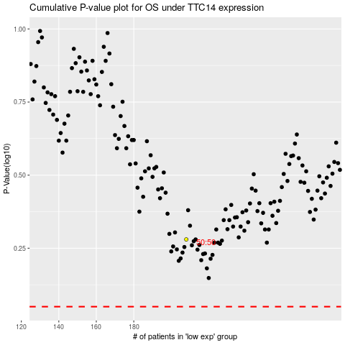

 |  |  |  |  |  | cases_OS | p_OS | rank | exp
 |  |  |  |  |  |  | cases_RFS | p_RFS | rank | exp

