TTC21B _multivariate
Reported by Tex Li-Hsing Chi. tex@gate.sinica.edu.tw 2019-08-15

Table 2. The clinicopathological features of HNSCC cohort and TTC21B expression. (Chi square test)
Cutoff at -0.254 (49.8%)
 |  | TTC21B expression |  | TTC21B expression |  | (Optimised)
 | Features | Low | (%) | High | (%) | Case no | P-value | Remark | Matthews
Gender | Female | 140 | 33.7 | 166 | 40 | 415 | 0.0068 | 1 | 0
2 | Male | 67 | 16.1 | 42 | 10.1
Age at diagnosis | <=65y | 131 | 31.6 | 143 | 34.5 | 415 | 0.2839 | 0 | 0
4 | >65y | 76 | 18.3 | 65 | 15.7
Clinical T Status | T1+T2 | 77 | 18.6 | 72 | 17.3 | 415 | 0.6556 | 0 | 0
6 | T3+T4 | 130 | 31.3 | 136 | 32.8
Clinical N Status | N0 | 112 | 27 | 104 | 25.1 | 415 | 0.4599 | 0 | 0
8 | N1-3 | 95 | 22.9 | 104 | 25.1
Clinical M Status | M0 | 204 | 49.2 | 208 | 50.1 | 415 | 0.1232 | 0 | 0
10 | M1 | 3 | 0.7 | 0 | 0
Clinical Stage | Stage I+II | 56 | 13.5 | 46 | 11.1 | 415 | 0.2918 | 0 | 0
12 | Stage III+IV | 151 | 36.4 | 162 | 39
Surgical Margin status | Negative | 155 | 37.3 | 163 | 39.3 | 415 | 0.4187 | 0 | 0
14 | Positive | 52 | 12.5 | 45 | 10.8
Tobacco Exposure | Low | 95 | 22.9 | 66 | 15.9 | 415 | 0.0035 | 1 | 0
16 | High | 112 | 27 | 142 | 34.2

Table 3. Univariate/Multivariate Cox's proportional hazards regression analyses on OS time of TTC21B gene expression in HNSCC

 |  | Univariate |  |  |  | Multivariate
 | Features | HR | CI95%(L) | CI95%(H) | P-value | HR | CI95%(L) | CI95%(H) | P-value
1 | Female | 1 |  |  |  | 1
Gender | Male | 1.157 | 0.843 | 1.587 | 0.367 | 1.207 | 0.861 | 1.693 | 0.275
11 | <=65y | 1 |  |  |  | 1
Age at diagnosis | >65y | 1.329 | 0.99 | 1.784 | 0.058 | 1.392 | 1.024 | 1.892 | 0.035
12 | T1+T2 | 1 |  |  |  | 1
Clinical T Status | T3+T4 | 1.409 | 1.028 | 1.931 | 0.033 | 2.206 | 1.166 | 4.174 | 0.015
13 | N0 | 1 |  |  |  | 1
Clinical N Status | N1-3 | 1.185 | 0.89 | 1.577 | 0.246 | 1.24 | 0.869 | 1.77 | 0.235
14 | M0 | 1 |  |  |  | 1
Clinical M Status | M1 | 4.097 | 1.009 | 16.644 | 0.049 | 9.576 | 2.062 | 44.46 | 0.004
15 | Stage I+II | 1 |  |  |  | 1
Clinical Stage | Stage III+IV | 1.245 | 0.882 | 1.759 | 0.213 | 0.502 | 0.233 | 1.08 | 0.078
16 | Negative | 1 |  |  |  | 1
Surgical Margin status | Positive | 1.591 | 1.155 | 2.191 | 0.004 | 1.676 | 1.211 | 2.32 | 0.002
17 | Low | 1 |  |  |  | 1
Tobacco Exposure | High | 1.364 | 1.008 | 1.844 | 0.044 | 1.448 | 1.049 | 1.999 | 0.024
18 | Low | 1 |  |  |  | 1
RNAseq(z-score) | High | 0.976 | 0.732 | 1.3 | 0.866 | 1.028 | 0.76 | 1.389 | 0.859

Table 4. Univariate/Multivariate Cox's proportional hazards regression analyses on RFS time of TTC21B gene expression in HNSCC

 |  | Univariate |  |  |  | Multivariate
 | Features | HR | CI95%(L) | CI95%(H) | P-value | HR | CI95%(L) | CI95%(H) | P-value
1 | Female | 1 |  |  |  | 1
Gender | Male | 1.157 | 0.843 | 1.587 | 0.367 | 1.207 | 0.861 | 1.693 | 0.275
11 | <=65y | 1 |  |  |  | 1
Age at diagnosis | >65y | 1.329 | 0.99 | 1.784 | 0.058 | 1.392 | 1.024 | 1.892 | 0.035
12 | T1+T2 | 1 |  |  |  | 1
Clinical T Status | T3+T4 | 1.409 | 1.028 | 1.931 | 0.033 | 2.206 | 1.166 | 4.174 | 0.015
13 | N0 | 1 |  |  |  | 1
Clinical N Status | N1-3 | 1.185 | 0.89 | 1.577 | 0.246 | 1.24 | 0.869 | 1.77 | 0.235
14 | M0 | 1 |  |  |  | 1
Clinical M Status | M1 | 4.097 | 1.009 | 16.644 | 0.049 | 9.576 | 2.062 | 44.46 | 0.004
15 | Stage I+II | 1 |  |  |  | 1
Clinical Stage | Stage III+IV | 1.245 | 0.882 | 1.759 | 0.213 | 0.502 | 0.233 | 1.08 | 0.078
16 | Negative | 1 |  |  |  | 1
Surgical Margin status | Positive | 1.591 | 1.155 | 2.191 | 0.004 | 1.676 | 1.211 | 2.32 | 0.002
17 | Low | 1 |  |  |  | 1
Tobacco Exposure | High | 1.364 | 1.008 | 1.844 | 0.044 | 1.448 | 1.049 | 1.999 | 0.024
18 | Low | 1 |  |  |  | 1
RNAseq(z-score) | High | 0.976 | 0.732 | 1.3 | 0.866 | 1.028 | 0.76 | 1.389 | 0.859

Kaplan-Meier survival estimate: Cutoff at -0.254 (49.8%)



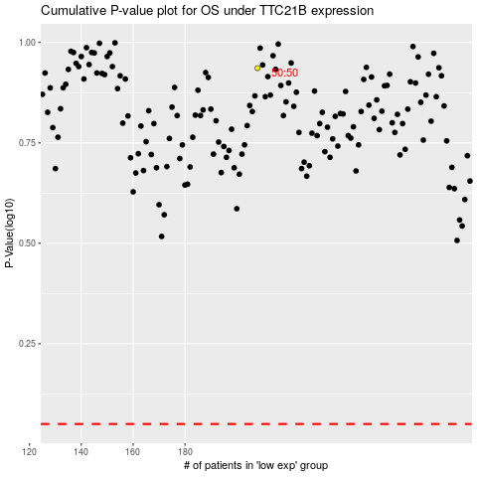

 |  |  |  |  |  | cases_OS | p_OS | rank | exp
 |  |  |  |  |  |  | cases_RFS | p_RFS | rank | exp

