TTC23 _multivariate
Reported by Tex Li-Hsing Chi. tex@gate.sinica.edu.tw 2019-08-15

Table 2. The clinicopathological features of HNSCC cohort and TTC23 expression. (Chi square test)
Cutoff at -0.118 (49.8%)
 |  | TTC23 expression |  | TTC23 expression |  | (Optimised)
 | Features | Low | (%) | High | (%) | Case no | P-value | Remark | Matthews
Gender | Female | 140 | 33.7 | 166 | 40 | 415 | 0.0068 | 1 | 0
2 | Male | 67 | 16.1 | 42 | 10.1
Age at diagnosis | <=65y | 133 | 32 | 141 | 34 | 415 | 0.5111 | 0 | 0
4 | >65y | 74 | 17.8 | 67 | 16.1
Clinical T Status | T1+T2 | 67 | 16.1 | 82 | 19.8 | 415 | 0.1628 | 0 | 0
6 | T3+T4 | 140 | 33.7 | 126 | 30.4
Clinical N Status | N0 | 103 | 24.8 | 113 | 27.2 | 415 | 0.4047 | 0 | 0
8 | N1-3 | 104 | 25.1 | 95 | 22.9
Clinical M Status | M0 | 205 | 49.4 | 207 | 49.9 | 415 | 0.6232 | 0 | 0
10 | M1 | 2 | 0.5 | 1 | 0.2
Clinical Stage | Stage I+II | 49 | 11.8 | 53 | 12.8 | 415 | 0.7535 | 0 | 0
12 | Stage III+IV | 158 | 38.1 | 155 | 37.3
Surgical Margin status | Negative | 161 | 38.8 | 157 | 37.8 | 415 | 0.6429 | 0 | 0
14 | Positive | 46 | 11.1 | 51 | 12.3
Tobacco Exposure | Low | 77 | 18.6 | 84 | 20.2 | 415 | 0.5459 | 0 | 0
16 | High | 130 | 31.3 | 124 | 29.9

Table 3. Univariate/Multivariate Cox's proportional hazards regression analyses on OS time of TTC23 gene expression in HNSCC

 |  | Univariate |  |  |  | Multivariate
 | Features | HR | CI95%(L) | CI95%(H) | P-value | HR | CI95%(L) | CI95%(H) | P-value
1 | Female | 1 |  |  |  | 1
Gender | Male | 1.157 | 0.843 | 1.587 | 0.367 | 1.171 | 0.836 | 1.641 | 0.359
11 | <=65y | 1 |  |  |  | 1
Age at diagnosis | >65y | 1.329 | 0.99 | 1.784 | 0.058 | 1.379 | 1.013 | 1.876 | 0.041
12 | T1+T2 | 1 |  |  |  | 1
Clinical T Status | T3+T4 | 1.409 | 1.028 | 1.931 | 0.033 | 2.145 | 1.133 | 4.062 | 0.019
13 | N0 | 1 |  |  |  | 1
Clinical N Status | N1-3 | 1.185 | 0.89 | 1.577 | 0.246 | 1.217 | 0.852 | 1.739 | 0.281
14 | M0 | 1 |  |  |  | 1
Clinical M Status | M1 | 4.097 | 1.009 | 16.644 | 0.049 | 9.047 | 1.972 | 41.515 | 0.005
15 | Stage I+II | 1 |  |  |  | 1
Clinical Stage | Stage III+IV | 1.245 | 0.882 | 1.759 | 0.213 | 0.523 | 0.243 | 1.125 | 0.097
16 | Negative | 1 |  |  |  | 1
Surgical Margin status | Positive | 1.591 | 1.155 | 2.191 | 0.004 | 1.694 | 1.225 | 2.341 | 0.001
17 | Low | 1 |  |  |  | 1
Tobacco Exposure | High | 1.364 | 1.008 | 1.844 | 0.044 | 1.437 | 1.042 | 1.981 | 0.027
18 | Low | 1 |  |  |  | 1
RNAseq(z-score) | High | 0.792 | 0.592 | 1.061 | 0.118 | 0.839 | 0.622 | 1.132 | 0.251

Table 4. Univariate/Multivariate Cox's proportional hazards regression analyses on RFS time of TTC23 gene expression in HNSCC

 |  | Univariate |  |  |  | Multivariate
 | Features | HR | CI95%(L) | CI95%(H) | P-value | HR | CI95%(L) | CI95%(H) | P-value
1 | Female | 1 |  |  |  | 1
Gender | Male | 1.157 | 0.843 | 1.587 | 0.367 | 1.171 | 0.836 | 1.641 | 0.359
11 | <=65y | 1 |  |  |  | 1
Age at diagnosis | >65y | 1.329 | 0.99 | 1.784 | 0.058 | 1.379 | 1.013 | 1.876 | 0.041
12 | T1+T2 | 1 |  |  |  | 1
Clinical T Status | T3+T4 | 1.409 | 1.028 | 1.931 | 0.033 | 2.145 | 1.133 | 4.062 | 0.019
13 | N0 | 1 |  |  |  | 1
Clinical N Status | N1-3 | 1.185 | 0.89 | 1.577 | 0.246 | 1.217 | 0.852 | 1.739 | 0.281
14 | M0 | 1 |  |  |  | 1
Clinical M Status | M1 | 4.097 | 1.009 | 16.644 | 0.049 | 9.047 | 1.972 | 41.515 | 0.005
15 | Stage I+II | 1 |  |  |  | 1
Clinical Stage | Stage III+IV | 1.245 | 0.882 | 1.759 | 0.213 | 0.523 | 0.243 | 1.125 | 0.097
16 | Negative | 1 |  |  |  | 1
Surgical Margin status | Positive | 1.591 | 1.155 | 2.191 | 0.004 | 1.694 | 1.225 | 2.341 | 0.001
17 | Low | 1 |  |  |  | 1
Tobacco Exposure | High | 1.364 | 1.008 | 1.844 | 0.044 | 1.437 | 1.042 | 1.981 | 0.027
18 | Low | 1 |  |  |  | 1
RNAseq(z-score) | High | 0.792 | 0.592 | 1.061 | 0.118 | 0.839 | 0.622 | 1.132 | 0.251

Kaplan-Meier survival estimate: Cutoff at -0.118 (49.8%)



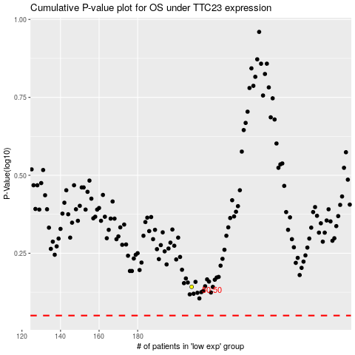

 |  |  |  |  |  | cases_OS | p_OS | rank | exp
 |  |  |  |  |  |  | cases_RFS | p_RFS | rank | exp

