TTC25 _multivariate
Reported by Tex Li-Hsing Chi. tex@gate.sinica.edu.tw 2019-08-15

Table 2. The clinicopathological features of HNSCC cohort and TTC25 expression. (Chi square test)
Cutoff at -0.111 (49.8%)
 |  | TTC25 expression |  | TTC25 expression |  | (Optimised)
 | Features | Low | (%) | High | (%) | Case no | P-value | Remark | Matthews
Gender | Female | 144 | 34.7 | 162 | 39 | 415 | 0.0697 | 0 | 0
2 | Male | 63 | 15.2 | 46 | 11.1
Age at diagnosis | <=65y | 138 | 33.3 | 136 | 32.8 | 415 | 0.8634 | 0 | 0
4 | >65y | 69 | 16.6 | 72 | 17.3
Clinical T Status | T1+T2 | 78 | 18.8 | 71 | 17.1 | 415 | 0.5152 | 0 | 0
6 | T3+T4 | 129 | 31.1 | 137 | 33
Clinical N Status | N0 | 109 | 26.3 | 107 | 25.8 | 415 | 0.8812 | 0 | 0
8 | N1-3 | 98 | 23.6 | 101 | 24.3
Clinical M Status | M0 | 205 | 49.4 | 207 | 49.9 | 415 | 0.6232 | 0 | 0
10 | M1 | 2 | 0.5 | 1 | 0.2
Clinical Stage | Stage I+II | 54 | 13 | 48 | 11.6 | 415 | 0.5498 | 0 | 0
12 | Stage III+IV | 153 | 36.9 | 160 | 38.6
Surgical Margin status | Negative | 156 | 37.6 | 162 | 39 | 415 | 0.5636 | 0 | 0
14 | Positive | 51 | 12.3 | 46 | 11.1
Tobacco Exposure | Low | 94 | 22.7 | 67 | 16.1 | 415 | 0.0065 | 1 | 0
16 | High | 113 | 27.2 | 141 | 34

Table 3. Univariate/Multivariate Cox's proportional hazards regression analyses on OS time of TTC25 gene expression in HNSCC

 |  | Univariate |  |  |  | Multivariate
 | Features | HR | CI95%(L) | CI95%(H) | P-value | HR | CI95%(L) | CI95%(H) | P-value
1 | Female | 1 |  |  |  | 1
Gender | Male | 1.157 | 0.843 | 1.587 | 0.367 | 1.223 | 0.874 | 1.71 | 0.24
11 | <=65y | 1 |  |  |  | 1
Age at diagnosis | >65y | 1.329 | 0.99 | 1.784 | 0.058 | 1.369 | 1.006 | 1.862 | 0.046
12 | T1+T2 | 1 |  |  |  | 1
Clinical T Status | T3+T4 | 1.409 | 1.028 | 1.931 | 0.033 | 2.215 | 1.171 | 4.189 | 0.014
13 | N0 | 1 |  |  |  | 1
Clinical N Status | N1-3 | 1.185 | 0.89 | 1.577 | 0.246 | 1.238 | 0.867 | 1.766 | 0.24
14 | M0 | 1 |  |  |  | 1
Clinical M Status | M1 | 4.097 | 1.009 | 16.644 | 0.049 | 10.076 | 2.19 | 46.364 | 0.003
15 | Stage I+II | 1 |  |  |  | 1
Clinical Stage | Stage III+IV | 1.245 | 0.882 | 1.759 | 0.213 | 0.498 | 0.232 | 1.068 | 0.073
16 | Negative | 1 |  |  |  | 1
Surgical Margin status | Positive | 1.591 | 1.155 | 2.191 | 0.004 | 1.681 | 1.217 | 2.323 | 0.002
17 | Low | 1 |  |  |  | 1
Tobacco Exposure | High | 1.364 | 1.008 | 1.844 | 0.044 | 1.418 | 1.028 | 1.956 | 0.033
18 | Low | 1 |  |  |  | 1
RNAseq(z-score) | High | 1.217 | 0.911 | 1.627 | 0.184 | 1.207 | 0.899 | 1.623 | 0.211

Table 4. Univariate/Multivariate Cox's proportional hazards regression analyses on RFS time of TTC25 gene expression in HNSCC

 |  | Univariate |  |  |  | Multivariate
 | Features | HR | CI95%(L) | CI95%(H) | P-value | HR | CI95%(L) | CI95%(H) | P-value
1 | Female | 1 |  |  |  | 1
Gender | Male | 1.157 | 0.843 | 1.587 | 0.367 | 1.223 | 0.874 | 1.71 | 0.24
11 | <=65y | 1 |  |  |  | 1
Age at diagnosis | >65y | 1.329 | 0.99 | 1.784 | 0.058 | 1.369 | 1.006 | 1.862 | 0.046
12 | T1+T2 | 1 |  |  |  | 1
Clinical T Status | T3+T4 | 1.409 | 1.028 | 1.931 | 0.033 | 2.215 | 1.171 | 4.189 | 0.014
13 | N0 | 1 |  |  |  | 1
Clinical N Status | N1-3 | 1.185 | 0.89 | 1.577 | 0.246 | 1.238 | 0.867 | 1.766 | 0.24
14 | M0 | 1 |  |  |  | 1
Clinical M Status | M1 | 4.097 | 1.009 | 16.644 | 0.049 | 10.076 | 2.19 | 46.364 | 0.003
15 | Stage I+II | 1 |  |  |  | 1
Clinical Stage | Stage III+IV | 1.245 | 0.882 | 1.759 | 0.213 | 0.498 | 0.232 | 1.068 | 0.073
16 | Negative | 1 |  |  |  | 1
Surgical Margin status | Positive | 1.591 | 1.155 | 2.191 | 0.004 | 1.681 | 1.217 | 2.323 | 0.002
17 | Low | 1 |  |  |  | 1
Tobacco Exposure | High | 1.364 | 1.008 | 1.844 | 0.044 | 1.418 | 1.028 | 1.956 | 0.033
18 | Low | 1 |  |  |  | 1
RNAseq(z-score) | High | 1.217 | 0.911 | 1.627 | 0.184 | 1.207 | 0.899 | 1.623 | 0.211

Kaplan-Meier survival estimate: Cutoff at -0.111 (49.8%)



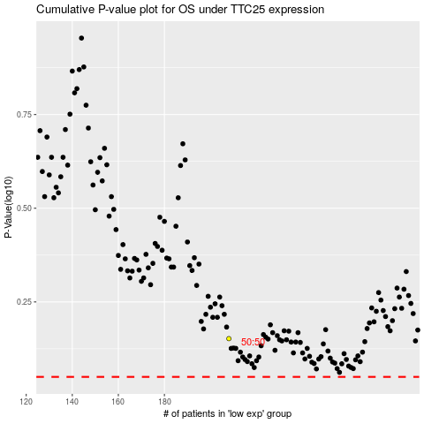

 |  |  |  |  |  | cases_OS | p_OS | rank | exp
 |  |  |  |  |  |  | cases_RFS | p_RFS | rank | exp

