TTC26 _multivariate
Reported by Tex Li-Hsing Chi. tex@gate.sinica.edu.tw 2019-08-15

Table 2. The clinicopathological features of HNSCC cohort and TTC26 expression. (Chi square test)
Cutoff at -0.123 (49.8%)
 |  | TTC26 expression |  | TTC26 expression |  | (Optimised)
 | Features | Low | (%) | High | (%) | Case no | P-value | Remark | Matthews
Gender | Female | 144 | 34.7 | 162 | 39 | 415 | 0.0697 | 0 | 0
2 | Male | 63 | 15.2 | 46 | 11.1
Age at diagnosis | <=65y | 136 | 32.8 | 138 | 33.3 | 415 | 0.9719 | 0 | 0
4 | >65y | 71 | 17.1 | 70 | 16.9
Clinical T Status | T1+T2 | 79 | 19 | 70 | 16.9 | 415 | 0.3924 | 0 | 0
6 | T3+T4 | 128 | 30.8 | 138 | 33.3
Clinical N Status | N0 | 113 | 27.2 | 103 | 24.8 | 415 | 0.3495 | 1 | 0
8 | N1-3 | 94 | 22.7 | 105 | 25.3
Clinical M Status | M0 | 205 | 49.4 | 207 | 49.9 | 415 | 0.6232 | 0 | 0
10 | M1 | 2 | 0.5 | 1 | 0.2
Clinical Stage | Stage I+II | 53 | 12.8 | 49 | 11.8 | 415 | 0.7113 | 0 | 0
12 | Stage III+IV | 154 | 37.1 | 159 | 38.3
Surgical Margin status | Negative | 155 | 37.3 | 163 | 39.3 | 415 | 0.4187 | 0 | 0
14 | Positive | 52 | 12.5 | 45 | 10.8
Tobacco Exposure | Low | 95 | 22.9 | 66 | 15.9 | 415 | 0.0035 | 1 | 0
16 | High | 112 | 27 | 142 | 34.2

Table 3. Univariate/Multivariate Cox's proportional hazards regression analyses on OS time of TTC26 gene expression in HNSCC

 |  | Univariate |  |  |  | Multivariate
 | Features | HR | CI95%(L) | CI95%(H) | P-value | HR | CI95%(L) | CI95%(H) | P-value
1 | Female | 1 |  |  |  | 1
Gender | Male | 1.157 | 0.843 | 1.587 | 0.367 | 1.216 | 0.869 | 1.704 | 0.254
11 | <=65y | 1 |  |  |  | 1
Age at diagnosis | >65y | 1.329 | 0.99 | 1.784 | 0.058 | 1.375 | 1.009 | 1.874 | 0.043
12 | T1+T2 | 1 |  |  |  | 1
Clinical T Status | T3+T4 | 1.409 | 1.028 | 1.931 | 0.033 | 2.183 | 1.154 | 4.13 | 0.016
13 | N0 | 1 |  |  |  | 1
Clinical N Status | N1-3 | 1.185 | 0.89 | 1.577 | 0.246 | 1.231 | 0.862 | 1.759 | 0.252
14 | M0 | 1 |  |  |  | 1
Clinical M Status | M1 | 4.097 | 1.009 | 16.644 | 0.049 | 9.624 | 2.095 | 44.208 | 0.004
15 | Stage I+II | 1 |  |  |  | 1
Clinical Stage | Stage III+IV | 1.245 | 0.882 | 1.759 | 0.213 | 0.511 | 0.238 | 1.099 | 0.086
16 | Negative | 1 |  |  |  | 1
Surgical Margin status | Positive | 1.591 | 1.155 | 2.191 | 0.004 | 1.682 | 1.216 | 2.325 | 0.002
17 | Low | 1 |  |  |  | 1
Tobacco Exposure | High | 1.364 | 1.008 | 1.844 | 0.044 | 1.445 | 1.048 | 1.991 | 0.025
18 | Low | 1 |  |  |  | 1
RNAseq(z-score) | High | 1.116 | 0.835 | 1.492 | 0.458 | 1.088 | 0.808 | 1.465 | 0.579

Table 4. Univariate/Multivariate Cox's proportional hazards regression analyses on RFS time of TTC26 gene expression in HNSCC

 |  | Univariate |  |  |  | Multivariate
 | Features | HR | CI95%(L) | CI95%(H) | P-value | HR | CI95%(L) | CI95%(H) | P-value
1 | Female | 1 |  |  |  | 1
Gender | Male | 1.157 | 0.843 | 1.587 | 0.367 | 1.216 | 0.869 | 1.704 | 0.254
11 | <=65y | 1 |  |  |  | 1
Age at diagnosis | >65y | 1.329 | 0.99 | 1.784 | 0.058 | 1.375 | 1.009 | 1.874 | 0.043
12 | T1+T2 | 1 |  |  |  | 1
Clinical T Status | T3+T4 | 1.409 | 1.028 | 1.931 | 0.033 | 2.183 | 1.154 | 4.13 | 0.016
13 | N0 | 1 |  |  |  | 1
Clinical N Status | N1-3 | 1.185 | 0.89 | 1.577 | 0.246 | 1.231 | 0.862 | 1.759 | 0.252
14 | M0 | 1 |  |  |  | 1
Clinical M Status | M1 | 4.097 | 1.009 | 16.644 | 0.049 | 9.624 | 2.095 | 44.208 | 0.004
15 | Stage I+II | 1 |  |  |  | 1
Clinical Stage | Stage III+IV | 1.245 | 0.882 | 1.759 | 0.213 | 0.511 | 0.238 | 1.099 | 0.086
16 | Negative | 1 |  |  |  | 1
Surgical Margin status | Positive | 1.591 | 1.155 | 2.191 | 0.004 | 1.682 | 1.216 | 2.325 | 0.002
17 | Low | 1 |  |  |  | 1
Tobacco Exposure | High | 1.364 | 1.008 | 1.844 | 0.044 | 1.445 | 1.048 | 1.991 | 0.025
18 | Low | 1 |  |  |  | 1
RNAseq(z-score) | High | 1.116 | 0.835 | 1.492 | 0.458 | 1.088 | 0.808 | 1.465 | 0.579

Kaplan-Meier survival estimate: Cutoff at -0.123 (49.8%)



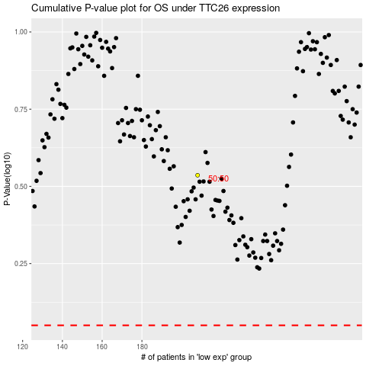

 |  |  |  |  |  | cases_OS | p_OS | rank | exp
 |  |  |  |  |  |  | cases_RFS | p_RFS | rank | exp

