TTC30A _multivariate
Reported by Tex Li-Hsing Chi. tex@gate.sinica.edu.tw 2019-08-15

Table 2. The clinicopathological features of HNSCC cohort and TTC30A expression. (Chi square test)
Cutoff at -0.256 (49.8%)
 |  | TTC30A expression |  | TTC30A expression |  | (Optimised)
 | Features | Low | (%) | High | (%) | Case no | P-value | Remark | Matthews
Gender | Female | 144 | 34.7 | 162 | 39 | 415 | 0.0697 | 0 | 0
2 | Male | 63 | 15.2 | 46 | 11.1
Age at diagnosis | <=65y | 144 | 34.7 | 130 | 31.3 | 415 | 0.1568 | 0 | 0
4 | >65y | 63 | 15.2 | 78 | 18.8
Clinical T Status | T1+T2 | 77 | 18.6 | 72 | 17.3 | 415 | 0.6556 | 0 | 0
6 | T3+T4 | 130 | 31.3 | 136 | 32.8
Clinical N Status | N0 | 106 | 25.5 | 110 | 26.5 | 415 | 0.8075 | 0 | 0
8 | N1-3 | 101 | 24.3 | 98 | 23.6
Clinical M Status | M0 | 205 | 49.4 | 207 | 49.9 | 415 | 0.6232 | 0 | 0
10 | M1 | 2 | 0.5 | 1 | 0.2
Clinical Stage | Stage I+II | 53 | 12.8 | 49 | 11.8 | 415 | 0.7113 | 0 | 0
12 | Stage III+IV | 154 | 37.1 | 159 | 38.3
Surgical Margin status | Negative | 157 | 37.8 | 161 | 38.8 | 415 | 0.729 | 0 | 0
14 | Positive | 50 | 12 | 47 | 11.3
Tobacco Exposure | Low | 89 | 21.4 | 72 | 17.3 | 415 | 0.0872 | 0 | 0
16 | High | 118 | 28.4 | 136 | 32.8

Table 3. Univariate/Multivariate Cox's proportional hazards regression analyses on OS time of TTC30A gene expression in HNSCC

 |  | Univariate |  |  |  | Multivariate
 | Features | HR | CI95%(L) | CI95%(H) | P-value | HR | CI95%(L) | CI95%(H) | P-value
1 | Female | 1 |  |  |  | 1
Gender | Male | 1.157 | 0.843 | 1.587 | 0.367 | 1.215 | 0.869 | 1.698 | 0.256
11 | <=65y | 1 |  |  |  | 1
Age at diagnosis | >65y | 1.329 | 0.99 | 1.784 | 0.058 | 1.372 | 1.007 | 1.87 | 0.045
12 | T1+T2 | 1 |  |  |  | 1
Clinical T Status | T3+T4 | 1.409 | 1.028 | 1.931 | 0.033 | 2.208 | 1.167 | 4.174 | 0.015
13 | N0 | 1 |  |  |  | 1
Clinical N Status | N1-3 | 1.185 | 0.89 | 1.577 | 0.246 | 1.242 | 0.87 | 1.772 | 0.233
14 | M0 | 1 |  |  |  | 1
Clinical M Status | M1 | 4.097 | 1.009 | 16.644 | 0.049 | 9.782 | 2.126 | 45.022 | 0.003
15 | Stage I+II | 1 |  |  |  | 1
Clinical Stage | Stage III+IV | 1.245 | 0.882 | 1.759 | 0.213 | 0.499 | 0.232 | 1.072 | 0.075
16 | Negative | 1 |  |  |  | 1
Surgical Margin status | Positive | 1.591 | 1.155 | 2.191 | 0.004 | 1.682 | 1.217 | 2.325 | 0.002
17 | Low | 1 |  |  |  | 1
Tobacco Exposure | High | 1.364 | 1.008 | 1.844 | 0.044 | 1.446 | 1.05 | 1.991 | 0.024
18 | Low | 1 |  |  |  | 1
RNAseq(z-score) | High | 1.115 | 0.834 | 1.491 | 0.461 | 1.111 | 0.826 | 1.493 | 0.487

Table 4. Univariate/Multivariate Cox's proportional hazards regression analyses on RFS time of TTC30A gene expression in HNSCC

 |  | Univariate |  |  |  | Multivariate
 | Features | HR | CI95%(L) | CI95%(H) | P-value | HR | CI95%(L) | CI95%(H) | P-value
1 | Female | 1 |  |  |  | 1
Gender | Male | 1.157 | 0.843 | 1.587 | 0.367 | 1.215 | 0.869 | 1.698 | 0.256
11 | <=65y | 1 |  |  |  | 1
Age at diagnosis | >65y | 1.329 | 0.99 | 1.784 | 0.058 | 1.372 | 1.007 | 1.87 | 0.045
12 | T1+T2 | 1 |  |  |  | 1
Clinical T Status | T3+T4 | 1.409 | 1.028 | 1.931 | 0.033 | 2.208 | 1.167 | 4.174 | 0.015
13 | N0 | 1 |  |  |  | 1
Clinical N Status | N1-3 | 1.185 | 0.89 | 1.577 | 0.246 | 1.242 | 0.87 | 1.772 | 0.233
14 | M0 | 1 |  |  |  | 1
Clinical M Status | M1 | 4.097 | 1.009 | 16.644 | 0.049 | 9.782 | 2.126 | 45.022 | 0.003
15 | Stage I+II | 1 |  |  |  | 1
Clinical Stage | Stage III+IV | 1.245 | 0.882 | 1.759 | 0.213 | 0.499 | 0.232 | 1.072 | 0.075
16 | Negative | 1 |  |  |  | 1
Surgical Margin status | Positive | 1.591 | 1.155 | 2.191 | 0.004 | 1.682 | 1.217 | 2.325 | 0.002
17 | Low | 1 |  |  |  | 1
Tobacco Exposure | High | 1.364 | 1.008 | 1.844 | 0.044 | 1.446 | 1.05 | 1.991 | 0.024
18 | Low | 1 |  |  |  | 1
RNAseq(z-score) | High | 1.115 | 0.834 | 1.491 | 0.461 | 1.111 | 0.826 | 1.493 | 0.487

Kaplan-Meier survival estimate: Cutoff at -0.256 (49.8%)



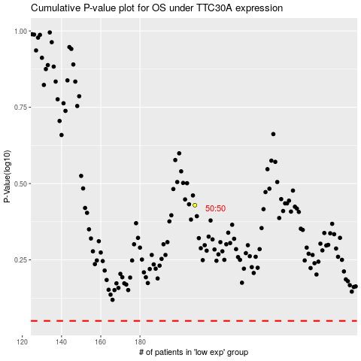

 |  |  |  |  |  | cases_OS | p_OS | rank | exp
 |  |  |  |  |  |  | cases_RFS | p_RFS | rank | exp

