TTC32 _multivariate
Reported by Tex Li-Hsing Chi. tex@gate.sinica.edu.tw 2019-08-15

Table 2. The clinicopathological features of HNSCC cohort and TTC32 expression. (Chi square test)
Cutoff at -0.291 (50.0%)
 |  | TTC32 expression |  | TTC32 expression |  | (Optimised)
 | Features | Low | (%) | High | (%) | Case no | P-value | Remark | Matthews
Gender | Female | 146 | 35.2 | 160 | 38.6 | 415 | 0.1714 | 0 | 0
2 | Male | 61 | 14.7 | 48 | 11.6
Age at diagnosis | <=65y | 132 | 31.8 | 142 | 34.2 | 415 | 0.3874 | 0 | 0
4 | >65y | 75 | 18.1 | 66 | 15.9
Clinical T Status | T1+T2 | 73 | 17.6 | 76 | 18.3 | 415 | 0.8666 | 0 | 0
6 | T3+T4 | 134 | 32.3 | 132 | 31.8
Clinical N Status | N0 | 105 | 25.3 | 111 | 26.7 | 415 | 0.6598 | 0 | 0
8 | N1-3 | 102 | 24.6 | 97 | 23.4
Clinical M Status | M0 | 206 | 49.6 | 206 | 49.6 | 415 | 1 | 0 | 0
10 | M1 | 1 | 0.2 | 2 | 0.5
Clinical Stage | Stage I+II | 51 | 12.3 | 51 | 12.3 | 415 | 1 | 0 | 0
12 | Stage III+IV | 156 | 37.6 | 157 | 37.8
Surgical Margin status | Negative | 166 | 40 | 152 | 36.6 | 415 | 0.1042 | 0 | 0
14 | Positive | 41 | 9.9 | 56 | 13.5
Tobacco Exposure | Low | 85 | 20.5 | 76 | 18.3 | 415 | 0.3655 | 0 | 0
16 | High | 122 | 29.4 | 132 | 31.8

Table 3. Univariate/Multivariate Cox's proportional hazards regression analyses on OS time of TTC32 gene expression in HNSCC

 |  | Univariate |  |  |  | Multivariate
 | Features | HR | CI95%(L) | CI95%(H) | P-value | HR | CI95%(L) | CI95%(H) | P-value
1 | Female | 1 |  |  |  | 1
Gender | Male | 1.157 | 0.843 | 1.587 | 0.367 | 1.201 | 0.859 | 1.678 | 0.284
11 | <=65y | 1 |  |  |  | 1
Age at diagnosis | >65y | 1.329 | 0.99 | 1.784 | 0.058 | 1.393 | 1.025 | 1.894 | 0.034
12 | T1+T2 | 1 |  |  |  | 1
Clinical T Status | T3+T4 | 1.409 | 1.028 | 1.931 | 0.033 | 2.204 | 1.165 | 4.168 | 0.015
13 | N0 | 1 |  |  |  | 1
Clinical N Status | N1-3 | 1.185 | 0.89 | 1.577 | 0.246 | 1.24 | 0.869 | 1.769 | 0.235
14 | M0 | 1 |  |  |  | 1
Clinical M Status | M1 | 4.097 | 1.009 | 16.644 | 0.049 | 9.374 | 2.044 | 42.989 | 0.004
15 | Stage I+II | 1 |  |  |  | 1
Clinical Stage | Stage III+IV | 1.245 | 0.882 | 1.759 | 0.213 | 0.505 | 0.235 | 1.084 | 0.08
16 | Negative | 1 |  |  |  | 1
Surgical Margin status | Positive | 1.591 | 1.155 | 2.191 | 0.004 | 1.666 | 1.203 | 2.307 | 0.002
17 | Low | 1 |  |  |  | 1
Tobacco Exposure | High | 1.364 | 1.008 | 1.844 | 0.044 | 1.448 | 1.049 | 1.999 | 0.024
18 | Low | 1 |  |  |  | 1
RNAseq(z-score) | High | 1.09 | 0.818 | 1.451 | 0.557 | 1.027 | 0.767 | 1.373 | 0.86

Table 4. Univariate/Multivariate Cox's proportional hazards regression analyses on RFS time of TTC32 gene expression in HNSCC

 |  | Univariate |  |  |  | Multivariate
 | Features | HR | CI95%(L) | CI95%(H) | P-value | HR | CI95%(L) | CI95%(H) | P-value
1 | Female | 1 |  |  |  | 1
Gender | Male | 1.157 | 0.843 | 1.587 | 0.367 | 1.201 | 0.859 | 1.678 | 0.284
11 | <=65y | 1 |  |  |  | 1
Age at diagnosis | >65y | 1.329 | 0.99 | 1.784 | 0.058 | 1.393 | 1.025 | 1.894 | 0.034
12 | T1+T2 | 1 |  |  |  | 1
Clinical T Status | T3+T4 | 1.409 | 1.028 | 1.931 | 0.033 | 2.204 | 1.165 | 4.168 | 0.015
13 | N0 | 1 |  |  |  | 1
Clinical N Status | N1-3 | 1.185 | 0.89 | 1.577 | 0.246 | 1.24 | 0.869 | 1.769 | 0.235
14 | M0 | 1 |  |  |  | 1
Clinical M Status | M1 | 4.097 | 1.009 | 16.644 | 0.049 | 9.374 | 2.044 | 42.989 | 0.004
15 | Stage I+II | 1 |  |  |  | 1
Clinical Stage | Stage III+IV | 1.245 | 0.882 | 1.759 | 0.213 | 0.505 | 0.235 | 1.084 | 0.08
16 | Negative | 1 |  |  |  | 1
Surgical Margin status | Positive | 1.591 | 1.155 | 2.191 | 0.004 | 1.666 | 1.203 | 2.307 | 0.002
17 | Low | 1 |  |  |  | 1
Tobacco Exposure | High | 1.364 | 1.008 | 1.844 | 0.044 | 1.448 | 1.049 | 1.999 | 0.024
18 | Low | 1 |  |  |  | 1
RNAseq(z-score) | High | 1.09 | 0.818 | 1.451 | 0.557 | 1.027 | 0.767 | 1.373 | 0.86

Kaplan-Meier survival estimate: Cutoff at -0.291 (50.0%)



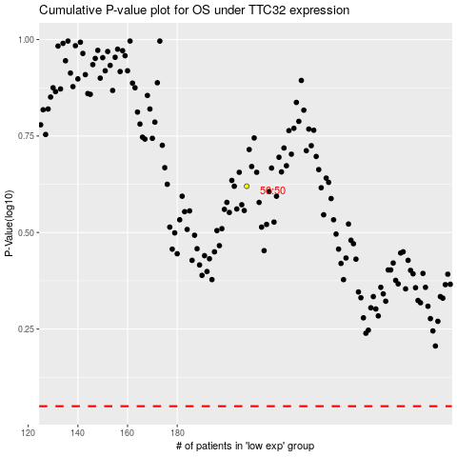

 |  |  |  |  |  | cases_OS | p_OS | rank | exp
 |  |  |  |  |  |  | cases_RFS | p_RFS | rank | exp

