TTC37 _multivariate
Reported by Tex Li-Hsing Chi. tex@gate.sinica.edu.tw 2019-08-15

Table 2. The clinicopathological features of HNSCC cohort and TTC37 expression. (Chi square test)
Cutoff at -0.138 (49.8%)
 |  | TTC37 expression |  | TTC37 expression |  | (Optimised)
 | Features | Low | (%) | High | (%) | Case no | P-value | Remark | Matthews
Gender | Female | 161 | 38.8 | 145 | 34.9 | 415 | 0.0792 | 0 | 0
2 | Male | 46 | 11.1 | 63 | 15.2
Age at diagnosis | <=65y | 143 | 34.5 | 131 | 31.6 | 415 | 0.2269 | 0 | 0
4 | >65y | 64 | 15.4 | 77 | 18.6
Clinical T Status | T1+T2 | 59 | 14.2 | 90 | 21.7 | 415 | 0.0024 | 1 | 0
6 | T3+T4 | 148 | 35.7 | 118 | 28.4
Clinical N Status | N0 | 106 | 25.5 | 110 | 26.5 | 415 | 0.8075 | 0 | 0
8 | N1-3 | 101 | 24.3 | 98 | 23.6
Clinical M Status | M0 | 206 | 49.6 | 206 | 49.6 | 415 | 1 | 0 | 0
10 | M1 | 1 | 0.2 | 2 | 0.5
Clinical Stage | Stage I+II | 42 | 10.1 | 60 | 14.5 | 415 | 0.0561 | 0 | 0
12 | Stage III+IV | 165 | 39.8 | 148 | 35.7
Surgical Margin status | Negative | 155 | 37.3 | 163 | 39.3 | 415 | 0.4187 | 0 | 0
14 | Positive | 52 | 12.5 | 45 | 10.8
Tobacco Exposure | Low | 68 | 16.4 | 93 | 22.4 | 415 | 0.0156 | 1 | 0
16 | High | 139 | 33.5 | 115 | 27.7

Table 3. Univariate/Multivariate Cox's proportional hazards regression analyses on OS time of TTC37 gene expression in HNSCC

 |  | Univariate |  |  |  | Multivariate
 | Features | HR | CI95%(L) | CI95%(H) | P-value | HR | CI95%(L) | CI95%(H) | P-value
1 | Female | 1 |  |  |  | 1
Gender | Male | 1.157 | 0.843 | 1.587 | 0.367 | 1.194 | 0.855 | 1.667 | 0.299
11 | <=65y | 1 |  |  |  | 1
Age at diagnosis | >65y | 1.329 | 0.99 | 1.784 | 0.058 | 1.387 | 1.02 | 1.886 | 0.037
12 | T1+T2 | 1 |  |  |  | 1
Clinical T Status | T3+T4 | 1.409 | 1.028 | 1.931 | 0.033 | 2.296 | 1.208 | 4.364 | 0.011
13 | N0 | 1 |  |  |  | 1
Clinical N Status | N1-3 | 1.185 | 0.89 | 1.577 | 0.246 | 1.24 | 0.869 | 1.769 | 0.236
14 | M0 | 1 |  |  |  | 1
Clinical M Status | M1 | 4.097 | 1.009 | 16.644 | 0.049 | 9.573 | 2.088 | 43.902 | 0.004
15 | Stage I+II | 1 |  |  |  | 1
Clinical Stage | Stage III+IV | 1.245 | 0.882 | 1.759 | 0.213 | 0.498 | 0.232 | 1.07 | 0.074
16 | Negative | 1 |  |  |  | 1
Surgical Margin status | Positive | 1.591 | 1.155 | 2.191 | 0.004 | 1.694 | 1.225 | 2.344 | 0.001
17 | Low | 1 |  |  |  | 1
Tobacco Exposure | High | 1.364 | 1.008 | 1.844 | 0.044 | 1.491 | 1.077 | 2.063 | 0.016
18 | Low | 1 |  |  |  | 1
RNAseq(z-score) | High | 1.005 | 0.755 | 1.339 | 0.971 | 1.162 | 0.861 | 1.569 | 0.327

Table 4. Univariate/Multivariate Cox's proportional hazards regression analyses on RFS time of TTC37 gene expression in HNSCC

 |  | Univariate |  |  |  | Multivariate
 | Features | HR | CI95%(L) | CI95%(H) | P-value | HR | CI95%(L) | CI95%(H) | P-value
1 | Female | 1 |  |  |  | 1
Gender | Male | 1.157 | 0.843 | 1.587 | 0.367 | 1.194 | 0.855 | 1.667 | 0.299
11 | <=65y | 1 |  |  |  | 1
Age at diagnosis | >65y | 1.329 | 0.99 | 1.784 | 0.058 | 1.387 | 1.02 | 1.886 | 0.037
12 | T1+T2 | 1 |  |  |  | 1
Clinical T Status | T3+T4 | 1.409 | 1.028 | 1.931 | 0.033 | 2.296 | 1.208 | 4.364 | 0.011
13 | N0 | 1 |  |  |  | 1
Clinical N Status | N1-3 | 1.185 | 0.89 | 1.577 | 0.246 | 1.24 | 0.869 | 1.769 | 0.236
14 | M0 | 1 |  |  |  | 1
Clinical M Status | M1 | 4.097 | 1.009 | 16.644 | 0.049 | 9.573 | 2.088 | 43.902 | 0.004
15 | Stage I+II | 1 |  |  |  | 1
Clinical Stage | Stage III+IV | 1.245 | 0.882 | 1.759 | 0.213 | 0.498 | 0.232 | 1.07 | 0.074
16 | Negative | 1 |  |  |  | 1
Surgical Margin status | Positive | 1.591 | 1.155 | 2.191 | 0.004 | 1.694 | 1.225 | 2.344 | 0.001
17 | Low | 1 |  |  |  | 1
Tobacco Exposure | High | 1.364 | 1.008 | 1.844 | 0.044 | 1.491 | 1.077 | 2.063 | 0.016
18 | Low | 1 |  |  |  | 1
RNAseq(z-score) | High | 1.005 | 0.755 | 1.339 | 0.971 | 1.162 | 0.861 | 1.569 | 0.327

Kaplan-Meier survival estimate: Cutoff at -0.138 (49.8%)



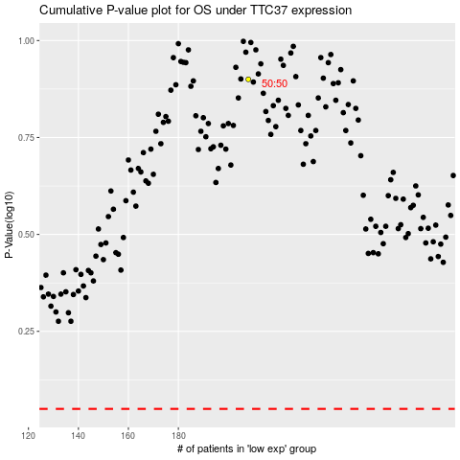

 |  |  |  |  |  | cases_OS | p_OS | rank | exp
 |  |  |  |  |  |  | cases_RFS | p_RFS | rank | exp

