TTC38 _multivariate
Reported by Tex Li-Hsing Chi. tex@gate.sinica.edu.tw 2019-08-15

Table 2. The clinicopathological features of HNSCC cohort and TTC38 expression. (Chi square test)
Cutoff at -0.216 (49.8%)
 |  | TTC38 expression |  | TTC38 expression |  | (Optimised)
 | Features | Low | (%) | High | (%) | Case no | P-value | Remark | Matthews
Gender | Female | 149 | 35.9 | 157 | 37.8 | 415 | 0.4848 | 0 | 0
2 | Male | 58 | 14 | 51 | 12.3
Age at diagnosis | <=65y | 126 | 30.4 | 148 | 35.7 | 415 | 0.035 | 1 | 0
4 | >65y | 81 | 19.5 | 60 | 14.5
Clinical T Status | T1+T2 | 72 | 17.3 | 77 | 18.6 | 415 | 0.7095 | 0 | 0
6 | T3+T4 | 135 | 32.5 | 131 | 31.6
Clinical N Status | N0 | 109 | 26.3 | 107 | 25.8 | 415 | 0.8812 | 0 | 0
8 | N1-3 | 98 | 23.6 | 101 | 24.3
Clinical M Status | M0 | 206 | 49.6 | 206 | 49.6 | 415 | 1 | 0 | 0
10 | M1 | 1 | 0.2 | 2 | 0.5
Clinical Stage | Stage I+II | 50 | 12 | 52 | 12.5 | 415 | 0.9315 | 0 | 0
12 | Stage III+IV | 157 | 37.8 | 156 | 37.6
Surgical Margin status | Negative | 165 | 39.8 | 153 | 36.9 | 415 | 0.1639 | 0 | 0
14 | Positive | 42 | 10.1 | 55 | 13.3
Tobacco Exposure | Low | 85 | 20.5 | 76 | 18.3 | 415 | 0.3655 | 0 | 0
16 | High | 122 | 29.4 | 132 | 31.8

Table 3. Univariate/Multivariate Cox's proportional hazards regression analyses on OS time of TTC38 gene expression in HNSCC

 |  | Univariate |  |  |  | Multivariate
 | Features | HR | CI95%(L) | CI95%(H) | P-value | HR | CI95%(L) | CI95%(H) | P-value
1 | Female | 1 |  |  |  | 1
Gender | Male | 1.157 | 0.843 | 1.587 | 0.367 | 1.202 | 0.86 | 1.681 | 0.282
11 | <=65y | 1 |  |  |  | 1
Age at diagnosis | >65y | 1.329 | 0.99 | 1.784 | 0.058 | 1.35 | 0.99 | 1.842 | 0.058
12 | T1+T2 | 1 |  |  |  | 1
Clinical T Status | T3+T4 | 1.409 | 1.028 | 1.931 | 0.033 | 2.217 | 1.172 | 4.193 | 0.014
13 | N0 | 1 |  |  |  | 1
Clinical N Status | N1-3 | 1.185 | 0.89 | 1.577 | 0.246 | 1.246 | 0.873 | 1.778 | 0.225
14 | M0 | 1 |  |  |  | 1
Clinical M Status | M1 | 4.097 | 1.009 | 16.644 | 0.049 | 10.013 | 2.177 | 46.043 | 0.003
15 | Stage I+II | 1 |  |  |  | 1
Clinical Stage | Stage III+IV | 1.245 | 0.882 | 1.759 | 0.213 | 0.493 | 0.23 | 1.06 | 0.07
16 | Negative | 1 |  |  |  | 1
Surgical Margin status | Positive | 1.591 | 1.155 | 2.191 | 0.004 | 1.711 | 1.235 | 2.37 | 0.001
17 | Low | 1 |  |  |  | 1
Tobacco Exposure | High | 1.364 | 1.008 | 1.844 | 0.044 | 1.471 | 1.066 | 2.029 | 0.019
18 | Low | 1 |  |  |  | 1
RNAseq(z-score) | High | 0.854 | 0.641 | 1.138 | 0.282 | 0.827 | 0.616 | 1.11 | 0.206

Table 4. Univariate/Multivariate Cox's proportional hazards regression analyses on RFS time of TTC38 gene expression in HNSCC

 |  | Univariate |  |  |  | Multivariate
 | Features | HR | CI95%(L) | CI95%(H) | P-value | HR | CI95%(L) | CI95%(H) | P-value
1 | Female | 1 |  |  |  | 1
Gender | Male | 1.157 | 0.843 | 1.587 | 0.367 | 1.202 | 0.86 | 1.681 | 0.282
11 | <=65y | 1 |  |  |  | 1
Age at diagnosis | >65y | 1.329 | 0.99 | 1.784 | 0.058 | 1.35 | 0.99 | 1.842 | 0.058
12 | T1+T2 | 1 |  |  |  | 1
Clinical T Status | T3+T4 | 1.409 | 1.028 | 1.931 | 0.033 | 2.217 | 1.172 | 4.193 | 0.014
13 | N0 | 1 |  |  |  | 1
Clinical N Status | N1-3 | 1.185 | 0.89 | 1.577 | 0.246 | 1.246 | 0.873 | 1.778 | 0.225
14 | M0 | 1 |  |  |  | 1
Clinical M Status | M1 | 4.097 | 1.009 | 16.644 | 0.049 | 10.013 | 2.177 | 46.043 | 0.003
15 | Stage I+II | 1 |  |  |  | 1
Clinical Stage | Stage III+IV | 1.245 | 0.882 | 1.759 | 0.213 | 0.493 | 0.23 | 1.06 | 0.07
16 | Negative | 1 |  |  |  | 1
Surgical Margin status | Positive | 1.591 | 1.155 | 2.191 | 0.004 | 1.711 | 1.235 | 2.37 | 0.001
17 | Low | 1 |  |  |  | 1
Tobacco Exposure | High | 1.364 | 1.008 | 1.844 | 0.044 | 1.471 | 1.066 | 2.029 | 0.019
18 | Low | 1 |  |  |  | 1
RNAseq(z-score) | High | 0.854 | 0.641 | 1.138 | 0.282 | 0.827 | 0.616 | 1.11 | 0.206

Kaplan-Meier survival estimate: Cutoff at -0.216 (49.8%)



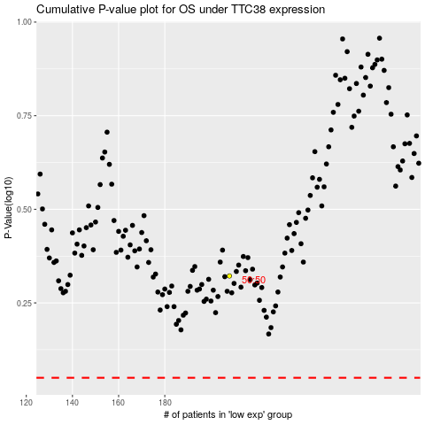

 |  |  |  |  |  | cases_OS | p_OS | rank | exp
 |  |  |  |  |  |  | cases_RFS | p_RFS | rank | exp

