TTC4 _multivariate
Reported by Tex Li-Hsing Chi. tex@gate.sinica.edu.tw 2019-08-15

Table 2. The clinicopathological features of HNSCC cohort and TTC4 expression. (Chi square test)
Cutoff at -0.021 (50.0%)
 |  | TTC4 expression |  | TTC4 expression |  | (Optimised)
 | Features | Low | (%) | High | (%) | Case no | P-value | Remark | Matthews
Gender | Female | 151 | 36.4 | 155 | 37.3 | 415 | 0.8007 | 0 | 0
2 | Male | 56 | 13.5 | 53 | 12.8
Age at diagnosis | <=65y | 127 | 30.6 | 147 | 35.4 | 415 | 0.0573 | 0 | 0
4 | >65y | 80 | 19.3 | 61 | 14.7
Clinical T Status | T1+T2 | 75 | 18.1 | 74 | 17.8 | 415 | 0.9707 | 0 | 0
6 | T3+T4 | 132 | 31.8 | 134 | 32.3
Clinical N Status | N0 | 101 | 24.3 | 115 | 27.7 | 415 | 0.2201 | 0 | 0
8 | N1-3 | 106 | 25.5 | 93 | 22.4
Clinical M Status | M0 | 207 | 49.9 | 205 | 49.4 | 415 | 0.2482 | 0 | 0
10 | M1 | 0 | 0 | 3 | 0.7
Clinical Stage | Stage I+II | 50 | 12 | 52 | 12.5 | 415 | 0.9315 | 0 | 0
12 | Stage III+IV | 157 | 37.8 | 156 | 37.6
Surgical Margin status | Negative | 158 | 38.1 | 160 | 38.6 | 415 | 0.9081 | 0 | 0
14 | Positive | 49 | 11.8 | 48 | 11.6
Tobacco Exposure | Low | 91 | 21.9 | 70 | 16.9 | 415 | 0.0346 | 1 | 0
16 | High | 116 | 28 | 138 | 33.3

Table 3. Univariate/Multivariate Cox's proportional hazards regression analyses on OS time of TTC4 gene expression in HNSCC

 |  | Univariate |  |  |  | Multivariate
 | Features | HR | CI95%(L) | CI95%(H) | P-value | HR | CI95%(L) | CI95%(H) | P-value
1 | Female | 1 |  |  |  | 1
Gender | Male | 1.157 | 0.843 | 1.587 | 0.367 | 1.204 | 0.862 | 1.681 | 0.277
11 | <=65y | 1 |  |  |  | 1
Age at diagnosis | >65y | 1.329 | 0.99 | 1.784 | 0.058 | 1.387 | 1.02 | 1.886 | 0.037
12 | T1+T2 | 1 |  |  |  | 1
Clinical T Status | T3+T4 | 1.409 | 1.028 | 1.931 | 0.033 | 2.198 | 1.162 | 4.157 | 0.015
13 | N0 | 1 |  |  |  | 1
Clinical N Status | N1-3 | 1.185 | 0.89 | 1.577 | 0.246 | 1.227 | 0.857 | 1.755 | 0.264
14 | M0 | 1 |  |  |  | 1
Clinical M Status | M1 | 4.097 | 1.009 | 16.644 | 0.049 | 9.809 | 2.12 | 45.385 | 0.003
15 | Stage I+II | 1 |  |  |  | 1
Clinical Stage | Stage III+IV | 1.245 | 0.882 | 1.759 | 0.213 | 0.507 | 0.236 | 1.088 | 0.081
16 | Negative | 1 |  |  |  | 1
Surgical Margin status | Positive | 1.591 | 1.155 | 2.191 | 0.004 | 1.671 | 1.209 | 2.31 | 0.002
17 | Low | 1 |  |  |  | 1
Tobacco Exposure | High | 1.364 | 1.008 | 1.844 | 0.044 | 1.473 | 1.064 | 2.04 | 0.02
18 | Low | 1 |  |  |  | 1
RNAseq(z-score) | High | 0.964 | 0.724 | 1.284 | 0.802 | 0.928 | 0.691 | 1.247 | 0.621

Table 4. Univariate/Multivariate Cox's proportional hazards regression analyses on RFS time of TTC4 gene expression in HNSCC

 |  | Univariate |  |  |  | Multivariate
 | Features | HR | CI95%(L) | CI95%(H) | P-value | HR | CI95%(L) | CI95%(H) | P-value
1 | Female | 1 |  |  |  | 1
Gender | Male | 1.157 | 0.843 | 1.587 | 0.367 | 1.204 | 0.862 | 1.681 | 0.277
11 | <=65y | 1 |  |  |  | 1
Age at diagnosis | >65y | 1.329 | 0.99 | 1.784 | 0.058 | 1.387 | 1.02 | 1.886 | 0.037
12 | T1+T2 | 1 |  |  |  | 1
Clinical T Status | T3+T4 | 1.409 | 1.028 | 1.931 | 0.033 | 2.198 | 1.162 | 4.157 | 0.015
13 | N0 | 1 |  |  |  | 1
Clinical N Status | N1-3 | 1.185 | 0.89 | 1.577 | 0.246 | 1.227 | 0.857 | 1.755 | 0.264
14 | M0 | 1 |  |  |  | 1
Clinical M Status | M1 | 4.097 | 1.009 | 16.644 | 0.049 | 9.809 | 2.12 | 45.385 | 0.003
15 | Stage I+II | 1 |  |  |  | 1
Clinical Stage | Stage III+IV | 1.245 | 0.882 | 1.759 | 0.213 | 0.507 | 0.236 | 1.088 | 0.081
16 | Negative | 1 |  |  |  | 1
Surgical Margin status | Positive | 1.591 | 1.155 | 2.191 | 0.004 | 1.671 | 1.209 | 2.31 | 0.002
17 | Low | 1 |  |  |  | 1
Tobacco Exposure | High | 1.364 | 1.008 | 1.844 | 0.044 | 1.473 | 1.064 | 2.04 | 0.02
18 | Low | 1 |  |  |  | 1
RNAseq(z-score) | High | 0.964 | 0.724 | 1.284 | 0.802 | 0.928 | 0.691 | 1.247 | 0.621

Kaplan-Meier survival estimate: Cutoff at -0.021 (50.0%)



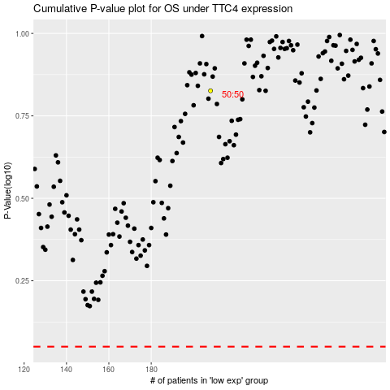

 |  |  |  |  |  | cases_OS | p_OS | rank | exp
 |  |  |  |  |  |  | cases_RFS | p_RFS | rank | exp

