TTC5 _multivariate
Reported by Tex Li-Hsing Chi. tex@gate.sinica.edu.tw 2019-08-15

Table 2. The clinicopathological features of HNSCC cohort and TTC5 expression. (Chi square test)
Cutoff at -0.352 (37.4%)
 |  | TTC5 expression |  | TTC5 expression |  | (Optimised)
 | Features | Low | (%) | High | (%) | Case no | P-value | Remark | Matthews
Gender | Female | 105 | 25.3 | 201 | 48.4 | 415 | 0.0282 | 1 | 0
2 | Male | 51 | 12.3 | 58 | 14
Age at diagnosis | <=65y | 101 | 24.3 | 173 | 41.7 | 415 | 0.7486 | 0 | 0
4 | >65y | 55 | 13.3 | 86 | 20.7
Clinical T Status | T1+T2 | 55 | 13.3 | 94 | 22.7 | 415 | 0.9143 | 0 | 0
6 | T3+T4 | 101 | 24.3 | 165 | 39.8
Clinical N Status | N0 | 79 | 19 | 137 | 33 | 415 | 0.7309 | 0 | 0
8 | N1-3 | 77 | 18.6 | 122 | 29.4
Clinical M Status | M0 | 155 | 37.3 | 257 | 61.9 | 415 | 1 | 0 | 0
10 | M1 | 1 | 0.2 | 2 | 0.5
Clinical Stage | Stage I+II | 39 | 9.4 | 63 | 15.2 | 415 | 0.9704 | 0 | 0
12 | Stage III+IV | 117 | 28.2 | 196 | 47.2
Surgical Margin status | Negative | 120 | 28.9 | 198 | 47.7 | 415 | 1 | 0 | 0
14 | Positive | 36 | 8.7 | 61 | 14.7
Tobacco Exposure | Low | 71 | 17.1 | 90 | 21.7 | 415 | 0.0374 | 1 | 0
16 | High | 85 | 20.5 | 169 | 40.7

Table 3. Univariate/Multivariate Cox's proportional hazards regression analyses on OS time of TTC5 gene expression in HNSCC

 |  | Univariate |  |  |  | Multivariate
 | Features | HR | CI95%(L) | CI95%(H) | P-value | HR | CI95%(L) | CI95%(H) | P-value
1 | Female | 1 |  |  |  | 1
Gender | Male | 1.157 | 0.843 | 1.587 | 0.367 | 1.258 | 0.898 | 1.763 | 0.182
11 | <=65y | 1 |  |  |  | 1
Age at diagnosis | >65y | 1.329 | 0.99 | 1.784 | 0.058 | 1.399 | 1.03 | 1.901 | 0.032
12 | T1+T2 | 1 |  |  |  | 1
Clinical T Status | T3+T4 | 1.409 | 1.028 | 1.931 | 0.033 | 2.246 | 1.186 | 4.251 | 0.013
13 | N0 | 1 |  |  |  | 1
Clinical N Status | N1-3 | 1.185 | 0.89 | 1.577 | 0.246 | 1.262 | 0.884 | 1.803 | 0.201
14 | M0 | 1 |  |  |  | 1
Clinical M Status | M1 | 4.097 | 1.009 | 16.644 | 0.049 | 9.62 | 2.096 | 44.146 | 0.004
15 | Stage I+II | 1 |  |  |  | 1
Clinical Stage | Stage III+IV | 1.245 | 0.882 | 1.759 | 0.213 | 0.491 | 0.229 | 1.054 | 0.068
16 | Negative | 1 |  |  |  | 1
Surgical Margin status | Positive | 1.591 | 1.155 | 2.191 | 0.004 | 1.697 | 1.227 | 2.348 | 0.001
17 | Low | 1 |  |  |  | 1
Tobacco Exposure | High | 1.364 | 1.008 | 1.844 | 0.044 | 1.416 | 1.028 | 1.951 | 0.033
18 | Low | 1 |  |  |  | 1
RNAseq(z-score) | High | 1.368 | 1.003 | 1.866 | 0.048 | 1.4 | 1.02 | 1.92 | 0.037

Table 4. Univariate/Multivariate Cox's proportional hazards regression analyses on RFS time of TTC5 gene expression in HNSCC

 |  | Univariate |  |  |  | Multivariate
 | Features | HR | CI95%(L) | CI95%(H) | P-value | HR | CI95%(L) | CI95%(H) | P-value
1 | Female | 1 |  |  |  | 1
Gender | Male | 1.157 | 0.843 | 1.587 | 0.367 | 1.258 | 0.898 | 1.763 | 0.182
11 | <=65y | 1 |  |  |  | 1
Age at diagnosis | >65y | 1.329 | 0.99 | 1.784 | 0.058 | 1.399 | 1.03 | 1.901 | 0.032
12 | T1+T2 | 1 |  |  |  | 1
Clinical T Status | T3+T4 | 1.409 | 1.028 | 1.931 | 0.033 | 2.246 | 1.186 | 4.251 | 0.013
13 | N0 | 1 |  |  |  | 1
Clinical N Status | N1-3 | 1.185 | 0.89 | 1.577 | 0.246 | 1.262 | 0.884 | 1.803 | 0.201
14 | M0 | 1 |  |  |  | 1
Clinical M Status | M1 | 4.097 | 1.009 | 16.644 | 0.049 | 9.62 | 2.096 | 44.146 | 0.004
15 | Stage I+II | 1 |  |  |  | 1
Clinical Stage | Stage III+IV | 1.245 | 0.882 | 1.759 | 0.213 | 0.491 | 0.229 | 1.054 | 0.068
16 | Negative | 1 |  |  |  | 1
Surgical Margin status | Positive | 1.591 | 1.155 | 2.191 | 0.004 | 1.697 | 1.227 | 2.348 | 0.001
17 | Low | 1 |  |  |  | 1
Tobacco Exposure | High | 1.364 | 1.008 | 1.844 | 0.044 | 1.416 | 1.028 | 1.951 | 0.033
18 | Low | 1 |  |  |  | 1
RNAseq(z-score) | High | 1.368 | 1.003 | 1.866 | 0.048 | 1.4 | 1.02 | 1.92 | 0.037

Kaplan-Meier survival estimate: Cutoff at -0.352 (37.4%)

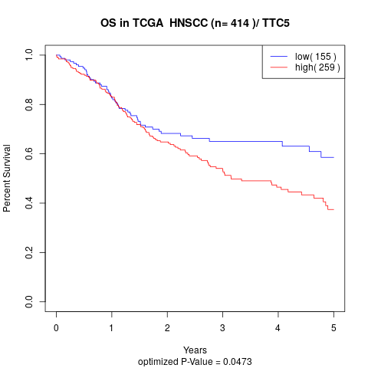

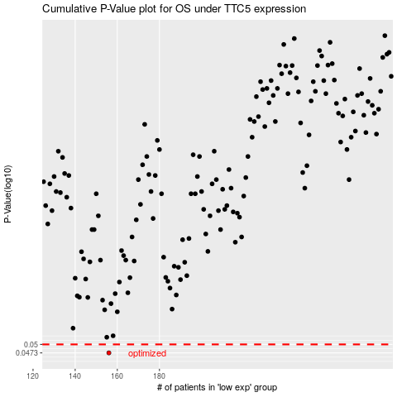

 |  |  |  |  |  | cases_OS | p_OS | rank | exp
 |  |  |  |  |  | 156 | 0.0473 | 285 | -0.35215925888
 |  |  |  |  |  |  | cases_RFS | p_RFS | rank | exp
 |  |  |  |  |  |  | 155 | 0.0473 | 388 | -0.36130187396

