TTF1 _multivariate
Reported by Tex Li-Hsing Chi. tex@gate.sinica.edu.tw 2019-08-15

Table 2. The clinicopathological features of HNSCC cohort and TTF1 expression. (Chi square test)
Cutoff at -0.124 (48.8%)
 |  | TTF1 expression |  | TTF1 expression |  | (Optimised)
 | Features | Low | (%) | High | (%) | Case no | P-value | Remark | Matthews
Gender | Female | 145 | 34.9 | 161 | 38.8 | 415 | 0.4421 | 0 | 0
2 | Male | 57 | 13.7 | 52 | 12.5
Age at diagnosis | <=65y | 131 | 31.6 | 143 | 34.5 | 415 | 0.6984 | 0 | 0
4 | >65y | 71 | 17.1 | 70 | 16.9
Clinical T Status | T1+T2 | 73 | 17.6 | 76 | 18.3 | 415 | 1 | 0 | 0
6 | T3+T4 | 129 | 31.1 | 137 | 33
Clinical N Status | N0 | 111 | 26.7 | 105 | 25.3 | 415 | 0.2918 | 1 | 0
8 | N1-3 | 91 | 21.9 | 108 | 26
Clinical M Status | M0 | 201 | 48.4 | 211 | 50.8 | 415 | 1 | 0 | 0
10 | M1 | 1 | 0.2 | 2 | 0.5
Clinical Stage | Stage I+II | 54 | 13 | 48 | 11.6 | 415 | 0.3796 | 0 | 0
12 | Stage III+IV | 148 | 35.7 | 165 | 39.8
Surgical Margin status | Negative | 160 | 38.6 | 158 | 38.1 | 415 | 0.2469 | 0 | 0
14 | Positive | 42 | 10.1 | 55 | 13.3
Tobacco Exposure | Low | 86 | 20.7 | 75 | 18.1 | 415 | 0.1316 | 0 | 0
16 | High | 116 | 28 | 138 | 33.3

Table 3. Univariate/Multivariate Cox's proportional hazards regression analyses on OS time of TTF1 gene expression in HNSCC

 |  | Univariate |  |  |  | Multivariate
 | Features | HR | CI95%(L) | CI95%(H) | P-value | HR | CI95%(L) | CI95%(H) | P-value
1 | Female | 1 |  |  |  | 1
Gender | Male | 1.157 | 0.843 | 1.587 | 0.367 | 1.222 | 0.874 | 1.71 | 0.241
11 | <=65y | 1 |  |  |  | 1
Age at diagnosis | >65y | 1.329 | 0.99 | 1.784 | 0.058 | 1.361 | 1 | 1.853 | 0.05
12 | T1+T2 | 1 |  |  |  | 1
Clinical T Status | T3+T4 | 1.409 | 1.028 | 1.931 | 0.033 | 2.243 | 1.186 | 4.241 | 0.013
13 | N0 | 1 |  |  |  | 1
Clinical N Status | N1-3 | 1.185 | 0.89 | 1.577 | 0.246 | 1.234 | 0.865 | 1.76 | 0.246
14 | M0 | 1 |  |  |  | 1
Clinical M Status | M1 | 4.097 | 1.009 | 16.644 | 0.049 | 9.473 | 2.066 | 43.432 | 0.004
15 | Stage I+II | 1 |  |  |  | 1
Clinical Stage | Stage III+IV | 1.245 | 0.882 | 1.759 | 0.213 | 0.485 | 0.226 | 1.042 | 0.064
16 | Negative | 1 |  |  |  | 1
Surgical Margin status | Positive | 1.591 | 1.155 | 2.191 | 0.004 | 1.649 | 1.193 | 2.28 | 0.002
17 | Low | 1 |  |  |  | 1
Tobacco Exposure | High | 1.364 | 1.008 | 1.844 | 0.044 | 1.439 | 1.043 | 1.986 | 0.027
18 | Low | 1 |  |  |  | 1
RNAseq(z-score) | High | 1.337 | 1.002 | 1.783 | 0.049 | 1.295 | 0.967 | 1.736 | 0.083

Table 4. Univariate/Multivariate Cox's proportional hazards regression analyses on RFS time of TTF1 gene expression in HNSCC

 |  | Univariate |  |  |  | Multivariate
 | Features | HR | CI95%(L) | CI95%(H) | P-value | HR | CI95%(L) | CI95%(H) | P-value
1 | Female | 1 |  |  |  | 1
Gender | Male | 1.157 | 0.843 | 1.587 | 0.367 | 1.222 | 0.874 | 1.71 | 0.241
11 | <=65y | 1 |  |  |  | 1
Age at diagnosis | >65y | 1.329 | 0.99 | 1.784 | 0.058 | 1.361 | 1 | 1.853 | 0.05
12 | T1+T2 | 1 |  |  |  | 1
Clinical T Status | T3+T4 | 1.409 | 1.028 | 1.931 | 0.033 | 2.243 | 1.186 | 4.241 | 0.013
13 | N0 | 1 |  |  |  | 1
Clinical N Status | N1-3 | 1.185 | 0.89 | 1.577 | 0.246 | 1.234 | 0.865 | 1.76 | 0.246
14 | M0 | 1 |  |  |  | 1
Clinical M Status | M1 | 4.097 | 1.009 | 16.644 | 0.049 | 9.473 | 2.066 | 43.432 | 0.004
15 | Stage I+II | 1 |  |  |  | 1
Clinical Stage | Stage III+IV | 1.245 | 0.882 | 1.759 | 0.213 | 0.485 | 0.226 | 1.042 | 0.064
16 | Negative | 1 |  |  |  | 1
Surgical Margin status | Positive | 1.591 | 1.155 | 2.191 | 0.004 | 1.649 | 1.193 | 2.28 | 0.002
17 | Low | 1 |  |  |  | 1
Tobacco Exposure | High | 1.364 | 1.008 | 1.844 | 0.044 | 1.439 | 1.043 | 1.986 | 0.027
18 | Low | 1 |  |  |  | 1
RNAseq(z-score) | High | 1.337 | 1.002 | 1.783 | 0.049 | 1.295 | 0.967 | 1.736 | 0.083

Kaplan-Meier survival estimate: Cutoff at -0.124 (48.8%)



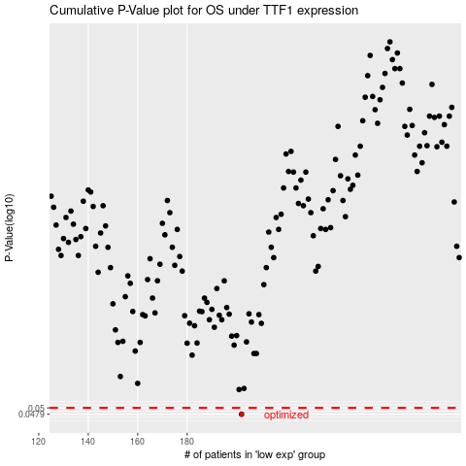

 |  |  |  |  |  | cases_OS | p_OS | rank | exp
 |  |  |  |  |  | 202 | 0.0479 | 209 | -0.12447739884
 |  |  |  |  |  |  | cases_RFS | p_RFS | rank | exp
 |  |  |  |  |  |  | 201 | 0.0479 | 17 | -0.13622173995

