TTK _multivariate
Reported by Tex Li-Hsing Chi. tex@gate.sinica.edu.tw 2019-08-15

Table 2. The clinicopathological features of HNSCC cohort and TTK expression. (Chi square test)
Cutoff at -0.53 (30.2%)
 |  | TTK expression |  | TTK expression |  | (Optimised)
 | Features | Low | (%) | High | (%) | Case no | P-value | Remark | Matthews
Gender | Female | 96 | 23.1 | 210 | 50.6 | 415 | 0.5292 | 0 | 0
2 | Male | 30 | 7.2 | 79 | 19
Age at diagnosis | <=65y | 85 | 20.5 | 189 | 45.5 | 415 | 0.7678 | 0 | 0
4 | >65y | 41 | 9.9 | 100 | 24.1
Clinical T Status | T1+T2 | 43 | 10.4 | 106 | 25.5 | 415 | 0.6988 | 0 | 0
6 | T3+T4 | 83 | 20 | 183 | 44.1
Clinical N Status | N0 | 70 | 16.9 | 146 | 35.2 | 415 | 0.4023 | 0 | 0
8 | N1-3 | 56 | 13.5 | 143 | 34.5
Clinical M Status | M0 | 126 | 30.4 | 286 | 68.9 | 415 | 0.5566 | 0 | 0
10 | M1 | 0 | 0 | 3 | 0.7
Clinical Stage | Stage I+II | 34 | 8.2 | 68 | 16.4 | 415 | 0.5302 | 0 | 0
12 | Stage III+IV | 92 | 22.2 | 221 | 53.3
Surgical Margin status | Negative | 102 | 24.6 | 216 | 52 | 415 | 0.207 | 0 | 0
14 | Positive | 24 | 5.8 | 73 | 17.6
Tobacco Exposure | Low | 53 | 12.8 | 108 | 26 | 415 | 0.3823 | 0 | 0
16 | High | 73 | 17.6 | 181 | 43.6

Table 3. Univariate/Multivariate Cox's proportional hazards regression analyses on OS time of TTK gene expression in HNSCC

 |  | Univariate |  |  |  | Multivariate
 | Features | HR | CI95%(L) | CI95%(H) | P-value | HR | CI95%(L) | CI95%(H) | P-value
1 | Female | 1 |  |  |  | 1
Gender | Male | 1.157 | 0.843 | 1.587 | 0.367 | 1.183 | 0.845 | 1.654 | 0.327
11 | <=65y | 1 |  |  |  | 1
Age at diagnosis | >65y | 1.329 | 0.99 | 1.784 | 0.058 | 1.361 | 1 | 1.851 | 0.05
12 | T1+T2 | 1 |  |  |  | 1
Clinical T Status | T3+T4 | 1.409 | 1.028 | 1.931 | 0.033 | 2.348 | 1.238 | 4.454 | 0.009
13 | N0 | 1 |  |  |  | 1
Clinical N Status | N1-3 | 1.185 | 0.89 | 1.577 | 0.246 | 1.261 | 0.883 | 1.8 | 0.203
14 | M0 | 1 |  |  |  | 1
Clinical M Status | M1 | 4.097 | 1.009 | 16.644 | 0.049 | 8.987 | 1.958 | 41.245 | 0.005
15 | Stage I+II | 1 |  |  |  | 1
Clinical Stage | Stage III+IV | 1.245 | 0.882 | 1.759 | 0.213 | 0.469 | 0.217 | 1.01 | 0.053
16 | Negative | 1 |  |  |  | 1
Surgical Margin status | Positive | 1.591 | 1.155 | 2.191 | 0.004 | 1.659 | 1.199 | 2.294 | 0.002
17 | Low | 1 |  |  |  | 1
Tobacco Exposure | High | 1.364 | 1.008 | 1.844 | 0.044 | 1.423 | 1.031 | 1.965 | 0.032
18 | Low | 1 |  |  |  | 1
RNAseq(z-score) | High | 1.435 | 1.033 | 1.994 | 0.031 | 1.401 | 1.003 | 1.959 | 0.048

Table 4. Univariate/Multivariate Cox's proportional hazards regression analyses on RFS time of TTK gene expression in HNSCC

 |  | Univariate |  |  |  | Multivariate
 | Features | HR | CI95%(L) | CI95%(H) | P-value | HR | CI95%(L) | CI95%(H) | P-value
1 | Female | 1 |  |  |  | 1
Gender | Male | 1.157 | 0.843 | 1.587 | 0.367 | 1.183 | 0.845 | 1.654 | 0.327
11 | <=65y | 1 |  |  |  | 1
Age at diagnosis | >65y | 1.329 | 0.99 | 1.784 | 0.058 | 1.361 | 1 | 1.851 | 0.05
12 | T1+T2 | 1 |  |  |  | 1
Clinical T Status | T3+T4 | 1.409 | 1.028 | 1.931 | 0.033 | 2.348 | 1.238 | 4.454 | 0.009
13 | N0 | 1 |  |  |  | 1
Clinical N Status | N1-3 | 1.185 | 0.89 | 1.577 | 0.246 | 1.261 | 0.883 | 1.8 | 0.203
14 | M0 | 1 |  |  |  | 1
Clinical M Status | M1 | 4.097 | 1.009 | 16.644 | 0.049 | 8.987 | 1.958 | 41.245 | 0.005
15 | Stage I+II | 1 |  |  |  | 1
Clinical Stage | Stage III+IV | 1.245 | 0.882 | 1.759 | 0.213 | 0.469 | 0.217 | 1.01 | 0.053
16 | Negative | 1 |  |  |  | 1
Surgical Margin status | Positive | 1.591 | 1.155 | 2.191 | 0.004 | 1.659 | 1.199 | 2.294 | 0.002
17 | Low | 1 |  |  |  | 1
Tobacco Exposure | High | 1.364 | 1.008 | 1.844 | 0.044 | 1.423 | 1.031 | 1.965 | 0.032
18 | Low | 1 |  |  |  | 1
RNAseq(z-score) | High | 1.435 | 1.033 | 1.994 | 0.031 | 1.401 | 1.003 | 1.959 | 0.048

Kaplan-Meier survival estimate: Cutoff at -0.53 (30.2%)

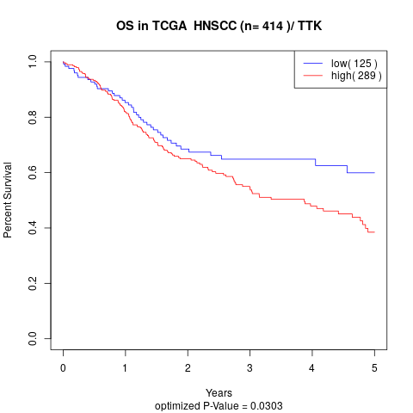

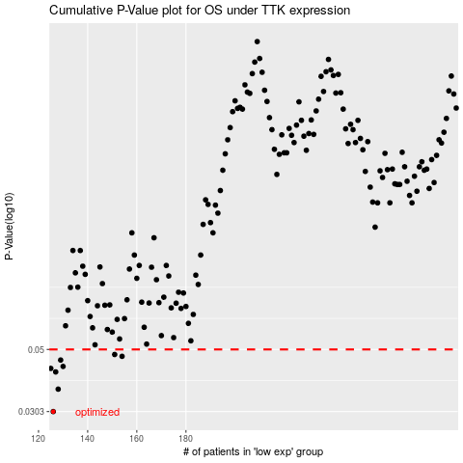

 |  |  |  |  |  | cases_OS | p_OS | rank | exp
 |  |  |  |  |  | 126 | 0.0303 | 133 | -0.52964613526
 |  |  |  |  |  | 128 | 0.0363 | 375 | -0.52152015054
 |  |  |  |  |  | 127 | 0.0417 | 269 | -0.52557411958
 |  |  |  |  |  | 125 | 0.0429 | 63 | -0.5328918447
 |  |  |  |  |  | 130 | 0.0436 | 191 | -0.51071135832
 |  |  |  |  |  | 129 | 0.0459 | 81 | -0.52117073666
 |  |  |  |  |  | 154 | 0.0473 | 159 | -0.37584220548
 |  |  |  |  |  | 151 | 0.048 | 207 | -0.40473911793
 |  |  |  |  |  |  | cases_RFS | p_RFS | rank | exp
 |  |  |  |  |  |  | 125 | 0.0303 | 63 | -0.5328918447
 |  |  |  |  |  |  | 127 | 0.0363 | 269 | -0.52557411958
 |  |  |  |  |  |  | 126 | 0.0417 | 133 | -0.52964613526
 |  |  |  |  |  |  |  | 0.0429 | 334 | -0.53345897032
 |  |  |  |  |  |  | 129 | 0.0436 | 81 | -0.52117073666
 |  |  |  |  |  |  | 128 | 0.0459 | 375 | -0.52152015054
 |  |  |  |  |  |  | 153 | 0.0473 | 320 | -0.38175651549
 |  |  |  |  |  |  | 150 | 0.048 | 119 | -0.40621855937

