TTLL11 _multivariate
Reported by Tex Li-Hsing Chi. tex@gate.sinica.edu.tw 2019-08-15

Table 2. The clinicopathological features of HNSCC cohort and TTLL11 expression. (Chi square test)
Cutoff at -0.237 (50.0%)
 |  | TTLL11 expression |  | TTLL11 expression |  | (Optimised)
 | Features | Low | (%) | High | (%) | Case no | P-value | Remark | Matthews
Gender | Female | 163 | 39.3 | 143 | 34.5 | 415 | 0.0277 | 1 | 0
2 | Male | 44 | 10.6 | 65 | 15.7
Age at diagnosis | <=65y | 143 | 34.5 | 131 | 31.6 | 415 | 0.2269 | 0 | 0
4 | >65y | 64 | 15.4 | 77 | 18.6
Clinical T Status | T1+T2 | 66 | 15.9 | 83 | 20 | 415 | 0.1095 | 0 | 0
6 | T3+T4 | 141 | 34 | 125 | 30.1
Clinical N Status | N0 | 104 | 25.1 | 112 | 27 | 415 | 0.5243 | 0 | 0
8 | N1-3 | 103 | 24.8 | 96 | 23.1
Clinical M Status | M0 | 206 | 49.6 | 206 | 49.6 | 415 | 1 | 0 | 0
10 | M1 | 1 | 0.2 | 2 | 0.5
Clinical Stage | Stage I+II | 38 | 9.2 | 64 | 15.4 | 415 | 0.0048 | 1 | 0
12 | Stage III+IV | 169 | 40.7 | 144 | 34.7
Surgical Margin status | Negative | 162 | 39 | 156 | 37.6 | 415 | 0.4867 | 0 | 0
14 | Positive | 45 | 10.8 | 52 | 12.5
Tobacco Exposure | Low | 64 | 15.4 | 97 | 23.4 | 415 | 0.0012 | 1 | 0
16 | High | 143 | 34.5 | 111 | 26.7

Table 3. Univariate/Multivariate Cox's proportional hazards regression analyses on OS time of TTLL11 gene expression in HNSCC

 |  | Univariate |  |  |  | Multivariate
 | Features | HR | CI95%(L) | CI95%(H) | P-value | HR | CI95%(L) | CI95%(H) | P-value
1 | Female | 1 |  |  |  | 1
Gender | Male | 1.157 | 0.843 | 1.587 | 0.367 | 1.18 | 0.843 | 1.65 | 0.334
11 | <=65y | 1 |  |  |  | 1
Age at diagnosis | >65y | 1.329 | 0.99 | 1.784 | 0.058 | 1.377 | 1.012 | 1.873 | 0.042
12 | T1+T2 | 1 |  |  |  | 1
Clinical T Status | T3+T4 | 1.409 | 1.028 | 1.931 | 0.033 | 2.131 | 1.126 | 4.036 | 0.02
13 | N0 | 1 |  |  |  | 1
Clinical N Status | N1-3 | 1.185 | 0.89 | 1.577 | 0.246 | 1.209 | 0.845 | 1.729 | 0.299
14 | M0 | 1 |  |  |  | 1
Clinical M Status | M1 | 4.097 | 1.009 | 16.644 | 0.049 | 8.919 | 1.942 | 40.955 | 0.005
15 | Stage I+II | 1 |  |  |  | 1
Clinical Stage | Stage III+IV | 1.245 | 0.882 | 1.759 | 0.213 | 0.546 | 0.252 | 1.182 | 0.125
16 | Negative | 1 |  |  |  | 1
Surgical Margin status | Positive | 1.591 | 1.155 | 2.191 | 0.004 | 1.646 | 1.191 | 2.275 | 0.003
17 | Low | 1 |  |  |  | 1
Tobacco Exposure | High | 1.364 | 1.008 | 1.844 | 0.044 | 1.51 | 1.09 | 2.092 | 0.013
18 | Low | 1 |  |  |  | 1
RNAseq(z-score) | High | 1.227 | 0.919 | 1.639 | 0.166 | 1.234 | 0.911 | 1.672 | 0.174

Table 4. Univariate/Multivariate Cox's proportional hazards regression analyses on RFS time of TTLL11 gene expression in HNSCC

 |  | Univariate |  |  |  | Multivariate
 | Features | HR | CI95%(L) | CI95%(H) | P-value | HR | CI95%(L) | CI95%(H) | P-value
1 | Female | 1 |  |  |  | 1
Gender | Male | 1.157 | 0.843 | 1.587 | 0.367 | 1.18 | 0.843 | 1.65 | 0.334
11 | <=65y | 1 |  |  |  | 1
Age at diagnosis | >65y | 1.329 | 0.99 | 1.784 | 0.058 | 1.377 | 1.012 | 1.873 | 0.042
12 | T1+T2 | 1 |  |  |  | 1
Clinical T Status | T3+T4 | 1.409 | 1.028 | 1.931 | 0.033 | 2.131 | 1.126 | 4.036 | 0.02
13 | N0 | 1 |  |  |  | 1
Clinical N Status | N1-3 | 1.185 | 0.89 | 1.577 | 0.246 | 1.209 | 0.845 | 1.729 | 0.299
14 | M0 | 1 |  |  |  | 1
Clinical M Status | M1 | 4.097 | 1.009 | 16.644 | 0.049 | 8.919 | 1.942 | 40.955 | 0.005
15 | Stage I+II | 1 |  |  |  | 1
Clinical Stage | Stage III+IV | 1.245 | 0.882 | 1.759 | 0.213 | 0.546 | 0.252 | 1.182 | 0.125
16 | Negative | 1 |  |  |  | 1
Surgical Margin status | Positive | 1.591 | 1.155 | 2.191 | 0.004 | 1.646 | 1.191 | 2.275 | 0.003
17 | Low | 1 |  |  |  | 1
Tobacco Exposure | High | 1.364 | 1.008 | 1.844 | 0.044 | 1.51 | 1.09 | 2.092 | 0.013
18 | Low | 1 |  |  |  | 1
RNAseq(z-score) | High | 1.227 | 0.919 | 1.639 | 0.166 | 1.234 | 0.911 | 1.672 | 0.174

Kaplan-Meier survival estimate: Cutoff at -0.237 (50.0%)



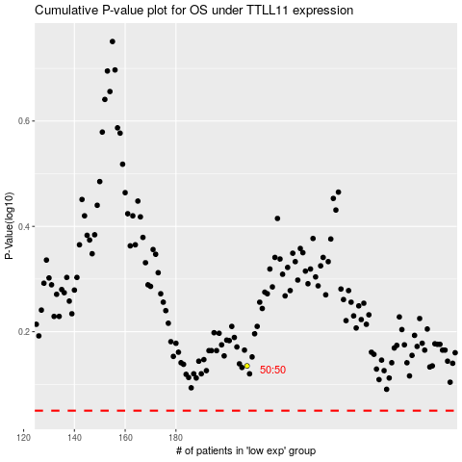

 |  |  |  |  |  | cases_OS | p_OS | rank | exp
 |  |  |  |  |  |  | cases_RFS | p_RFS | rank | exp

