TTLL12 _multivariate
Reported by Tex Li-Hsing Chi. tex@gate.sinica.edu.tw 2019-08-15

Table 2. The clinicopathological features of HNSCC cohort and TTLL12 expression. (Chi square test)
Cutoff at -0.182 (49.8%)
 |  | TTLL12 expression |  | TTLL12 expression |  | (Optimised)
 | Features | Low | (%) | High | (%) | Case no | P-value | Remark | Matthews
Gender | Female | 142 | 34.2 | 164 | 39.5 | 415 | 0.0238 | 1 | 0
2 | Male | 65 | 15.7 | 44 | 10.6
Age at diagnosis | <=65y | 138 | 33.3 | 136 | 32.8 | 415 | 0.8634 | 0 | 0
4 | >65y | 69 | 16.6 | 72 | 17.3
Clinical T Status | T1+T2 | 88 | 21.2 | 61 | 14.7 | 415 | 0.007 | 1 | 0
6 | T3+T4 | 119 | 28.7 | 147 | 35.4
Clinical N Status | N0 | 110 | 26.5 | 106 | 25.5 | 415 | 0.7294 | 0 | 0
8 | N1-3 | 97 | 23.4 | 102 | 24.6
Clinical M Status | M0 | 207 | 49.9 | 205 | 49.4 | 415 | 0.2482 | 0 | 0
10 | M1 | 0 | 0 | 3 | 0.7
Clinical Stage | Stage I+II | 66 | 15.9 | 36 | 8.7 | 415 | 9e-04 | 1 | 0
12 | Stage III+IV | 141 | 34 | 172 | 41.4
Surgical Margin status | Negative | 162 | 39 | 156 | 37.6 | 415 | 0.4867 | 0 | 0
14 | Positive | 45 | 10.8 | 52 | 12.5
Tobacco Exposure | Low | 95 | 22.9 | 66 | 15.9 | 415 | 0.0035 | 1 | 0
16 | High | 112 | 27 | 142 | 34.2

Table 3. Univariate/Multivariate Cox's proportional hazards regression analyses on OS time of TTLL12 gene expression in HNSCC

 |  | Univariate |  |  |  | Multivariate
 | Features | HR | CI95%(L) | CI95%(H) | P-value | HR | CI95%(L) | CI95%(H) | P-value
1 | Female | 1 |  |  |  | 1
Gender | Male | 1.157 | 0.843 | 1.587 | 0.367 | 1.194 | 0.853 | 1.67 | 0.301
11 | <=65y | 1 |  |  |  | 1
Age at diagnosis | >65y | 1.329 | 0.99 | 1.784 | 0.058 | 1.394 | 1.025 | 1.895 | 0.034
12 | T1+T2 | 1 |  |  |  | 1
Clinical T Status | T3+T4 | 1.409 | 1.028 | 1.931 | 0.033 | 2.195 | 1.16 | 4.152 | 0.016
13 | N0 | 1 |  |  |  | 1
Clinical N Status | N1-3 | 1.185 | 0.89 | 1.577 | 0.246 | 1.228 | 0.858 | 1.758 | 0.262
14 | M0 | 1 |  |  |  | 1
Clinical M Status | M1 | 4.097 | 1.009 | 16.644 | 0.049 | 9.69 | 2.1 | 44.708 | 0.004
15 | Stage I+II | 1 |  |  |  | 1
Clinical Stage | Stage III+IV | 1.245 | 0.882 | 1.759 | 0.213 | 0.516 | 0.239 | 1.115 | 0.093
16 | Negative | 1 |  |  |  | 1
Surgical Margin status | Positive | 1.591 | 1.155 | 2.191 | 0.004 | 1.679 | 1.214 | 2.322 | 0.002
17 | Low | 1 |  |  |  | 1
Tobacco Exposure | High | 1.364 | 1.008 | 1.844 | 0.044 | 1.471 | 1.062 | 2.038 | 0.02
18 | Low | 1 |  |  |  | 1
RNAseq(z-score) | High | 1.038 | 0.777 | 1.387 | 0.8 | 0.936 | 0.688 | 1.275 | 0.675

Table 4. Univariate/Multivariate Cox's proportional hazards regression analyses on RFS time of TTLL12 gene expression in HNSCC

 |  | Univariate |  |  |  | Multivariate
 | Features | HR | CI95%(L) | CI95%(H) | P-value | HR | CI95%(L) | CI95%(H) | P-value
1 | Female | 1 |  |  |  | 1
Gender | Male | 1.157 | 0.843 | 1.587 | 0.367 | 1.194 | 0.853 | 1.67 | 0.301
11 | <=65y | 1 |  |  |  | 1
Age at diagnosis | >65y | 1.329 | 0.99 | 1.784 | 0.058 | 1.394 | 1.025 | 1.895 | 0.034
12 | T1+T2 | 1 |  |  |  | 1
Clinical T Status | T3+T4 | 1.409 | 1.028 | 1.931 | 0.033 | 2.195 | 1.16 | 4.152 | 0.016
13 | N0 | 1 |  |  |  | 1
Clinical N Status | N1-3 | 1.185 | 0.89 | 1.577 | 0.246 | 1.228 | 0.858 | 1.758 | 0.262
14 | M0 | 1 |  |  |  | 1
Clinical M Status | M1 | 4.097 | 1.009 | 16.644 | 0.049 | 9.69 | 2.1 | 44.708 | 0.004
15 | Stage I+II | 1 |  |  |  | 1
Clinical Stage | Stage III+IV | 1.245 | 0.882 | 1.759 | 0.213 | 0.516 | 0.239 | 1.115 | 0.093
16 | Negative | 1 |  |  |  | 1
Surgical Margin status | Positive | 1.591 | 1.155 | 2.191 | 0.004 | 1.679 | 1.214 | 2.322 | 0.002
17 | Low | 1 |  |  |  | 1
Tobacco Exposure | High | 1.364 | 1.008 | 1.844 | 0.044 | 1.471 | 1.062 | 2.038 | 0.02
18 | Low | 1 |  |  |  | 1
RNAseq(z-score) | High | 1.038 | 0.777 | 1.387 | 0.8 | 0.936 | 0.688 | 1.275 | 0.675

Kaplan-Meier survival estimate: Cutoff at -0.182 (49.8%)

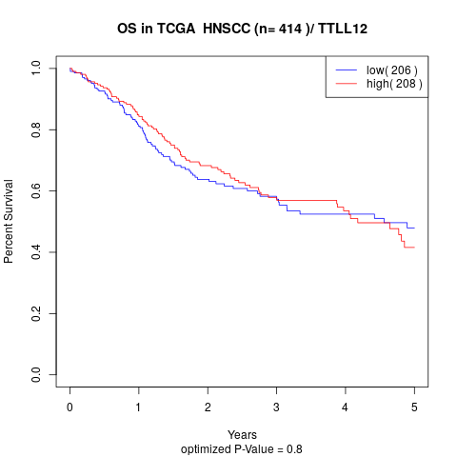

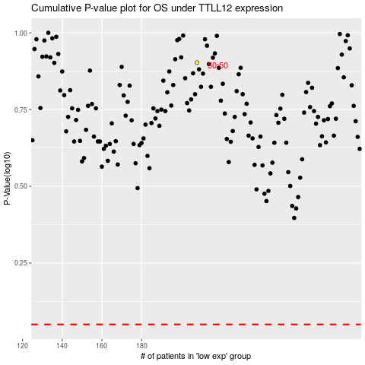

 |  |  |  |  |  | cases_OS | p_OS | rank | exp
 |  |  |  |  |  |  | cases_RFS | p_RFS | rank | exp

