TTLL5 _multivariate
Reported by Tex Li-Hsing Chi. tex@gate.sinica.edu.tw 2019-08-15

Table 2. The clinicopathological features of HNSCC cohort and TTLL5 expression. (Chi square test)
Cutoff at -0.104 (49.8%)
 |  | TTLL5 expression |  | TTLL5 expression |  | (Optimised)
 | Features | Low | (%) | High | (%) | Case no | P-value | Remark | Matthews
Gender | Female | 144 | 34.7 | 162 | 39 | 415 | 0.0697 | 0 | 0
2 | Male | 63 | 15.2 | 46 | 11.1
Age at diagnosis | <=65y | 133 | 32 | 141 | 34 | 415 | 0.5111 | 0 | 0
4 | >65y | 74 | 17.8 | 67 | 16.1
Clinical T Status | T1+T2 | 75 | 18.1 | 74 | 17.8 | 415 | 0.9707 | 0 | 0
6 | T3+T4 | 132 | 31.8 | 134 | 32.3
Clinical N Status | N0 | 116 | 28 | 100 | 24.1 | 415 | 0.1273 | 1 | 0
8 | N1-3 | 91 | 21.9 | 108 | 26
Clinical M Status | M0 | 205 | 49.4 | 207 | 49.9 | 415 | 0.6232 | 0 | 0
10 | M1 | 2 | 0.5 | 1 | 0.2
Clinical Stage | Stage I+II | 54 | 13 | 48 | 11.6 | 415 | 0.5498 | 0 | 0
12 | Stage III+IV | 153 | 36.9 | 160 | 38.6
Surgical Margin status | Negative | 158 | 38.1 | 160 | 38.6 | 415 | 0.9081 | 0 | 0
14 | Positive | 49 | 11.8 | 48 | 11.6
Tobacco Exposure | Low | 82 | 19.8 | 79 | 19 | 415 | 0.763 | 0 | 0
16 | High | 125 | 30.1 | 129 | 31.1

Table 3. Univariate/Multivariate Cox's proportional hazards regression analyses on OS time of TTLL5 gene expression in HNSCC

 |  | Univariate |  |  |  | Multivariate
 | Features | HR | CI95%(L) | CI95%(H) | P-value | HR | CI95%(L) | CI95%(H) | P-value
1 | Female | 1 |  |  |  | 1
Gender | Male | 1.157 | 0.843 | 1.587 | 0.367 | 1.196 | 0.856 | 1.671 | 0.294
11 | <=65y | 1 |  |  |  | 1
Age at diagnosis | >65y | 1.329 | 0.99 | 1.784 | 0.058 | 1.393 | 1.024 | 1.893 | 0.035
12 | T1+T2 | 1 |  |  |  | 1
Clinical T Status | T3+T4 | 1.409 | 1.028 | 1.931 | 0.033 | 2.18 | 1.152 | 4.124 | 0.017
13 | N0 | 1 |  |  |  | 1
Clinical N Status | N1-3 | 1.185 | 0.89 | 1.577 | 0.246 | 1.245 | 0.873 | 1.777 | 0.227
14 | M0 | 1 |  |  |  | 1
Clinical M Status | M1 | 4.097 | 1.009 | 16.644 | 0.049 | 9.023 | 1.958 | 41.571 | 0.005
15 | Stage I+II | 1 |  |  |  | 1
Clinical Stage | Stage III+IV | 1.245 | 0.882 | 1.759 | 0.213 | 0.511 | 0.238 | 1.098 | 0.085
16 | Negative | 1 |  |  |  | 1
Surgical Margin status | Positive | 1.591 | 1.155 | 2.191 | 0.004 | 1.666 | 1.206 | 2.302 | 0.002
17 | Low | 1 |  |  |  | 1
Tobacco Exposure | High | 1.364 | 1.008 | 1.844 | 0.044 | 1.453 | 1.054 | 2.002 | 0.022
18 | Low | 1 |  |  |  | 1
RNAseq(z-score) | High | 0.883 | 0.661 | 1.18 | 0.4 | 0.909 | 0.679 | 1.216 | 0.519

Table 4. Univariate/Multivariate Cox's proportional hazards regression analyses on RFS time of TTLL5 gene expression in HNSCC

 |  | Univariate |  |  |  | Multivariate
 | Features | HR | CI95%(L) | CI95%(H) | P-value | HR | CI95%(L) | CI95%(H) | P-value
1 | Female | 1 |  |  |  | 1
Gender | Male | 1.157 | 0.843 | 1.587 | 0.367 | 1.196 | 0.856 | 1.671 | 0.294
11 | <=65y | 1 |  |  |  | 1
Age at diagnosis | >65y | 1.329 | 0.99 | 1.784 | 0.058 | 1.393 | 1.024 | 1.893 | 0.035
12 | T1+T2 | 1 |  |  |  | 1
Clinical T Status | T3+T4 | 1.409 | 1.028 | 1.931 | 0.033 | 2.18 | 1.152 | 4.124 | 0.017
13 | N0 | 1 |  |  |  | 1
Clinical N Status | N1-3 | 1.185 | 0.89 | 1.577 | 0.246 | 1.245 | 0.873 | 1.777 | 0.227
14 | M0 | 1 |  |  |  | 1
Clinical M Status | M1 | 4.097 | 1.009 | 16.644 | 0.049 | 9.023 | 1.958 | 41.571 | 0.005
15 | Stage I+II | 1 |  |  |  | 1
Clinical Stage | Stage III+IV | 1.245 | 0.882 | 1.759 | 0.213 | 0.511 | 0.238 | 1.098 | 0.085
16 | Negative | 1 |  |  |  | 1
Surgical Margin status | Positive | 1.591 | 1.155 | 2.191 | 0.004 | 1.666 | 1.206 | 2.302 | 0.002
17 | Low | 1 |  |  |  | 1
Tobacco Exposure | High | 1.364 | 1.008 | 1.844 | 0.044 | 1.453 | 1.054 | 2.002 | 0.022
18 | Low | 1 |  |  |  | 1
RNAseq(z-score) | High | 0.883 | 0.661 | 1.18 | 0.4 | 0.909 | 0.679 | 1.216 | 0.519

Kaplan-Meier survival estimate: Cutoff at -0.104 (49.8%)



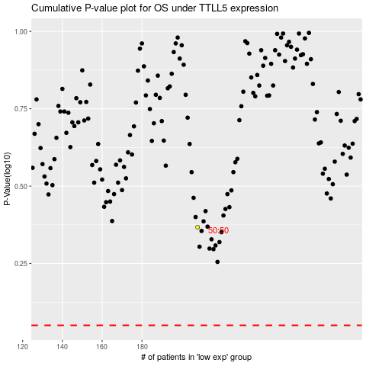

 |  |  |  |  |  | cases_OS | p_OS | rank | exp
 |  |  |  |  |  |  | cases_RFS | p_RFS | rank | exp

