TTN _multivariate
Reported by Tex Li-Hsing Chi. tex@gate.sinica.edu.tw 2019-08-15

Table 2. The clinicopathological features of HNSCC cohort and TTN expression. (Chi square test)
Cutoff at -0.203 (58.5%)
 |  | TTN expression |  | TTN expression |  | (Optimised)
 | Features | Low | (%) | High | (%) | Case no | P-value | Remark | Matthews
Gender | Female | 182 | 43.9 | 124 | 29.9 | 415 | 0.4885 | 0 | 0
2 | Male | 60 | 14.5 | 49 | 11.8
Age at diagnosis | <=65y | 152 | 36.6 | 122 | 29.4 | 415 | 0.126 | 0 | 0
4 | >65y | 90 | 21.7 | 51 | 12.3
Clinical T Status | T1+T2 | 72 | 17.3 | 77 | 18.6 | 415 | 0.0028 | 1 | 0
6 | T3+T4 | 170 | 41 | 96 | 23.1
Clinical N Status | N0 | 124 | 29.9 | 92 | 22.2 | 415 | 0.7716 | 0 | 0
8 | N1-3 | 118 | 28.4 | 81 | 19.5
Clinical M Status | M0 | 239 | 57.6 | 173 | 41.7 | 415 | 0.269 | 0 | 0
10 | M1 | 3 | 0.7 | 0 | 0
Clinical Stage | Stage I+II | 46 | 11.1 | 56 | 13.5 | 415 | 0.0027 | 1 | 0
12 | Stage III+IV | 196 | 47.2 | 117 | 28.2
Surgical Margin status | Negative | 182 | 43.9 | 136 | 32.8 | 415 | 0.4806 | 0 | 0
14 | Positive | 60 | 14.5 | 37 | 8.9
Tobacco Exposure | Low | 93 | 22.4 | 68 | 16.4 | 415 | 0.9187 | 0 | 0
16 | High | 149 | 35.9 | 105 | 25.3

Table 3. Univariate/Multivariate Cox's proportional hazards regression analyses on OS time of TTN gene expression in HNSCC

 |  | Univariate |  |  |  | Multivariate
 | Features | HR | CI95%(L) | CI95%(H) | P-value | HR | CI95%(L) | CI95%(H) | P-value
1 | Female | 1 |  |  |  | 1
Gender | Male | 1.157 | 0.843 | 1.587 | 0.367 | 1.173 | 0.84 | 1.639 | 0.35
11 | <=65y | 1 |  |  |  | 1
Age at diagnosis | >65y | 1.329 | 0.99 | 1.784 | 0.058 | 1.438 | 1.055 | 1.959 | 0.021
12 | T1+T2 | 1 |  |  |  | 1
Clinical T Status | T3+T4 | 1.409 | 1.028 | 1.931 | 0.033 | 2.267 | 1.197 | 4.295 | 0.012
13 | N0 | 1 |  |  |  | 1
Clinical N Status | N1-3 | 1.185 | 0.89 | 1.577 | 0.246 | 1.222 | 0.855 | 1.745 | 0.271
14 | M0 | 1 |  |  |  | 1
Clinical M Status | M1 | 4.097 | 1.009 | 16.644 | 0.049 | 11.531 | 2.495 | 53.287 | 0.002
15 | Stage I+II | 1 |  |  |  | 1
Clinical Stage | Stage III+IV | 1.245 | 0.882 | 1.759 | 0.213 | 0.531 | 0.247 | 1.142 | 0.105
16 | Negative | 1 |  |  |  | 1
Surgical Margin status | Positive | 1.591 | 1.155 | 2.191 | 0.004 | 1.688 | 1.222 | 2.333 | 0.001
17 | Low | 1 |  |  |  | 1
Tobacco Exposure | High | 1.364 | 1.008 | 1.844 | 0.044 | 1.43 | 1.039 | 1.969 | 0.028
18 | Low | 1 |  |  |  | 1
RNAseq(z-score) | High | 1.416 | 1.063 | 1.885 | 0.017 | 1.53 | 1.141 | 2.052 | 0.004

Table 4. Univariate/Multivariate Cox's proportional hazards regression analyses on RFS time of TTN gene expression in HNSCC

 |  | Univariate |  |  |  | Multivariate
 | Features | HR | CI95%(L) | CI95%(H) | P-value | HR | CI95%(L) | CI95%(H) | P-value
1 | Female | 1 |  |  |  | 1
Gender | Male | 1.157 | 0.843 | 1.587 | 0.367 | 1.173 | 0.84 | 1.639 | 0.35
11 | <=65y | 1 |  |  |  | 1
Age at diagnosis | >65y | 1.329 | 0.99 | 1.784 | 0.058 | 1.438 | 1.055 | 1.959 | 0.021
12 | T1+T2 | 1 |  |  |  | 1
Clinical T Status | T3+T4 | 1.409 | 1.028 | 1.931 | 0.033 | 2.267 | 1.197 | 4.295 | 0.012
13 | N0 | 1 |  |  |  | 1
Clinical N Status | N1-3 | 1.185 | 0.89 | 1.577 | 0.246 | 1.222 | 0.855 | 1.745 | 0.271
14 | M0 | 1 |  |  |  | 1
Clinical M Status | M1 | 4.097 | 1.009 | 16.644 | 0.049 | 11.531 | 2.495 | 53.287 | 0.002
15 | Stage I+II | 1 |  |  |  | 1
Clinical Stage | Stage III+IV | 1.245 | 0.882 | 1.759 | 0.213 | 0.531 | 0.247 | 1.142 | 0.105
16 | Negative | 1 |  |  |  | 1
Surgical Margin status | Positive | 1.591 | 1.155 | 2.191 | 0.004 | 1.688 | 1.222 | 2.333 | 0.001
17 | Low | 1 |  |  |  | 1
Tobacco Exposure | High | 1.364 | 1.008 | 1.844 | 0.044 | 1.43 | 1.039 | 1.969 | 0.028
18 | Low | 1 |  |  |  | 1
RNAseq(z-score) | High | 1.416 | 1.063 | 1.885 | 0.017 | 1.53 | 1.141 | 2.052 | 0.004

Kaplan-Meier survival estimate: Cutoff at -0.203 (58.5%)

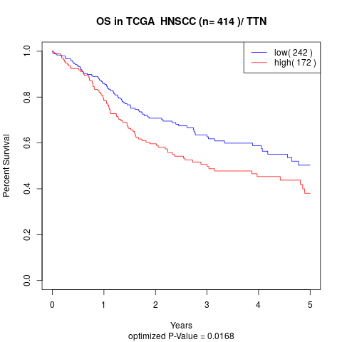

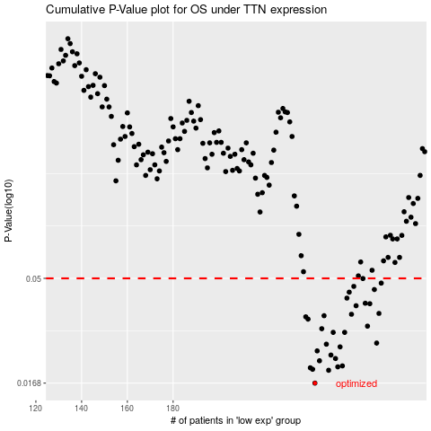

 |  |  |  |  |  | cases_OS | p_OS | rank | exp
 |  |  |  |  |  | 242 | 0.0168 | 113 | -0.20307808309
 |  |  |  |  |  | 248 | 0.0192 | 266 | -0.20192580269
 |  |  |  |  |  | 241 | 0.0194 | 408 | -0.2031325477
 |  |  |  |  |  | 240 | 0.0197 | 154 | -0.2034209195
 |  |  |  |  |  | 252 | 0.0199 | 4 | -0.20132892767
 |  |  |  |  |  | 254 | 0.0201 | 377 | -0.20063353467
 |  |  |  |  |  | 244 | 0.0212 | 2 | -0.20265091013
 |  |  |  |  |  | 251 | 0.0217 | 197 | -0.20152484326
 |  |  |  |  |  | 249 | 0.0225 | 206 | -0.20164056341
 |  |  |  |  |  | 243 | 0.0235 | 22 | -0.20292048429
 |  |  |  |  |  | 253 | 0.0245 | 357 | -0.20121156124
 |  |  |  |  |  | 247 | 0.0252 | 363 | -0.20207637937
 |  |  |  |  |  | 269 | 0.0255 | 138 | -0.19471803472
 |  |  |  |  |  | 250 | 0.0285 | 73 | -0.20160259976
 |  |  |  |  |  | 255 | 0.0285 | 217 | -0.20013706528
 |  |  |  |  |  | 245 | 0.0296 | 55 | -0.2023988811
 |  |  |  |  |  | 265 | 0.0304 | 180 | -0.19783193537
 |  |  |  |  |  | 239 | 0.0327 | 270 | -0.20347738607
 |  |  |  |  |  | 238 | 0.0335 | 172 | -0.20355400694
 |  |  |  |  |  | 246 | 0.0339 | 255 | -0.20217637851
 |  |  |  |  |  | 258 | 0.0344 | 62 | -0.19955187431
 |  |  |  |  |  | 270 | 0.0347 | 199 | -0.19433606855
 |  |  |  |  |  | 260 | 0.0376 | 379 | -0.19921681458
 |  |  |  |  |  | 266 | 0.0384 | 155 | -0.19703585474
 |  |  |  |  |  | 264 | 0.0386 | 192 | -0.19829849724
 |  |  |  |  |  | 256 | 0.0407 | 7 | -0.20002255698
 |  |  |  |  |  | 257 | 0.0433 | 169 | -0.19975304633
 |  |  |  |  |  | 268 | 0.0445 | 177 | -0.19651661174
 |  |  |  |  |  | 259 | 0.046 | 329 | -0.199421269
 |  |  |  |  |  | 271 | 0.0476 | 325 | -0.19360559036
 |  |  |  |  |  | 263 | 0.0499 | 141 | -0.1984377862
 |  |  |  |  |  |  | cases_RFS | p_RFS | rank | exp
 |  |  |  |  |  |  | 241 | 0.0168 | 408 | -0.2031325477
 |  |  |  |  |  |  | 247 | 0.0192 | 363 | -0.20207637937
 |  |  |  |  |  |  | 240 | 0.0194 | 154 | -0.2034209195
 |  |  |  |  |  |  | 239 | 0.0197 | 270 | -0.20347738607
 |  |  |  |  |  |  | 251 | 0.0199 | 197 | -0.20152484326
 |  |  |  |  |  |  | 253 | 0.0201 | 357 | -0.20121156124
 |  |  |  |  |  |  | 243 | 0.0212 | 22 | -0.20292048429
 |  |  |  |  |  |  | 250 | 0.0217 | 73 | -0.20160259976
 |  |  |  |  |  |  | 248 | 0.0225 | 266 | -0.20192580269
 |  |  |  |  |  |  | 242 | 0.0235 | 113 | -0.20307808309
 |  |  |  |  |  |  | 252 | 0.0245 | 4 | -0.20132892767
 |  |  |  |  |  |  | 246 | 0.0252 | 255 | -0.20217637851
 |  |  |  |  |  |  | 268 | 0.0255 | 177 | -0.19651661174
 |  |  |  |  |  |  | 249 | 0.0285 | 206 | -0.20164056341
 |  |  |  |  |  |  | 254 | 0.0285 | 377 | -0.20063353467
 |  |  |  |  |  |  | 244 | 0.0296 | 2 | -0.20265091013
 |  |  |  |  |  |  | 264 | 0.0304 | 192 | -0.19829849724
 |  |  |  |  |  |  | 238 | 0.0327 | 172 | -0.20355400694
 |  |  |  |  |  |  | 237 | 0.0335 | 26 | -0.20356779966
 |  |  |  |  |  |  | 245 | 0.0339 | 55 | -0.2023988811
 |  |  |  |  |  |  | 257 | 0.0344 | 169 | -0.19975304633
 |  |  |  |  |  |  | 269 | 0.0347 | 138 | -0.19471803472
 |  |  |  |  |  |  | 259 | 0.0376 | 329 | -0.199421269
 |  |  |  |  |  |  | 265 | 0.0384 | 180 | -0.19783193537
 |  |  |  |  |  |  | 263 | 0.0386 | 141 | -0.1984377862
 |  |  |  |  |  |  | 255 | 0.0407 | 217 | -0.20013706528
 |  |  |  |  |  |  | 256 | 0.0433 | 7 | -0.20002255698
 |  |  |  |  |  |  | 267 | 0.0445 | 160 | -0.19671848241
 |  |  |  |  |  |  | 258 | 0.046 | 62 | -0.19955187431
 |  |  |  |  |  |  | 270 | 0.0476 | 199 | -0.19433606855
 |  |  |  |  |  |  | 262 | 0.0499 | 334 | -0.19921129393

