TTYH3 _multivariate
Reported by Tex Li-Hsing Chi. tex@gate.sinica.edu.tw 2019-08-15

Table 2. The clinicopathological features of HNSCC cohort and TTYH3 expression. (Chi square test)
Cutoff at 0.134 (58.9%)
 |  | TTYH3 expression |  | TTYH3 expression |  | (Optimised)
 | Features | Low | (%) | High | (%) | Case no | P-value | Remark | Matthews
Gender | Female | 188 | 45.3 | 118 | 28.4 | 415 | 0.1203 | 0 | 0
2 | Male | 57 | 13.7 | 52 | 12.5
Age at diagnosis | <=65y | 161 | 38.8 | 113 | 27.2 | 415 | 0.9565 | 0 | 0
4 | >65y | 84 | 20.2 | 57 | 13.7
Clinical T Status | T1+T2 | 89 | 21.4 | 60 | 14.5 | 415 | 0.9112 | 0 | 0
6 | T3+T4 | 156 | 37.6 | 110 | 26.5
Clinical N Status | N0 | 131 | 31.6 | 85 | 20.5 | 415 | 0.5513 | 0 | 0
8 | N1-3 | 114 | 27.5 | 85 | 20.5
Clinical M Status | M0 | 244 | 58.8 | 168 | 40.5 | 415 | 0.5703 | 0 | 0
10 | M1 | 1 | 0.2 | 2 | 0.5
Clinical Stage | Stage I+II | 57 | 13.7 | 45 | 10.8 | 415 | 0.5288 | 0 | 0
12 | Stage III+IV | 188 | 45.3 | 125 | 30.1
Surgical Margin status | Negative | 179 | 43.1 | 139 | 33.5 | 415 | 0.045 | 1 | 0
14 | Positive | 66 | 15.9 | 31 | 7.5
Tobacco Exposure | Low | 97 | 23.4 | 64 | 15.4 | 415 | 0.7587 | 0 | 0
16 | High | 148 | 35.7 | 106 | 25.5

Table 3. Univariate/Multivariate Cox's proportional hazards regression analyses on OS time of TTYH3 gene expression in HNSCC

 |  | Univariate |  |  |  | Multivariate
 | Features | HR | CI95%(L) | CI95%(H) | P-value | HR | CI95%(L) | CI95%(H) | P-value
1 | Female | 1 |  |  |  | 1
Gender | Male | 1.157 | 0.843 | 1.587 | 0.367 | 1.172 | 0.839 | 1.639 | 0.352
11 | <=65y | 1 |  |  |  | 1
Age at diagnosis | >65y | 1.329 | 0.99 | 1.784 | 0.058 | 1.405 | 1.033 | 1.911 | 0.03
12 | T1+T2 | 1 |  |  |  | 1
Clinical T Status | T3+T4 | 1.409 | 1.028 | 1.931 | 0.033 | 2.082 | 1.1 | 3.943 | 0.024
13 | N0 | 1 |  |  |  | 1
Clinical N Status | N1-3 | 1.185 | 0.89 | 1.577 | 0.246 | 1.211 | 0.848 | 1.73 | 0.292
14 | M0 | 1 |  |  |  | 1
Clinical M Status | M1 | 4.097 | 1.009 | 16.644 | 0.049 | 7.969 | 1.725 | 36.807 | 0.008
15 | Stage I+II | 1 |  |  |  | 1
Clinical Stage | Stage III+IV | 1.245 | 0.882 | 1.759 | 0.213 | 0.553 | 0.256 | 1.193 | 0.131
16 | Negative | 1 |  |  |  | 1
Surgical Margin status | Positive | 1.591 | 1.155 | 2.191 | 0.004 | 1.75 | 1.263 | 2.426 | 0.001
17 | Low | 1 |  |  |  | 1
Tobacco Exposure | High | 1.364 | 1.008 | 1.844 | 0.044 | 1.438 | 1.043 | 1.982 | 0.027
18 | Low | 1 |  |  |  | 1
RNAseq(z-score) | High | 1.346 | 1.01 | 1.794 | 0.042 | 1.373 | 1.023 | 1.844 | 0.035

Table 4. Univariate/Multivariate Cox's proportional hazards regression analyses on RFS time of TTYH3 gene expression in HNSCC

 |  | Univariate |  |  |  | Multivariate
 | Features | HR | CI95%(L) | CI95%(H) | P-value | HR | CI95%(L) | CI95%(H) | P-value
1 | Female | 1 |  |  |  | 1
Gender | Male | 1.157 | 0.843 | 1.587 | 0.367 | 1.172 | 0.839 | 1.639 | 0.352
11 | <=65y | 1 |  |  |  | 1
Age at diagnosis | >65y | 1.329 | 0.99 | 1.784 | 0.058 | 1.405 | 1.033 | 1.911 | 0.03
12 | T1+T2 | 1 |  |  |  | 1
Clinical T Status | T3+T4 | 1.409 | 1.028 | 1.931 | 0.033 | 2.082 | 1.1 | 3.943 | 0.024
13 | N0 | 1 |  |  |  | 1
Clinical N Status | N1-3 | 1.185 | 0.89 | 1.577 | 0.246 | 1.211 | 0.848 | 1.73 | 0.292
14 | M0 | 1 |  |  |  | 1
Clinical M Status | M1 | 4.097 | 1.009 | 16.644 | 0.049 | 7.969 | 1.725 | 36.807 | 0.008
15 | Stage I+II | 1 |  |  |  | 1
Clinical Stage | Stage III+IV | 1.245 | 0.882 | 1.759 | 0.213 | 0.553 | 0.256 | 1.193 | 0.131
16 | Negative | 1 |  |  |  | 1
Surgical Margin status | Positive | 1.591 | 1.155 | 2.191 | 0.004 | 1.75 | 1.263 | 2.426 | 0.001
17 | Low | 1 |  |  |  | 1
Tobacco Exposure | High | 1.364 | 1.008 | 1.844 | 0.044 | 1.438 | 1.043 | 1.982 | 0.027
18 | Low | 1 |  |  |  | 1
RNAseq(z-score) | High | 1.346 | 1.01 | 1.794 | 0.042 | 1.373 | 1.023 | 1.844 | 0.035

Kaplan-Meier survival estimate: Cutoff at 0.134 (58.9%)



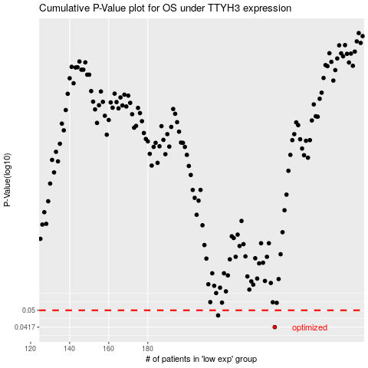

 |  |  |  |  |  | cases_OS | p_OS | rank | exp
 |  |  |  |  |  | 245 | 0.0417 | 326 | 0.13357145877
 |  |  |  |  |  | 216 | 0.0473 | 214 | -0.0066875627753
 |  |  |  |  |  |  | cases_RFS | p_RFS | rank | exp
 |  |  |  |  |  |  | 244 | 0.0417 | 282 | 0.13338697794
 |  |  |  |  |  |  | 215 | 0.0473 | 193 | -0.011889008006

