TUBA1A _multivariate
Reported by Tex Li-Hsing Chi. tex@gate.sinica.edu.tw 2019-08-15

Table 2. The clinicopathological features of HNSCC cohort and TUBA1A expression. (Chi square test)
Cutoff at -0.188 (50.0%)
 |  | TUBA1A expression |  | TUBA1A expression |  | (Optimised)
 | Features | Low | (%) | High | (%) | Case no | P-value | Remark | Matthews
Gender | Female | 157 | 37.8 | 149 | 35.9 | 415 | 0.3881 | 0 | 0
2 | Male | 50 | 12 | 59 | 14.2
Age at diagnosis | <=65y | 131 | 31.6 | 143 | 34.5 | 415 | 0.2839 | 0 | 0
4 | >65y | 76 | 18.3 | 65 | 15.7
Clinical T Status | T1+T2 | 70 | 16.9 | 79 | 19 | 415 | 0.4343 | 0 | 0
6 | T3+T4 | 137 | 33 | 129 | 31.1
Clinical N Status | N0 | 109 | 26.3 | 107 | 25.8 | 415 | 0.8812 | 0 | 0
8 | N1-3 | 98 | 23.6 | 101 | 24.3
Clinical M Status | M0 | 205 | 49.4 | 207 | 49.9 | 415 | 0.6232 | 0 | 0
10 | M1 | 2 | 0.5 | 1 | 0.2
Clinical Stage | Stage I+II | 45 | 10.8 | 57 | 13.7 | 415 | 0.2202 | 0 | 0
12 | Stage III+IV | 162 | 39 | 151 | 36.4
Surgical Margin status | Negative | 159 | 38.3 | 159 | 38.3 | 415 | 1 | 0 | 0
14 | Positive | 48 | 11.6 | 49 | 11.8
Tobacco Exposure | Low | 80 | 19.3 | 81 | 19.5 | 415 | 1 | 0 | 0
16 | High | 127 | 30.6 | 127 | 30.6

Table 3. Univariate/Multivariate Cox's proportional hazards regression analyses on OS time of TUBA1A gene expression in HNSCC

 |  | Univariate |  |  |  | Multivariate
 | Features | HR | CI95%(L) | CI95%(H) | P-value | HR | CI95%(L) | CI95%(H) | P-value
1 | Female | 1 |  |  |  | 1
Gender | Male | 1.157 | 0.843 | 1.587 | 0.367 | 1.214 | 0.867 | 1.7 | 0.26
11 | <=65y | 1 |  |  |  | 1
Age at diagnosis | >65y | 1.329 | 0.99 | 1.784 | 0.058 | 1.379 | 1.012 | 1.878 | 0.042
12 | T1+T2 | 1 |  |  |  | 1
Clinical T Status | T3+T4 | 1.409 | 1.028 | 1.931 | 0.033 | 2.21 | 1.169 | 4.178 | 0.015
13 | N0 | 1 |  |  |  | 1
Clinical N Status | N1-3 | 1.185 | 0.89 | 1.577 | 0.246 | 1.238 | 0.867 | 1.767 | 0.239
14 | M0 | 1 |  |  |  | 1
Clinical M Status | M1 | 4.097 | 1.009 | 16.644 | 0.049 | 9.393 | 2.049 | 43.065 | 0.004
15 | Stage I+II | 1 |  |  |  | 1
Clinical Stage | Stage III+IV | 1.245 | 0.882 | 1.759 | 0.213 | 0.499 | 0.232 | 1.072 | 0.075
16 | Negative | 1 |  |  |  | 1
Surgical Margin status | Positive | 1.591 | 1.155 | 2.191 | 0.004 | 1.67 | 1.208 | 2.308 | 0.002
17 | Low | 1 |  |  |  | 1
Tobacco Exposure | High | 1.364 | 1.008 | 1.844 | 0.044 | 1.462 | 1.06 | 2.017 | 0.021
18 | Low | 1 |  |  |  | 1
RNAseq(z-score) | High | 0.914 | 0.686 | 1.216 | 0.536 | 0.929 | 0.693 | 1.245 | 0.622

Table 4. Univariate/Multivariate Cox's proportional hazards regression analyses on RFS time of TUBA1A gene expression in HNSCC

 |  | Univariate |  |  |  | Multivariate
 | Features | HR | CI95%(L) | CI95%(H) | P-value | HR | CI95%(L) | CI95%(H) | P-value
1 | Female | 1 |  |  |  | 1
Gender | Male | 1.157 | 0.843 | 1.587 | 0.367 | 1.214 | 0.867 | 1.7 | 0.26
11 | <=65y | 1 |  |  |  | 1
Age at diagnosis | >65y | 1.329 | 0.99 | 1.784 | 0.058 | 1.379 | 1.012 | 1.878 | 0.042
12 | T1+T2 | 1 |  |  |  | 1
Clinical T Status | T3+T4 | 1.409 | 1.028 | 1.931 | 0.033 | 2.21 | 1.169 | 4.178 | 0.015
13 | N0 | 1 |  |  |  | 1
Clinical N Status | N1-3 | 1.185 | 0.89 | 1.577 | 0.246 | 1.238 | 0.867 | 1.767 | 0.239
14 | M0 | 1 |  |  |  | 1
Clinical M Status | M1 | 4.097 | 1.009 | 16.644 | 0.049 | 9.393 | 2.049 | 43.065 | 0.004
15 | Stage I+II | 1 |  |  |  | 1
Clinical Stage | Stage III+IV | 1.245 | 0.882 | 1.759 | 0.213 | 0.499 | 0.232 | 1.072 | 0.075
16 | Negative | 1 |  |  |  | 1
Surgical Margin status | Positive | 1.591 | 1.155 | 2.191 | 0.004 | 1.67 | 1.208 | 2.308 | 0.002
17 | Low | 1 |  |  |  | 1
Tobacco Exposure | High | 1.364 | 1.008 | 1.844 | 0.044 | 1.462 | 1.06 | 2.017 | 0.021
18 | Low | 1 |  |  |  | 1
RNAseq(z-score) | High | 0.914 | 0.686 | 1.216 | 0.536 | 0.929 | 0.693 | 1.245 | 0.622

Kaplan-Meier survival estimate: Cutoff at -0.188 (50.0%)



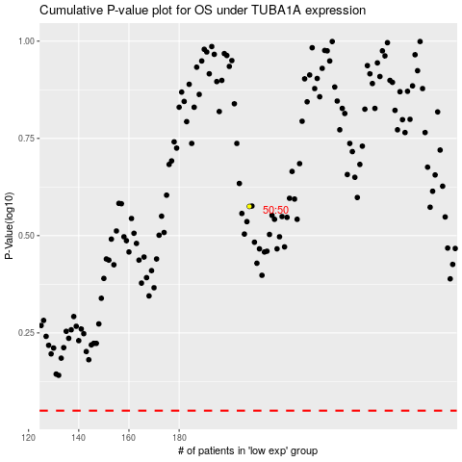

 |  |  |  |  |  | cases_OS | p_OS | rank | exp
 |  |  |  |  |  |  | cases_RFS | p_RFS | rank | exp

