TUBA1C _multivariate
Reported by Tex Li-Hsing Chi. tex@gate.sinica.edu.tw 2019-08-15

Table 2. The clinicopathological features of HNSCC cohort and TUBA1C expression. (Chi square test)
Cutoff at -0.07 (50.0%)
 |  | TUBA1C expression |  | TUBA1C expression |  | (Optimised)
 | Features | Low | (%) | High | (%) | Case no | P-value | Remark | Matthews
Gender | Female | 168 | 40.5 | 138 | 33.3 | 415 | 9e-04 | 1 | 0
2 | Male | 39 | 9.4 | 70 | 16.9
Age at diagnosis | <=65y | 146 | 35.2 | 128 | 30.8 | 415 | 0.0672 | 0 | 0
4 | >65y | 61 | 14.7 | 80 | 19.3
Clinical T Status | T1+T2 | 75 | 18.1 | 74 | 17.8 | 415 | 0.9707 | 0 | 0
6 | T3+T4 | 132 | 31.8 | 134 | 32.3
Clinical N Status | N0 | 103 | 24.8 | 113 | 27.2 | 415 | 0.4047 | 0 | 0
8 | N1-3 | 104 | 25.1 | 95 | 22.9
Clinical M Status | M0 | 207 | 49.9 | 205 | 49.4 | 415 | 0.2482 | 0 | 0
10 | M1 | 0 | 0 | 3 | 0.7
Clinical Stage | Stage I+II | 47 | 11.3 | 55 | 13.3 | 415 | 0.4413 | 0 | 0
12 | Stage III+IV | 160 | 38.6 | 153 | 36.9
Surgical Margin status | Negative | 157 | 37.8 | 161 | 38.8 | 415 | 0.729 | 0 | 0
14 | Positive | 50 | 12 | 47 | 11.3
Tobacco Exposure | Low | 71 | 17.1 | 90 | 21.7 | 415 | 0.0698 | 0 | 0
16 | High | 136 | 32.8 | 118 | 28.4

Table 3. Univariate/Multivariate Cox's proportional hazards regression analyses on OS time of TUBA1C gene expression in HNSCC

 |  | Univariate |  |  |  | Multivariate
 | Features | HR | CI95%(L) | CI95%(H) | P-value | HR | CI95%(L) | CI95%(H) | P-value
1 | Female | 1 |  |  |  | 1
Gender | Male | 1.157 | 0.843 | 1.587 | 0.367 | 1.252 | 0.894 | 1.754 | 0.19
11 | <=65y | 1 |  |  |  | 1
Age at diagnosis | >65y | 1.329 | 0.99 | 1.784 | 0.058 | 1.421 | 1.044 | 1.933 | 0.026
12 | T1+T2 | 1 |  |  |  | 1
Clinical T Status | T3+T4 | 1.409 | 1.028 | 1.931 | 0.033 | 2.281 | 1.204 | 4.32 | 0.011
13 | N0 | 1 |  |  |  | 1
Clinical N Status | N1-3 | 1.185 | 0.89 | 1.577 | 0.246 | 1.239 | 0.868 | 1.769 | 0.239
14 | M0 | 1 |  |  |  | 1
Clinical M Status | M1 | 4.097 | 1.009 | 16.644 | 0.049 | 11.261 | 2.415 | 52.518 | 0.002
15 | Stage I+II | 1 |  |  |  | 1
Clinical Stage | Stage III+IV | 1.245 | 0.882 | 1.759 | 0.213 | 0.475 | 0.221 | 1.023 | 0.057
16 | Negative | 1 |  |  |  | 1
Surgical Margin status | Positive | 1.591 | 1.155 | 2.191 | 0.004 | 1.68 | 1.215 | 2.323 | 0.002
17 | Low | 1 |  |  |  | 1
Tobacco Exposure | High | 1.364 | 1.008 | 1.844 | 0.044 | 1.444 | 1.05 | 1.987 | 0.024
18 | Low | 1 |  |  |  | 1
RNAseq(z-score) | High | 0.855 | 0.641 | 1.14 | 0.285 | 0.783 | 0.58 | 1.056 | 0.109

Table 4. Univariate/Multivariate Cox's proportional hazards regression analyses on RFS time of TUBA1C gene expression in HNSCC

 |  | Univariate |  |  |  | Multivariate
 | Features | HR | CI95%(L) | CI95%(H) | P-value | HR | CI95%(L) | CI95%(H) | P-value
1 | Female | 1 |  |  |  | 1
Gender | Male | 1.157 | 0.843 | 1.587 | 0.367 | 1.252 | 0.894 | 1.754 | 0.19
11 | <=65y | 1 |  |  |  | 1
Age at diagnosis | >65y | 1.329 | 0.99 | 1.784 | 0.058 | 1.421 | 1.044 | 1.933 | 0.026
12 | T1+T2 | 1 |  |  |  | 1
Clinical T Status | T3+T4 | 1.409 | 1.028 | 1.931 | 0.033 | 2.281 | 1.204 | 4.32 | 0.011
13 | N0 | 1 |  |  |  | 1
Clinical N Status | N1-3 | 1.185 | 0.89 | 1.577 | 0.246 | 1.239 | 0.868 | 1.769 | 0.239
14 | M0 | 1 |  |  |  | 1
Clinical M Status | M1 | 4.097 | 1.009 | 16.644 | 0.049 | 11.261 | 2.415 | 52.518 | 0.002
15 | Stage I+II | 1 |  |  |  | 1
Clinical Stage | Stage III+IV | 1.245 | 0.882 | 1.759 | 0.213 | 0.475 | 0.221 | 1.023 | 0.057
16 | Negative | 1 |  |  |  | 1
Surgical Margin status | Positive | 1.591 | 1.155 | 2.191 | 0.004 | 1.68 | 1.215 | 2.323 | 0.002
17 | Low | 1 |  |  |  | 1
Tobacco Exposure | High | 1.364 | 1.008 | 1.844 | 0.044 | 1.444 | 1.05 | 1.987 | 0.024
18 | Low | 1 |  |  |  | 1
RNAseq(z-score) | High | 0.855 | 0.641 | 1.14 | 0.285 | 0.783 | 0.58 | 1.056 | 0.109

Kaplan-Meier survival estimate: Cutoff at -0.07 (50.0%)



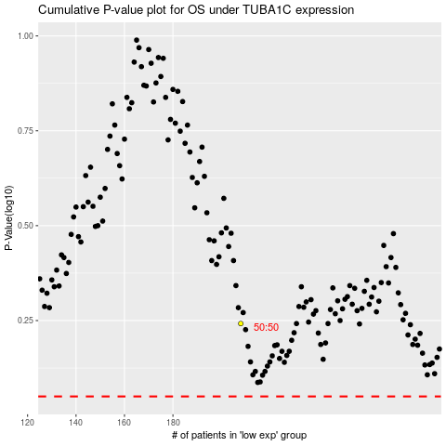

 |  |  |  |  |  | cases_OS | p_OS | rank | exp
 |  |  |  |  |  |  | cases_RFS | p_RFS | rank | exp

