TUBA4B _multivariate
Reported by Tex Li-Hsing Chi. tex@gate.sinica.edu.tw 2019-08-15

Table 2. The clinicopathological features of HNSCC cohort and TUBA4B expression. (Chi square test)
Cutoff at -0.132 (69.8%)
 |  | TUBA4B expression |  | TUBA4B expression |  | (Optimised)
 | Features | Low | (%) | High | (%) | Case no | P-value | Remark | Matthews
Gender | Female | 213 | 51.3 | 93 | 22.4 | 415 | 0.9358 | 0 | 0
2 | Male | 77 | 18.6 | 32 | 7.7
Age at diagnosis | <=65y | 183 | 44.1 | 91 | 21.9 | 415 | 0.0718 | 0 | 0
4 | >65y | 107 | 25.8 | 34 | 8.2
Clinical T Status | T1+T2 | 109 | 26.3 | 40 | 9.6 | 415 | 0.3287 | 0 | 0
6 | T3+T4 | 181 | 43.6 | 85 | 20.5
Clinical N Status | N0 | 149 | 35.9 | 67 | 16.1 | 415 | 0.7578 | 0 | 0
8 | N1-3 | 141 | 34 | 58 | 14
Clinical M Status | M0 | 287 | 69.2 | 125 | 30.1 | 415 | 0.5571 | 0 | 0
10 | M1 | 3 | 0.7 | 0 | 0
Clinical Stage | Stage I+II | 71 | 17.1 | 31 | 7.5 | 415 | 1 | 0 | 0
12 | Stage III+IV | 219 | 52.8 | 94 | 22.7
Surgical Margin status | Negative | 218 | 52.5 | 100 | 24.1 | 415 | 0.3137 | 0 | 0
14 | Positive | 72 | 17.3 | 25 | 6
Tobacco Exposure | Low | 115 | 27.7 | 46 | 11.1 | 415 | 0.6607 | 0 | 0
16 | High | 175 | 42.2 | 79 | 19

Table 3. Univariate/Multivariate Cox's proportional hazards regression analyses on OS time of TUBA4B gene expression in HNSCC

 |  | Univariate |  |  |  | Multivariate
 | Features | HR | CI95%(L) | CI95%(H) | P-value | HR | CI95%(L) | CI95%(H) | P-value
1 | Female | 1 |  |  |  | 1
Gender | Male | 1.157 | 0.843 | 1.587 | 0.367 | 1.205 | 0.863 | 1.683 | 0.273
11 | <=65y | 1 |  |  |  | 1
Age at diagnosis | >65y | 1.329 | 0.99 | 1.784 | 0.058 | 1.35 | 0.992 | 1.836 | 0.056
12 | T1+T2 | 1 |  |  |  | 1
Clinical T Status | T3+T4 | 1.409 | 1.028 | 1.931 | 0.033 | 2.331 | 1.231 | 4.414 | 0.009
13 | N0 | 1 |  |  |  | 1
Clinical N Status | N1-3 | 1.185 | 0.89 | 1.577 | 0.246 | 1.208 | 0.847 | 1.724 | 0.297
14 | M0 | 1 |  |  |  | 1
Clinical M Status | M1 | 4.097 | 1.009 | 16.644 | 0.049 | 8.883 | 1.937 | 40.743 | 0.005
15 | Stage I+II | 1 |  |  |  | 1
Clinical Stage | Stage III+IV | 1.245 | 0.882 | 1.759 | 0.213 | 0.484 | 0.226 | 1.04 | 0.063
16 | Negative | 1 |  |  |  | 1
Surgical Margin status | Positive | 1.591 | 1.155 | 2.191 | 0.004 | 1.615 | 1.169 | 2.232 | 0.004
17 | Low | 1 |  |  |  | 1
Tobacco Exposure | High | 1.364 | 1.008 | 1.844 | 0.044 | 1.491 | 1.083 | 2.054 | 0.014
18 | Low | 1 |  |  |  | 1
RNAseq(z-score) | High | 0.632 | 0.451 | 0.886 | 0.008 | 0.647 | 0.46 | 0.912 | 0.013

Table 4. Univariate/Multivariate Cox's proportional hazards regression analyses on RFS time of TUBA4B gene expression in HNSCC

 |  | Univariate |  |  |  | Multivariate
 | Features | HR | CI95%(L) | CI95%(H) | P-value | HR | CI95%(L) | CI95%(H) | P-value
1 | Female | 1 |  |  |  | 1
Gender | Male | 1.157 | 0.843 | 1.587 | 0.367 | 1.205 | 0.863 | 1.683 | 0.273
11 | <=65y | 1 |  |  |  | 1
Age at diagnosis | >65y | 1.329 | 0.99 | 1.784 | 0.058 | 1.35 | 0.992 | 1.836 | 0.056
12 | T1+T2 | 1 |  |  |  | 1
Clinical T Status | T3+T4 | 1.409 | 1.028 | 1.931 | 0.033 | 2.331 | 1.231 | 4.414 | 0.009
13 | N0 | 1 |  |  |  | 1
Clinical N Status | N1-3 | 1.185 | 0.89 | 1.577 | 0.246 | 1.208 | 0.847 | 1.724 | 0.297
14 | M0 | 1 |  |  |  | 1
Clinical M Status | M1 | 4.097 | 1.009 | 16.644 | 0.049 | 8.883 | 1.937 | 40.743 | 0.005
15 | Stage I+II | 1 |  |  |  | 1
Clinical Stage | Stage III+IV | 1.245 | 0.882 | 1.759 | 0.213 | 0.484 | 0.226 | 1.04 | 0.063
16 | Negative | 1 |  |  |  | 1
Surgical Margin status | Positive | 1.591 | 1.155 | 2.191 | 0.004 | 1.615 | 1.169 | 2.232 | 0.004
17 | Low | 1 |  |  |  | 1
Tobacco Exposure | High | 1.364 | 1.008 | 1.844 | 0.044 | 1.491 | 1.083 | 2.054 | 0.014
18 | Low | 1 |  |  |  | 1
RNAseq(z-score) | High | 0.632 | 0.451 | 0.886 | 0.008 | 0.647 | 0.46 | 0.912 | 0.013

Kaplan-Meier survival estimate: Cutoff at -0.132 (69.8%)

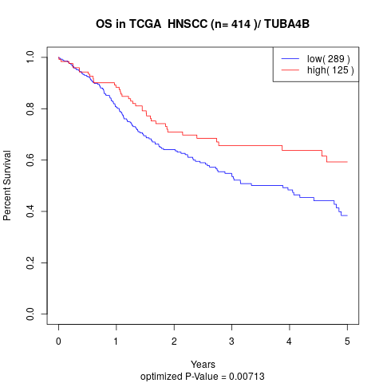

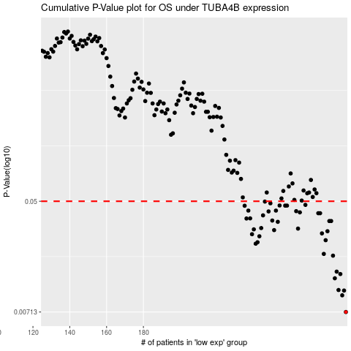

 |  |  |  |  |  | cases_OS | p_OS | rank | exp
 |  |  |  |  |  | 290 | 0.00713 | 234 | -0.13172723028
 |  |  |  |  |  | 288 | 0.00956 | 46 | -0.13325105709
 |  |  |  |  |  | 289 | 0.0104 | 68 | -0.13284365866
 |  |  |  |  |  | 286 | 0.0105 | 399 | -0.13335943551
 |  |  |  |  |  | 284 | 0.0129 | 352 | -0.13403712712
 |  |  |  |  |  | 287 | 0.0139 | 66 | -0.1333163453
 |  |  |  |  |  | 285 | 0.0145 | 390 | -0.13384648555
 |  |  |  |  |  | 283 | 0.0192 | 264 | -0.13435442782
 |  |  |  |  |  | 278 | 0.0198 | 149 | -0.13528935498
 |  |  |  |  |  | 241 | 0.0237 | 277 | -0.14149565214
 |  |  |  |  |  | 242 | 0.0243 | 346 | -0.14135462961
 |  |  |  |  |  | 279 | 0.0252 | 156 | -0.13489762572
 |  |  |  |  |  | 243 | 0.027 | 382 | -0.14117573991
 |  |  |  |  |  | 239 | 0.028 | 374 | -0.14198139642
 |  |  |  |  |  | 277 | 0.0284 | 283 | -0.13615377087
 |  |  |  |  |  | 280 | 0.0295 | 170 | -0.13480622223
 |  |  |  |  |  | 251 | 0.0301 | 368 | -0.14060642673
 |  |  |  |  |  | 240 | 0.0305 | 143 | -0.14157922105
 |  |  |  |  |  | 264 | 0.0309 | 321 | -0.13790741216
 |  |  |  |  |  | 244 | 0.0312 | 112 | -0.14095245424
 |  |  |  |  |  | 253 | 0.0348 | 396 | -0.14048760219
 |  |  |  |  |  | 281 | 0.0353 | 285 | -0.13451764834
 |  |  |  |  |  | 282 | 0.0353 | 405 | -0.13451764834
 |  |  |  |  |  | 250 | 0.0356 | 153 | -0.14071480516
 |  |  |  |  |  | 236 | 0.0369 | 376 | -0.14228172218
 |  |  |  |  |  | 238 | 0.037 | 137 | -0.14199575982
 |  |  |  |  |  | 245 | 0.039 | 397 | -0.14094331389
 |  |  |  |  |  | 276 | 0.0405 | 21 | -0.13623342248
 |  |  |  |  |  | 275 | 0.0405 | 333 | -0.13656116929
 |  |  |  |  |  | 265 | 0.0411 | 169 | -0.13783037208
 |  |  |  |  |  | 248 | 0.0418 | 293 | -0.14076834149
 |  |  |  |  |  | 263 | 0.042 | 133 | -0.13805235199
 |  |  |  |  |  | 252 | 0.0424 | 76 | -0.14049151948
 |  |  |  |  |  | 237 | 0.0424 | 366 | -0.14226474724
 |  |  |  |  |  | 235 | 0.0462 | 206 | -0.14241621589
 |  |  |  |  |  | 257 | 0.0463 | 314 | -0.13895463504
 |  |  |  |  |  | 258 | 0.0463 | 350 | -0.13895463504
 |  |  |  |  |  | 254 | 0.0464 | 104 | -0.14012590551
 |  |  |  |  |  | 268 | 0.0469 | 129 | -0.13762014404
 |  |  |  |  |  | 249 | 0.0482 | 229 | -0.14073178009
 |  |  |  |  |  | 246 | 0.0497 | 334 | -0.14093678507
 |  |  |  |  |  |  | cases_RFS | p_RFS | rank | exp
 |  |  |  |  |  |  | 289 | 0.00713 | 68 | -0.13284365866
 |  |  |  |  |  |  | 287 | 0.00956 | 66 | -0.1333163453
 |  |  |  |  |  |  | 288 | 0.0104 | 46 | -0.13325105709
 |  |  |  |  |  |  | 285 | 0.0105 | 390 | -0.13384648555
 |  |  |  |  |  |  | 283 | 0.0129 | 264 | -0.13435442782
 |  |  |  |  |  |  | 286 | 0.0139 | 399 | -0.13335943551
 |  |  |  |  |  |  | 284 | 0.0145 | 352 | -0.13403712712
 |  |  |  |  |  |  | 282 | 0.0192 | 405 | -0.13451764834
 |  |  |  |  |  |  | 277 | 0.0198 | 283 | -0.13615377087
 |  |  |  |  |  |  | 240 | 0.0237 | 143 | -0.14157922105
 |  |  |  |  |  |  | 241 | 0.0243 | 277 | -0.14149565214
 |  |  |  |  |  |  | 278 | 0.0252 | 149 | -0.13528935498
 |  |  |  |  |  |  | 242 | 0.027 | 346 | -0.14135462961
 |  |  |  |  |  |  | 238 | 0.028 | 137 | -0.14199575982
 |  |  |  |  |  |  | 276 | 0.0284 | 21 | -0.13623342248
 |  |  |  |  |  |  | 279 | 0.0295 | 156 | -0.13489762572
 |  |  |  |  |  |  | 250 | 0.0301 | 153 | -0.14071480516
 |  |  |  |  |  |  | 239 | 0.0305 | 374 | -0.14198139642
 |  |  |  |  |  |  | 263 | 0.0309 | 133 | -0.13805235199
 |  |  |  |  |  |  | 243 | 0.0312 | 382 | -0.14117573991
 |  |  |  |  |  |  | 252 | 0.0348 | 76 | -0.14049151948
 |  |  |  |  |  |  | 280 | 0.0353 | 170 | -0.13480622223
 |  |  |  |  |  |  | 281 | 0.0353 | 285 | -0.13451764834
 |  |  |  |  |  |  | 249 | 0.0356 | 229 | -0.14073178009
 |  |  |  |  |  |  | 235 | 0.0369 | 206 | -0.14241621589
 |  |  |  |  |  |  | 237 | 0.037 | 366 | -0.14226474724
 |  |  |  |  |  |  | 244 | 0.039 | 112 | -0.14095245424
 |  |  |  |  |  |  | 274 | 0.0405 | 216 | -0.13658336728
 |  |  |  |  |  |  | 275 | 0.0405 | 333 | -0.13656116929
 |  |  |  |  |  |  | 264 | 0.0411 | 321 | -0.13790741216
 |  |  |  |  |  |  | 247 | 0.0418 | 257 | -0.14084538158
 |  |  |  |  |  |  | 262 | 0.042 | 56 | -0.1382234071
 |  |  |  |  |  |  | 251 | 0.0424 | 368 | -0.14060642673
 |  |  |  |  |  |  | 236 | 0.0424 | 376 | -0.14228172218
 |  |  |  |  |  |  | 234 | 0.0462 | 322 | -0.14244624847
 |  |  |  |  |  |  | 256 | 0.0463 | 253 | -0.13898727914
 |  |  |  |  |  |  | 257 | 0.0463 | 314 | -0.13895463504
 |  |  |  |  |  |  | 253 | 0.0464 | 396 | -0.14048760219
 |  |  |  |  |  |  | 267 | 0.0469 | 373 | -0.13762144981
 |  |  |  |  |  |  | 248 | 0.0482 | 293 | -0.14076834149
 |  |  |  |  |  |  | 245 | 0.0497 | 397 | -0.14094331389

