TUBA8 _multivariate
Reported by Tex Li-Hsing Chi. tex@gate.sinica.edu.tw 2019-08-15

Table 2. The clinicopathological features of HNSCC cohort and TUBA8 expression. (Chi square test)
Cutoff at -0.187 (50.0%)
 |  | TUBA8 expression |  | TUBA8 expression |  | (Optimised)
 | Features | Low | (%) | High | (%) | Case no | P-value | Remark | Matthews
Gender | Female | 146 | 35.2 | 160 | 38.6 | 415 | 0.1714 | 0 | 0
2 | Male | 61 | 14.7 | 48 | 11.6
Age at diagnosis | <=65y | 131 | 31.6 | 143 | 34.5 | 415 | 0.2839 | 0 | 0
4 | >65y | 76 | 18.3 | 65 | 15.7
Clinical T Status | T1+T2 | 72 | 17.3 | 77 | 18.6 | 415 | 0.7095 | 0 | 0
6 | T3+T4 | 135 | 32.5 | 131 | 31.6
Clinical N Status | N0 | 117 | 28.2 | 99 | 23.9 | 415 | 0.0852 | 1 | 0
8 | N1-3 | 90 | 21.7 | 109 | 26.3
Clinical M Status | M0 | 205 | 49.4 | 207 | 49.9 | 415 | 0.6232 | 0 | 0
10 | M1 | 2 | 0.5 | 1 | 0.2
Clinical Stage | Stage I+II | 53 | 12.8 | 49 | 11.8 | 415 | 0.7113 | 0 | 0
12 | Stage III+IV | 154 | 37.1 | 159 | 38.3
Surgical Margin status | Negative | 160 | 38.6 | 158 | 38.1 | 415 | 0.8167 | 0 | 0
14 | Positive | 47 | 11.3 | 50 | 12
Tobacco Exposure | Low | 85 | 20.5 | 76 | 18.3 | 415 | 0.3655 | 0 | 0
16 | High | 122 | 29.4 | 132 | 31.8

Table 3. Univariate/Multivariate Cox's proportional hazards regression analyses on OS time of TUBA8 gene expression in HNSCC

 |  | Univariate |  |  |  | Multivariate
 | Features | HR | CI95%(L) | CI95%(H) | P-value | HR | CI95%(L) | CI95%(H) | P-value
1 | Female | 1 |  |  |  | 1
Gender | Male | 1.157 | 0.843 | 1.587 | 0.367 | 1.201 | 0.859 | 1.678 | 0.284
11 | <=65y | 1 |  |  |  | 1
Age at diagnosis | >65y | 1.329 | 0.99 | 1.784 | 0.058 | 1.39 | 1.022 | 1.891 | 0.036
12 | T1+T2 | 1 |  |  |  | 1
Clinical T Status | T3+T4 | 1.409 | 1.028 | 1.931 | 0.033 | 2.201 | 1.164 | 4.162 | 0.015
13 | N0 | 1 |  |  |  | 1
Clinical N Status | N1-3 | 1.185 | 0.89 | 1.577 | 0.246 | 1.243 | 0.87 | 1.775 | 0.231
14 | M0 | 1 |  |  |  | 1
Clinical M Status | M1 | 4.097 | 1.009 | 16.644 | 0.049 | 9.378 | 2.045 | 43.015 | 0.004
15 | Stage I+II | 1 |  |  |  | 1
Clinical Stage | Stage III+IV | 1.245 | 0.882 | 1.759 | 0.213 | 0.504 | 0.235 | 1.083 | 0.079
16 | Negative | 1 |  |  |  | 1
Surgical Margin status | Positive | 1.591 | 1.155 | 2.191 | 0.004 | 1.673 | 1.211 | 2.313 | 0.002
17 | Low | 1 |  |  |  | 1
Tobacco Exposure | High | 1.364 | 1.008 | 1.844 | 0.044 | 1.455 | 1.055 | 2.006 | 0.022
18 | Low | 1 |  |  |  | 1
RNAseq(z-score) | High | 1.004 | 0.753 | 1.338 | 0.979 | 0.98 | 0.732 | 1.311 | 0.891

Table 4. Univariate/Multivariate Cox's proportional hazards regression analyses on RFS time of TUBA8 gene expression in HNSCC

 |  | Univariate |  |  |  | Multivariate
 | Features | HR | CI95%(L) | CI95%(H) | P-value | HR | CI95%(L) | CI95%(H) | P-value
1 | Female | 1 |  |  |  | 1
Gender | Male | 1.157 | 0.843 | 1.587 | 0.367 | 1.201 | 0.859 | 1.678 | 0.284
11 | <=65y | 1 |  |  |  | 1
Age at diagnosis | >65y | 1.329 | 0.99 | 1.784 | 0.058 | 1.39 | 1.022 | 1.891 | 0.036
12 | T1+T2 | 1 |  |  |  | 1
Clinical T Status | T3+T4 | 1.409 | 1.028 | 1.931 | 0.033 | 2.201 | 1.164 | 4.162 | 0.015
13 | N0 | 1 |  |  |  | 1
Clinical N Status | N1-3 | 1.185 | 0.89 | 1.577 | 0.246 | 1.243 | 0.87 | 1.775 | 0.231
14 | M0 | 1 |  |  |  | 1
Clinical M Status | M1 | 4.097 | 1.009 | 16.644 | 0.049 | 9.378 | 2.045 | 43.015 | 0.004
15 | Stage I+II | 1 |  |  |  | 1
Clinical Stage | Stage III+IV | 1.245 | 0.882 | 1.759 | 0.213 | 0.504 | 0.235 | 1.083 | 0.079
16 | Negative | 1 |  |  |  | 1
Surgical Margin status | Positive | 1.591 | 1.155 | 2.191 | 0.004 | 1.673 | 1.211 | 2.313 | 0.002
17 | Low | 1 |  |  |  | 1
Tobacco Exposure | High | 1.364 | 1.008 | 1.844 | 0.044 | 1.455 | 1.055 | 2.006 | 0.022
18 | Low | 1 |  |  |  | 1
RNAseq(z-score) | High | 1.004 | 0.753 | 1.338 | 0.979 | 0.98 | 0.732 | 1.311 | 0.891

Kaplan-Meier survival estimate: Cutoff at -0.187 (50.0%)



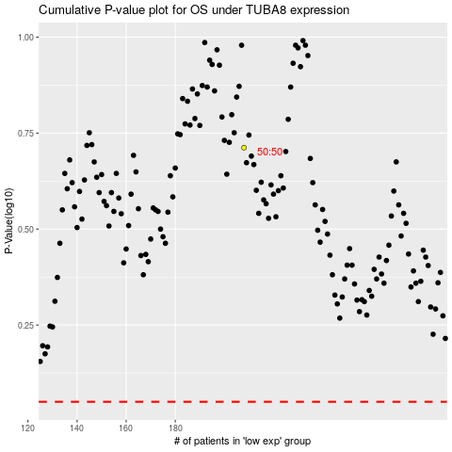

 |  |  |  |  |  | cases_OS | p_OS | rank | exp
 |  |  |  |  |  |  | cases_RFS | p_RFS | rank | exp

