TUBB1 _multivariate
Reported by Tex Li-Hsing Chi. tex@gate.sinica.edu.tw 2019-08-15

Table 2. The clinicopathological features of HNSCC cohort and TUBB1 expression. (Chi square test)
Cutoff at -0.237 (50.0%)
 |  | TUBB1 expression |  | TUBB1 expression |  | (Optimised)
 | Features | Low | (%) | High | (%) | Case no | P-value | Remark | Matthews
Gender | Female | 152 | 36.6 | 154 | 37.1 | 415 | 0.9766 | 0 | 0
2 | Male | 55 | 13.3 | 54 | 13
Age at diagnosis | <=65y | 145 | 34.9 | 129 | 31.1 | 415 | 0.1046 | 0 | 0
4 | >65y | 62 | 14.9 | 79 | 19
Clinical T Status | T1+T2 | 62 | 14.9 | 87 | 21 | 415 | 0.0156 | 1 | 0
6 | T3+T4 | 145 | 34.9 | 121 | 29.2
Clinical N Status | N0 | 104 | 25.1 | 112 | 27 | 415 | 0.5243 | 0 | 0
8 | N1-3 | 103 | 24.8 | 96 | 23.1
Clinical M Status | M0 | 206 | 49.6 | 206 | 49.6 | 415 | 1 | 0 | 0
10 | M1 | 1 | 0.2 | 2 | 0.5
Clinical Stage | Stage I+II | 41 | 9.9 | 61 | 14.7 | 415 | 0.0325 | 1 | 0
12 | Stage III+IV | 166 | 40 | 147 | 35.4
Surgical Margin status | Negative | 157 | 37.8 | 161 | 38.8 | 415 | 0.729 | 0 | 0
14 | Positive | 50 | 12 | 47 | 11.3
Tobacco Exposure | Low | 86 | 20.7 | 75 | 18.1 | 415 | 0.2687 | 0 | 0
16 | High | 121 | 29.2 | 133 | 32

Table 3. Univariate/Multivariate Cox's proportional hazards regression analyses on OS time of TUBB1 gene expression in HNSCC

 |  | Univariate |  |  |  | Multivariate
 | Features | HR | CI95%(L) | CI95%(H) | P-value | HR | CI95%(L) | CI95%(H) | P-value
1 | Female | 1 |  |  |  | 1
Gender | Male | 1.157 | 0.843 | 1.587 | 0.367 | 1.197 | 0.857 | 1.672 | 0.292
11 | <=65y | 1 |  |  |  | 1
Age at diagnosis | >65y | 1.329 | 0.99 | 1.784 | 0.058 | 1.422 | 1.043 | 1.938 | 0.026
12 | T1+T2 | 1 |  |  |  | 1
Clinical T Status | T3+T4 | 1.409 | 1.028 | 1.931 | 0.033 | 2.158 | 1.14 | 4.085 | 0.018
13 | N0 | 1 |  |  |  | 1
Clinical N Status | N1-3 | 1.185 | 0.89 | 1.577 | 0.246 | 1.247 | 0.874 | 1.78 | 0.223
14 | M0 | 1 |  |  |  | 1
Clinical M Status | M1 | 4.097 | 1.009 | 16.644 | 0.049 | 9.442 | 2.06 | 43.275 | 0.004
15 | Stage I+II | 1 |  |  |  | 1
Clinical Stage | Stage III+IV | 1.245 | 0.882 | 1.759 | 0.213 | 0.498 | 0.232 | 1.07 | 0.074
16 | Negative | 1 |  |  |  | 1
Surgical Margin status | Positive | 1.591 | 1.155 | 2.191 | 0.004 | 1.677 | 1.214 | 2.318 | 0.002
17 | Low | 1 |  |  |  | 1
Tobacco Exposure | High | 1.364 | 1.008 | 1.844 | 0.044 | 1.487 | 1.075 | 2.056 | 0.016
18 | Low | 1 |  |  |  | 1
RNAseq(z-score) | High | 0.869 | 0.652 | 1.16 | 0.341 | 0.851 | 0.633 | 1.144 | 0.284

Table 4. Univariate/Multivariate Cox's proportional hazards regression analyses on RFS time of TUBB1 gene expression in HNSCC

 |  | Univariate |  |  |  | Multivariate
 | Features | HR | CI95%(L) | CI95%(H) | P-value | HR | CI95%(L) | CI95%(H) | P-value
1 | Female | 1 |  |  |  | 1
Gender | Male | 1.157 | 0.843 | 1.587 | 0.367 | 1.197 | 0.857 | 1.672 | 0.292
11 | <=65y | 1 |  |  |  | 1
Age at diagnosis | >65y | 1.329 | 0.99 | 1.784 | 0.058 | 1.422 | 1.043 | 1.938 | 0.026
12 | T1+T2 | 1 |  |  |  | 1
Clinical T Status | T3+T4 | 1.409 | 1.028 | 1.931 | 0.033 | 2.158 | 1.14 | 4.085 | 0.018
13 | N0 | 1 |  |  |  | 1
Clinical N Status | N1-3 | 1.185 | 0.89 | 1.577 | 0.246 | 1.247 | 0.874 | 1.78 | 0.223
14 | M0 | 1 |  |  |  | 1
Clinical M Status | M1 | 4.097 | 1.009 | 16.644 | 0.049 | 9.442 | 2.06 | 43.275 | 0.004
15 | Stage I+II | 1 |  |  |  | 1
Clinical Stage | Stage III+IV | 1.245 | 0.882 | 1.759 | 0.213 | 0.498 | 0.232 | 1.07 | 0.074
16 | Negative | 1 |  |  |  | 1
Surgical Margin status | Positive | 1.591 | 1.155 | 2.191 | 0.004 | 1.677 | 1.214 | 2.318 | 0.002
17 | Low | 1 |  |  |  | 1
Tobacco Exposure | High | 1.364 | 1.008 | 1.844 | 0.044 | 1.487 | 1.075 | 2.056 | 0.016
18 | Low | 1 |  |  |  | 1
RNAseq(z-score) | High | 0.869 | 0.652 | 1.16 | 0.341 | 0.851 | 0.633 | 1.144 | 0.284

Kaplan-Meier survival estimate: Cutoff at -0.237 (50.0%)



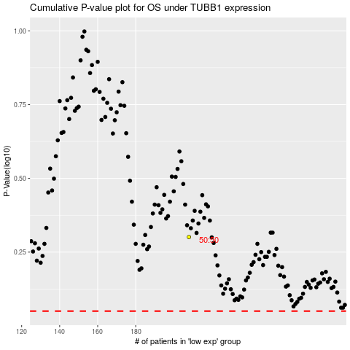

 |  |  |  |  |  | cases_OS | p_OS | rank | exp
 |  |  |  |  |  |  | cases_RFS | p_RFS | rank | exp

