TUBB3 _multivariate
Reported by Tex Li-Hsing Chi. tex@gate.sinica.edu.tw 2019-08-15

Table 2. The clinicopathological features of HNSCC cohort and TUBB3 expression. (Chi square test)
Cutoff at -0.151 (50.0%)
 |  | TUBB3 expression |  | TUBB3 expression |  | (Optimised)
 | Features | Low | (%) | High | (%) | Case no | P-value | Remark | Matthews
Gender | Female | 157 | 37.8 | 149 | 35.9 | 415 | 0.3881 | 0 | 0
2 | Male | 50 | 12 | 59 | 14.2
Age at diagnosis | <=65y | 137 | 33 | 137 | 33 | 415 | 1 | 0 | 0
4 | >65y | 70 | 16.9 | 71 | 17.1
Clinical T Status | T1+T2 | 81 | 19.5 | 68 | 16.4 | 415 | 0.206 | 0 | 0
6 | T3+T4 | 126 | 30.4 | 140 | 33.7
Clinical N Status | N0 | 99 | 23.9 | 117 | 28.2 | 415 | 0.1054 | 0 | 0
8 | N1-3 | 108 | 26 | 91 | 21.9
Clinical M Status | M0 | 206 | 49.6 | 206 | 49.6 | 415 | 1 | 0 | 0
10 | M1 | 1 | 0.2 | 2 | 0.5
Clinical Stage | Stage I+II | 47 | 11.3 | 55 | 13.3 | 415 | 0.4413 | 0 | 0
12 | Stage III+IV | 160 | 38.6 | 153 | 36.9
Surgical Margin status | Negative | 153 | 36.9 | 165 | 39.8 | 415 | 0.2036 | 0 | 0
14 | Positive | 54 | 13 | 43 | 10.4
Tobacco Exposure | Low | 74 | 17.8 | 87 | 21 | 415 | 0.227 | 0 | 0
16 | High | 133 | 32 | 121 | 29.2

Table 3. Univariate/Multivariate Cox's proportional hazards regression analyses on OS time of TUBB3 gene expression in HNSCC

 |  | Univariate |  |  |  | Multivariate
 | Features | HR | CI95%(L) | CI95%(H) | P-value | HR | CI95%(L) | CI95%(H) | P-value
1 | Female | 1 |  |  |  | 1
Gender | Male | 1.157 | 0.843 | 1.587 | 0.367 | 1.184 | 0.844 | 1.662 | 0.328
11 | <=65y | 1 |  |  |  | 1
Age at diagnosis | >65y | 1.329 | 0.99 | 1.784 | 0.058 | 1.394 | 1.026 | 1.895 | 0.034
12 | T1+T2 | 1 |  |  |  | 1
Clinical T Status | T3+T4 | 1.409 | 1.028 | 1.931 | 0.033 | 2.156 | 1.134 | 4.098 | 0.019
13 | N0 | 1 |  |  |  | 1
Clinical N Status | N1-3 | 1.185 | 0.89 | 1.577 | 0.246 | 1.243 | 0.872 | 1.774 | 0.23
14 | M0 | 1 |  |  |  | 1
Clinical M Status | M1 | 4.097 | 1.009 | 16.644 | 0.049 | 8.965 | 1.935 | 41.541 | 0.005
15 | Stage I+II | 1 |  |  |  | 1
Clinical Stage | Stage III+IV | 1.245 | 0.882 | 1.759 | 0.213 | 0.518 | 0.24 | 1.118 | 0.094
16 | Negative | 1 |  |  |  | 1
Surgical Margin status | Positive | 1.591 | 1.155 | 2.191 | 0.004 | 1.676 | 1.213 | 2.316 | 0.002
17 | Low | 1 |  |  |  | 1
Tobacco Exposure | High | 1.364 | 1.008 | 1.844 | 0.044 | 1.457 | 1.057 | 2.008 | 0.021
18 | Low | 1 |  |  |  | 1
RNAseq(z-score) | High | 1.106 | 0.831 | 1.473 | 0.489 | 1.081 | 0.804 | 1.454 | 0.605

Table 4. Univariate/Multivariate Cox's proportional hazards regression analyses on RFS time of TUBB3 gene expression in HNSCC

 |  | Univariate |  |  |  | Multivariate
 | Features | HR | CI95%(L) | CI95%(H) | P-value | HR | CI95%(L) | CI95%(H) | P-value
1 | Female | 1 |  |  |  | 1
Gender | Male | 1.157 | 0.843 | 1.587 | 0.367 | 1.184 | 0.844 | 1.662 | 0.328
11 | <=65y | 1 |  |  |  | 1
Age at diagnosis | >65y | 1.329 | 0.99 | 1.784 | 0.058 | 1.394 | 1.026 | 1.895 | 0.034
12 | T1+T2 | 1 |  |  |  | 1
Clinical T Status | T3+T4 | 1.409 | 1.028 | 1.931 | 0.033 | 2.156 | 1.134 | 4.098 | 0.019
13 | N0 | 1 |  |  |  | 1
Clinical N Status | N1-3 | 1.185 | 0.89 | 1.577 | 0.246 | 1.243 | 0.872 | 1.774 | 0.23
14 | M0 | 1 |  |  |  | 1
Clinical M Status | M1 | 4.097 | 1.009 | 16.644 | 0.049 | 8.965 | 1.935 | 41.541 | 0.005
15 | Stage I+II | 1 |  |  |  | 1
Clinical Stage | Stage III+IV | 1.245 | 0.882 | 1.759 | 0.213 | 0.518 | 0.24 | 1.118 | 0.094
16 | Negative | 1 |  |  |  | 1
Surgical Margin status | Positive | 1.591 | 1.155 | 2.191 | 0.004 | 1.676 | 1.213 | 2.316 | 0.002
17 | Low | 1 |  |  |  | 1
Tobacco Exposure | High | 1.364 | 1.008 | 1.844 | 0.044 | 1.457 | 1.057 | 2.008 | 0.021
18 | Low | 1 |  |  |  | 1
RNAseq(z-score) | High | 1.106 | 0.831 | 1.473 | 0.489 | 1.081 | 0.804 | 1.454 | 0.605

Kaplan-Meier survival estimate: Cutoff at -0.151 (50.0%)



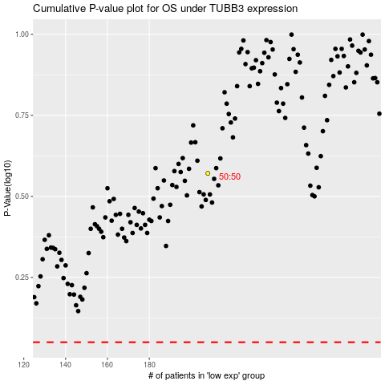

 |  |  |  |  |  | cases_OS | p_OS | rank | exp
 |  |  |  |  |  |  | cases_RFS | p_RFS | rank | exp

