TUBB4 _multivariate
Reported by Tex Li-Hsing Chi. tex@gate.sinica.edu.tw 2019-08-15

Table 2. The clinicopathological features of HNSCC cohort and TUBB4 expression. (Chi square test)
Cutoff at -0.308 (50.0%)
 |  | TUBB4 expression |  | TUBB4 expression |  | (Optimised)
 | Features | Low | (%) | High | (%) | Case no | P-value | Remark | Matthews
Gender | Female | 157 | 37.8 | 149 | 35.9 | 415 | 0.3881 | 0 | 0
2 | Male | 50 | 12 | 59 | 14.2
Age at diagnosis | <=65y | 138 | 33.3 | 136 | 32.8 | 415 | 0.8634 | 0 | 0
4 | >65y | 69 | 16.6 | 72 | 17.3
Clinical T Status | T1+T2 | 80 | 19.3 | 69 | 16.6 | 415 | 0.2891 | 0 | 0
6 | T3+T4 | 127 | 30.6 | 139 | 33.5
Clinical N Status | N0 | 100 | 24.1 | 116 | 28 | 415 | 0.1548 | 0 | 0
8 | N1-3 | 107 | 25.8 | 92 | 22.2
Clinical M Status | M0 | 206 | 49.6 | 206 | 49.6 | 415 | 1 | 0 | 0
10 | M1 | 1 | 0.2 | 2 | 0.5
Clinical Stage | Stage I+II | 54 | 13 | 48 | 11.6 | 415 | 0.5498 | 0 | 0
12 | Stage III+IV | 153 | 36.9 | 160 | 38.6
Surgical Margin status | Negative | 160 | 38.6 | 158 | 38.1 | 415 | 0.8167 | 0 | 0
14 | Positive | 47 | 11.3 | 50 | 12
Tobacco Exposure | Low | 80 | 19.3 | 81 | 19.5 | 415 | 1 | 0 | 0
16 | High | 127 | 30.6 | 127 | 30.6

Table 3. Univariate/Multivariate Cox's proportional hazards regression analyses on OS time of TUBB4 gene expression in HNSCC

 |  | Univariate |  |  |  | Multivariate
 | Features | HR | CI95%(L) | CI95%(H) | P-value | HR | CI95%(L) | CI95%(H) | P-value
1 | Female | 1 |  |  |  | 1
Gender | Male | 1.157 | 0.843 | 1.587 | 0.367 | 1.223 | 0.876 | 1.709 | 0.237
11 | <=65y | 1 |  |  |  | 1
Age at diagnosis | >65y | 1.329 | 0.99 | 1.784 | 0.058 | 1.405 | 1.033 | 1.911 | 0.03
12 | T1+T2 | 1 |  |  |  | 1
Clinical T Status | T3+T4 | 1.409 | 1.028 | 1.931 | 0.033 | 2.234 | 1.182 | 4.225 | 0.013
13 | N0 | 1 |  |  |  | 1
Clinical N Status | N1-3 | 1.185 | 0.89 | 1.577 | 0.246 | 1.2 | 0.84 | 1.714 | 0.318
14 | M0 | 1 |  |  |  | 1
Clinical M Status | M1 | 4.097 | 1.009 | 16.644 | 0.049 | 10.56 | 2.291 | 48.684 | 0.003
15 | Stage I+II | 1 |  |  |  | 1
Clinical Stage | Stage III+IV | 1.245 | 0.882 | 1.759 | 0.213 | 0.504 | 0.235 | 1.081 | 0.079
16 | Negative | 1 |  |  |  | 1
Surgical Margin status | Positive | 1.591 | 1.155 | 2.191 | 0.004 | 1.698 | 1.228 | 2.347 | 0.001
17 | Low | 1 |  |  |  | 1
Tobacco Exposure | High | 1.364 | 1.008 | 1.844 | 0.044 | 1.471 | 1.067 | 2.028 | 0.018
18 | Low | 1 |  |  |  | 1
RNAseq(z-score) | High | 0.812 | 0.609 | 1.083 | 0.156 | 0.763 | 0.57 | 1.021 | 0.069

Table 4. Univariate/Multivariate Cox's proportional hazards regression analyses on RFS time of TUBB4 gene expression in HNSCC

 |  | Univariate |  |  |  | Multivariate
 | Features | HR | CI95%(L) | CI95%(H) | P-value | HR | CI95%(L) | CI95%(H) | P-value
1 | Female | 1 |  |  |  | 1
Gender | Male | 1.157 | 0.843 | 1.587 | 0.367 | 1.223 | 0.876 | 1.709 | 0.237
11 | <=65y | 1 |  |  |  | 1
Age at diagnosis | >65y | 1.329 | 0.99 | 1.784 | 0.058 | 1.405 | 1.033 | 1.911 | 0.03
12 | T1+T2 | 1 |  |  |  | 1
Clinical T Status | T3+T4 | 1.409 | 1.028 | 1.931 | 0.033 | 2.234 | 1.182 | 4.225 | 0.013
13 | N0 | 1 |  |  |  | 1
Clinical N Status | N1-3 | 1.185 | 0.89 | 1.577 | 0.246 | 1.2 | 0.84 | 1.714 | 0.318
14 | M0 | 1 |  |  |  | 1
Clinical M Status | M1 | 4.097 | 1.009 | 16.644 | 0.049 | 10.56 | 2.291 | 48.684 | 0.003
15 | Stage I+II | 1 |  |  |  | 1
Clinical Stage | Stage III+IV | 1.245 | 0.882 | 1.759 | 0.213 | 0.504 | 0.235 | 1.081 | 0.079
16 | Negative | 1 |  |  |  | 1
Surgical Margin status | Positive | 1.591 | 1.155 | 2.191 | 0.004 | 1.698 | 1.228 | 2.347 | 0.001
17 | Low | 1 |  |  |  | 1
Tobacco Exposure | High | 1.364 | 1.008 | 1.844 | 0.044 | 1.471 | 1.067 | 2.028 | 0.018
18 | Low | 1 |  |  |  | 1
RNAseq(z-score) | High | 0.812 | 0.609 | 1.083 | 0.156 | 0.763 | 0.57 | 1.021 | 0.069

Kaplan-Meier survival estimate: Cutoff at -0.308 (50.0%)



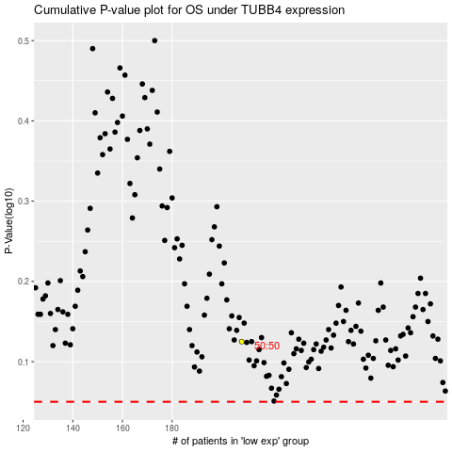

 |  |  |  |  |  | cases_OS | p_OS | rank | exp
 |  |  |  |  |  |  | cases_RFS | p_RFS | rank | exp

