TUBB4Q _multivariate
Reported by Tex Li-Hsing Chi. tex@gate.sinica.edu.tw 2019-08-15

Table 2. The clinicopathological features of HNSCC cohort and TUBB4Q expression. (Chi square test)
Cutoff at -0.234 (50.0%)
 |  | TUBB4Q expression |  | TUBB4Q expression |  | (Optimised)
 | Features | Low | (%) | High | (%) | Case no | P-value | Remark | Matthews
Gender | Female | 151 | 36.4 | 155 | 37.3 | 415 | 0.8007 | 0 | 0
2 | Male | 56 | 13.5 | 53 | 12.8
Age at diagnosis | <=65y | 143 | 34.5 | 131 | 31.6 | 415 | 0.2269 | 0 | 0
4 | >65y | 64 | 15.4 | 77 | 18.6
Clinical T Status | T1+T2 | 74 | 17.8 | 75 | 18.1 | 415 | 1 | 0 | 0
6 | T3+T4 | 133 | 32 | 133 | 32
Clinical N Status | N0 | 102 | 24.6 | 114 | 27.5 | 415 | 0.3031 | 0 | 0
8 | N1-3 | 105 | 25.3 | 94 | 22.7
Clinical M Status | M0 | 205 | 49.4 | 207 | 49.9 | 415 | 0.6232 | 0 | 0
10 | M1 | 2 | 0.5 | 1 | 0.2
Clinical Stage | Stage I+II | 53 | 12.8 | 49 | 11.8 | 415 | 0.7113 | 0 | 0
12 | Stage III+IV | 154 | 37.1 | 159 | 38.3
Surgical Margin status | Negative | 169 | 40.7 | 149 | 35.9 | 415 | 0.0201 | 1 | 0
14 | Positive | 38 | 9.2 | 59 | 14.2
Tobacco Exposure | Low | 91 | 21.9 | 70 | 16.9 | 415 | 0.0346 | 1 | 0
16 | High | 116 | 28 | 138 | 33.3

Table 3. Univariate/Multivariate Cox's proportional hazards regression analyses on OS time of TUBB4Q gene expression in HNSCC

 |  | Univariate |  |  |  | Multivariate
 | Features | HR | CI95%(L) | CI95%(H) | P-value | HR | CI95%(L) | CI95%(H) | P-value
1 | Female | 1 |  |  |  | 1
Gender | Male | 1.157 | 0.843 | 1.587 | 0.367 | 1.201 | 0.86 | 1.677 | 0.282
11 | <=65y | 1 |  |  |  | 1
Age at diagnosis | >65y | 1.329 | 0.99 | 1.784 | 0.058 | 1.398 | 1.028 | 1.902 | 0.032
12 | T1+T2 | 1 |  |  |  | 1
Clinical T Status | T3+T4 | 1.409 | 1.028 | 1.931 | 0.033 | 2.157 | 1.139 | 4.086 | 0.018
13 | N0 | 1 |  |  |  | 1
Clinical N Status | N1-3 | 1.185 | 0.89 | 1.577 | 0.246 | 1.209 | 0.844 | 1.733 | 0.301
14 | M0 | 1 |  |  |  | 1
Clinical M Status | M1 | 4.097 | 1.009 | 16.644 | 0.049 | 9.003 | 1.958 | 41.405 | 0.005
15 | Stage I+II | 1 |  |  |  | 1
Clinical Stage | Stage III+IV | 1.245 | 0.882 | 1.759 | 0.213 | 0.523 | 0.243 | 1.128 | 0.098
16 | Negative | 1 |  |  |  | 1
Surgical Margin status | Positive | 1.591 | 1.155 | 2.191 | 0.004 | 1.704 | 1.23 | 2.362 | 0.001
17 | Low | 1 |  |  |  | 1
Tobacco Exposure | High | 1.364 | 1.008 | 1.844 | 0.044 | 1.496 | 1.079 | 2.074 | 0.016
18 | Low | 1 |  |  |  | 1
RNAseq(z-score) | High | 0.957 | 0.719 | 1.274 | 0.764 | 0.875 | 0.649 | 1.181 | 0.383

Table 4. Univariate/Multivariate Cox's proportional hazards regression analyses on RFS time of TUBB4Q gene expression in HNSCC

 |  | Univariate |  |  |  | Multivariate
 | Features | HR | CI95%(L) | CI95%(H) | P-value | HR | CI95%(L) | CI95%(H) | P-value
1 | Female | 1 |  |  |  | 1
Gender | Male | 1.157 | 0.843 | 1.587 | 0.367 | 1.201 | 0.86 | 1.677 | 0.282
11 | <=65y | 1 |  |  |  | 1
Age at diagnosis | >65y | 1.329 | 0.99 | 1.784 | 0.058 | 1.398 | 1.028 | 1.902 | 0.032
12 | T1+T2 | 1 |  |  |  | 1
Clinical T Status | T3+T4 | 1.409 | 1.028 | 1.931 | 0.033 | 2.157 | 1.139 | 4.086 | 0.018
13 | N0 | 1 |  |  |  | 1
Clinical N Status | N1-3 | 1.185 | 0.89 | 1.577 | 0.246 | 1.209 | 0.844 | 1.733 | 0.301
14 | M0 | 1 |  |  |  | 1
Clinical M Status | M1 | 4.097 | 1.009 | 16.644 | 0.049 | 9.003 | 1.958 | 41.405 | 0.005
15 | Stage I+II | 1 |  |  |  | 1
Clinical Stage | Stage III+IV | 1.245 | 0.882 | 1.759 | 0.213 | 0.523 | 0.243 | 1.128 | 0.098
16 | Negative | 1 |  |  |  | 1
Surgical Margin status | Positive | 1.591 | 1.155 | 2.191 | 0.004 | 1.704 | 1.23 | 2.362 | 0.001
17 | Low | 1 |  |  |  | 1
Tobacco Exposure | High | 1.364 | 1.008 | 1.844 | 0.044 | 1.496 | 1.079 | 2.074 | 0.016
18 | Low | 1 |  |  |  | 1
RNAseq(z-score) | High | 0.957 | 0.719 | 1.274 | 0.764 | 0.875 | 0.649 | 1.181 | 0.383

Kaplan-Meier survival estimate: Cutoff at -0.234 (50.0%)



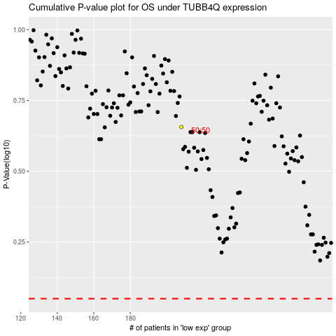

 |  |  |  |  |  | cases_OS | p_OS | rank | exp
 |  |  |  |  |  |  | cases_RFS | p_RFS | rank | exp

