TUBB6 _multivariate
Reported by Tex Li-Hsing Chi. tex@gate.sinica.edu.tw 2019-08-15

Table 2. The clinicopathological features of HNSCC cohort and TUBB6 expression. (Chi square test)
Cutoff at -0.553 (30.4%)
 |  | TUBB6 expression |  | TUBB6 expression |  | (Optimised)
 | Features | Low | (%) | High | (%) | Case no | P-value | Remark | Matthews
Gender | Female | 105 | 25.3 | 201 | 48.4 | 415 | 0.0049 | 1 | 0
2 | Male | 21 | 5.1 | 88 | 21.2
Age at diagnosis | <=65y | 91 | 21.9 | 183 | 44.1 | 415 | 0.0994 | 0 | 0
4 | >65y | 35 | 8.4 | 106 | 25.5
Clinical T Status | T1+T2 | 46 | 11.1 | 103 | 24.8 | 415 | 0.9536 | 0 | 0
6 | T3+T4 | 80 | 19.3 | 186 | 44.8
Clinical N Status | N0 | 60 | 14.5 | 156 | 37.6 | 415 | 0.2776 | 0 | 0
8 | N1-3 | 66 | 15.9 | 133 | 32
Clinical M Status | M0 | 125 | 30.1 | 287 | 69.2 | 415 | 1 | 0 | 0
10 | M1 | 1 | 0.2 | 2 | 0.5
Clinical Stage | Stage I+II | 26 | 6.3 | 76 | 18.3 | 415 | 0.2679 | 0 | 0
12 | Stage III+IV | 100 | 24.1 | 213 | 51.3
Surgical Margin status | Negative | 96 | 23.1 | 222 | 53.5 | 415 | 0.9001 | 0 | 0
14 | Positive | 30 | 7.2 | 67 | 16.1
Tobacco Exposure | Low | 41 | 9.9 | 120 | 28.9 | 415 | 0.1002 | 0 | 0
16 | High | 85 | 20.5 | 169 | 40.7

Table 3. Univariate/Multivariate Cox's proportional hazards regression analyses on OS time of TUBB6 gene expression in HNSCC

 |  | Univariate |  |  |  | Multivariate
 | Features | HR | CI95%(L) | CI95%(H) | P-value | HR | CI95%(L) | CI95%(H) | P-value
1 | Female | 1 |  |  |  | 1
Gender | Male | 1.157 | 0.843 | 1.587 | 0.367 | 1.133 | 0.807 | 1.59 | 0.471
11 | <=65y | 1 |  |  |  | 1
Age at diagnosis | >65y | 1.329 | 0.99 | 1.784 | 0.058 | 1.387 | 1.019 | 1.888 | 0.037
12 | T1+T2 | 1 |  |  |  | 1
Clinical T Status | T3+T4 | 1.409 | 1.028 | 1.931 | 0.033 | 2.157 | 1.141 | 4.079 | 0.018
13 | N0 | 1 |  |  |  | 1
Clinical N Status | N1-3 | 1.185 | 0.89 | 1.577 | 0.246 | 1.25 | 0.876 | 1.785 | 0.219
14 | M0 | 1 |  |  |  | 1
Clinical M Status | M1 | 4.097 | 1.009 | 16.644 | 0.049 | 8.722 | 1.898 | 40.074 | 0.005
15 | Stage I+II | 1 |  |  |  | 1
Clinical Stage | Stage III+IV | 1.245 | 0.882 | 1.759 | 0.213 | 0.526 | 0.245 | 1.131 | 0.1
16 | Negative | 1 |  |  |  | 1
Surgical Margin status | Positive | 1.591 | 1.155 | 2.191 | 0.004 | 1.66 | 1.202 | 2.292 | 0.002
17 | Low | 1 |  |  |  | 1
Tobacco Exposure | High | 1.364 | 1.008 | 1.844 | 0.044 | 1.462 | 1.06 | 2.016 | 0.021
18 | Low | 1 |  |  |  | 1
RNAseq(z-score) | High | 1.411 | 1.023 | 1.945 | 0.036 | 1.369 | 0.984 | 1.903 | 0.062

Table 4. Univariate/Multivariate Cox's proportional hazards regression analyses on RFS time of TUBB6 gene expression in HNSCC

 |  | Univariate |  |  |  | Multivariate
 | Features | HR | CI95%(L) | CI95%(H) | P-value | HR | CI95%(L) | CI95%(H) | P-value
1 | Female | 1 |  |  |  | 1
Gender | Male | 1.157 | 0.843 | 1.587 | 0.367 | 1.133 | 0.807 | 1.59 | 0.471
11 | <=65y | 1 |  |  |  | 1
Age at diagnosis | >65y | 1.329 | 0.99 | 1.784 | 0.058 | 1.387 | 1.019 | 1.888 | 0.037
12 | T1+T2 | 1 |  |  |  | 1
Clinical T Status | T3+T4 | 1.409 | 1.028 | 1.931 | 0.033 | 2.157 | 1.141 | 4.079 | 0.018
13 | N0 | 1 |  |  |  | 1
Clinical N Status | N1-3 | 1.185 | 0.89 | 1.577 | 0.246 | 1.25 | 0.876 | 1.785 | 0.219
14 | M0 | 1 |  |  |  | 1
Clinical M Status | M1 | 4.097 | 1.009 | 16.644 | 0.049 | 8.722 | 1.898 | 40.074 | 0.005
15 | Stage I+II | 1 |  |  |  | 1
Clinical Stage | Stage III+IV | 1.245 | 0.882 | 1.759 | 0.213 | 0.526 | 0.245 | 1.131 | 0.1
16 | Negative | 1 |  |  |  | 1
Surgical Margin status | Positive | 1.591 | 1.155 | 2.191 | 0.004 | 1.66 | 1.202 | 2.292 | 0.002
17 | Low | 1 |  |  |  | 1
Tobacco Exposure | High | 1.364 | 1.008 | 1.844 | 0.044 | 1.462 | 1.06 | 2.016 | 0.021
18 | Low | 1 |  |  |  | 1
RNAseq(z-score) | High | 1.411 | 1.023 | 1.945 | 0.036 | 1.369 | 0.984 | 1.903 | 0.062

Kaplan-Meier survival estimate: Cutoff at -0.553 (30.4%)

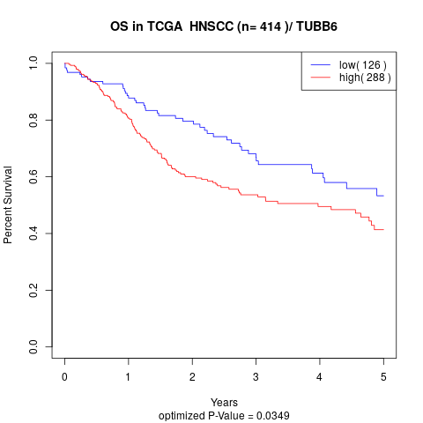

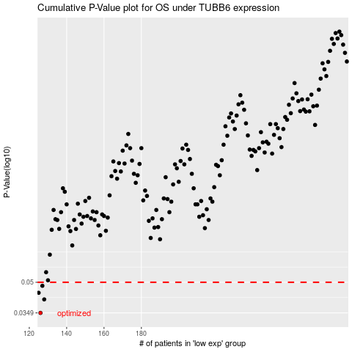

 |  |  |  |  |  | cases_OS | p_OS | rank | exp
 |  |  |  |  |  | 126 | 0.0349 | 113 | -0.55315190988
 |  |  |  |  |  | 128 | 0.0409 | 223 | -0.54840600341
 |  |  |  |  |  | 125 | 0.0442 | 105 | -0.5532745101
 |  |  |  |  |  | 127 | 0.048 | 18 | -0.55132290559
 |  |  |  |  |  |  | cases_RFS | p_RFS | rank | exp
 |  |  |  |  |  |  | 125 | 0.0349 | 105 | -0.5532745101
 |  |  |  |  |  |  | 127 | 0.0409 | 18 | -0.55132290559
 |  |  |  |  |  |  |  | 0.0442 | 187 | -0.55706396634
 |  |  |  |  |  |  | 126 | 0.048 | 113 | -0.55315190988

