TUBBP5 _multivariate
Reported by Tex Li-Hsing Chi. tex@gate.sinica.edu.tw 2019-08-15

Table 2. The clinicopathological features of HNSCC cohort and TUBBP5 expression. (Chi square test)
Cutoff at -0.271 (49.8%)
 |  | TUBBP5 expression |  | TUBBP5 expression |  | (Optimised)
 | Features | Low | (%) | High | (%) | Case no | P-value | Remark | Matthews
Gender | Female | 150 | 36.1 | 156 | 37.6 | 415 | 0.6344 | 0 | 0
2 | Male | 57 | 13.7 | 52 | 12.5
Age at diagnosis | <=65y | 147 | 35.4 | 127 | 30.6 | 415 | 0.0416 | 1 | 0
4 | >65y | 60 | 14.5 | 81 | 19.5
Clinical T Status | T1+T2 | 78 | 18.8 | 71 | 17.1 | 415 | 0.5152 | 0 | 0
6 | T3+T4 | 129 | 31.1 | 137 | 33
Clinical N Status | N0 | 101 | 24.3 | 115 | 27.7 | 415 | 0.2201 | 0 | 0
8 | N1-3 | 106 | 25.5 | 93 | 22.4
Clinical M Status | M0 | 205 | 49.4 | 207 | 49.9 | 415 | 0.6232 | 0 | 0
10 | M1 | 2 | 0.5 | 1 | 0.2
Clinical Stage | Stage I+II | 55 | 13.3 | 47 | 11.3 | 415 | 0.4087 | 0 | 0
12 | Stage III+IV | 152 | 36.6 | 161 | 38.8
Surgical Margin status | Negative | 167 | 40.2 | 151 | 36.4 | 415 | 0.0632 | 0 | 0
14 | Positive | 40 | 9.6 | 57 | 13.7
Tobacco Exposure | Low | 84 | 20.2 | 77 | 18.6 | 415 | 0.4816 | 0 | 0
16 | High | 123 | 29.6 | 131 | 31.6

Table 3. Univariate/Multivariate Cox's proportional hazards regression analyses on OS time of TUBBP5 gene expression in HNSCC

 |  | Univariate |  |  |  | Multivariate
 | Features | HR | CI95%(L) | CI95%(H) | P-value | HR | CI95%(L) | CI95%(H) | P-value
1 | Female | 1 |  |  |  | 1
Gender | Male | 1.157 | 0.843 | 1.587 | 0.367 | 1.201 | 0.859 | 1.677 | 0.284
11 | <=65y | 1 |  |  |  | 1
Age at diagnosis | >65y | 1.329 | 0.99 | 1.784 | 0.058 | 1.396 | 1.025 | 1.901 | 0.034
12 | T1+T2 | 1 |  |  |  | 1
Clinical T Status | T3+T4 | 1.409 | 1.028 | 1.931 | 0.033 | 2.197 | 1.161 | 4.157 | 0.016
13 | N0 | 1 |  |  |  | 1
Clinical N Status | N1-3 | 1.185 | 0.89 | 1.577 | 0.246 | 1.236 | 0.864 | 1.768 | 0.245
14 | M0 | 1 |  |  |  | 1
Clinical M Status | M1 | 4.097 | 1.009 | 16.644 | 0.049 | 9.327 | 2.028 | 42.888 | 0.004
15 | Stage I+II | 1 |  |  |  | 1
Clinical Stage | Stage III+IV | 1.245 | 0.882 | 1.759 | 0.213 | 0.508 | 0.236 | 1.096 | 0.084
16 | Negative | 1 |  |  |  | 1
Surgical Margin status | Positive | 1.591 | 1.155 | 2.191 | 0.004 | 1.674 | 1.211 | 2.315 | 0.002
17 | Low | 1 |  |  |  | 1
Tobacco Exposure | High | 1.364 | 1.008 | 1.844 | 0.044 | 1.455 | 1.056 | 2.006 | 0.022
18 | Low | 1 |  |  |  | 1
RNAseq(z-score) | High | 1.033 | 0.776 | 1.375 | 0.826 | 0.975 | 0.727 | 1.308 | 0.866

Table 4. Univariate/Multivariate Cox's proportional hazards regression analyses on RFS time of TUBBP5 gene expression in HNSCC

 |  | Univariate |  |  |  | Multivariate
 | Features | HR | CI95%(L) | CI95%(H) | P-value | HR | CI95%(L) | CI95%(H) | P-value
1 | Female | 1 |  |  |  | 1
Gender | Male | 1.157 | 0.843 | 1.587 | 0.367 | 1.201 | 0.859 | 1.677 | 0.284
11 | <=65y | 1 |  |  |  | 1
Age at diagnosis | >65y | 1.329 | 0.99 | 1.784 | 0.058 | 1.396 | 1.025 | 1.901 | 0.034
12 | T1+T2 | 1 |  |  |  | 1
Clinical T Status | T3+T4 | 1.409 | 1.028 | 1.931 | 0.033 | 2.197 | 1.161 | 4.157 | 0.016
13 | N0 | 1 |  |  |  | 1
Clinical N Status | N1-3 | 1.185 | 0.89 | 1.577 | 0.246 | 1.236 | 0.864 | 1.768 | 0.245
14 | M0 | 1 |  |  |  | 1
Clinical M Status | M1 | 4.097 | 1.009 | 16.644 | 0.049 | 9.327 | 2.028 | 42.888 | 0.004
15 | Stage I+II | 1 |  |  |  | 1
Clinical Stage | Stage III+IV | 1.245 | 0.882 | 1.759 | 0.213 | 0.508 | 0.236 | 1.096 | 0.084
16 | Negative | 1 |  |  |  | 1
Surgical Margin status | Positive | 1.591 | 1.155 | 2.191 | 0.004 | 1.674 | 1.211 | 2.315 | 0.002
17 | Low | 1 |  |  |  | 1
Tobacco Exposure | High | 1.364 | 1.008 | 1.844 | 0.044 | 1.455 | 1.056 | 2.006 | 0.022
18 | Low | 1 |  |  |  | 1
RNAseq(z-score) | High | 1.033 | 0.776 | 1.375 | 0.826 | 0.975 | 0.727 | 1.308 | 0.866

Kaplan-Meier survival estimate: Cutoff at -0.271 (49.8%)



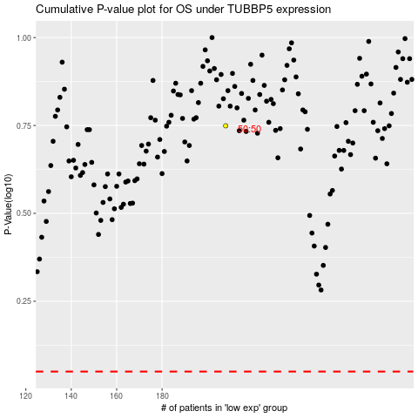

 |  |  |  |  |  | cases_OS | p_OS | rank | exp
 |  |  |  |  |  |  | cases_RFS | p_RFS | rank | exp

