TUBGCP2 _multivariate
Reported by Tex Li-Hsing Chi. tex@gate.sinica.edu.tw 2019-08-15

Table 2. The clinicopathological features of HNSCC cohort and TUBGCP2 expression. (Chi square test)
Cutoff at -0.288 (40.8%)
 |  | TUBGCP2 expression |  | TUBGCP2 expression |  | (Optimised)
 | Features | Low | (%) | High | (%) | Case no | P-value | Remark | Matthews
Gender | Female | 118 | 28.4 | 188 | 45.3 | 415 | 0.1652 | 0 | 0
2 | Male | 51 | 12.3 | 58 | 14
Age at diagnosis | <=65y | 117 | 28.2 | 157 | 37.8 | 415 | 0.2994 | 0 | 0
4 | >65y | 52 | 12.5 | 89 | 21.4
Clinical T Status | T1+T2 | 60 | 14.5 | 89 | 21.4 | 415 | 0.9706 | 0 | 0
6 | T3+T4 | 109 | 26.3 | 157 | 37.8
Clinical N Status | N0 | 89 | 21.4 | 127 | 30.6 | 415 | 0.9142 | 0 | 0
8 | N1-3 | 80 | 19.3 | 119 | 28.7
Clinical M Status | M0 | 169 | 40.7 | 243 | 58.6 | 415 | 0.2741 | 0 | 0
10 | M1 | 0 | 0 | 3 | 0.7
Clinical Stage | Stage I+II | 43 | 10.4 | 59 | 14.2 | 415 | 0.8232 | 0 | 0
12 | Stage III+IV | 126 | 30.4 | 187 | 45.1
Surgical Margin status | Negative | 134 | 32.3 | 184 | 44.3 | 415 | 0.345 | 0 | 0
14 | Positive | 35 | 8.4 | 62 | 14.9
Tobacco Exposure | Low | 64 | 15.4 | 97 | 23.4 | 415 | 0.7595 | 0 | 0
16 | High | 105 | 25.3 | 149 | 35.9

Table 3. Univariate/Multivariate Cox's proportional hazards regression analyses on OS time of TUBGCP2 gene expression in HNSCC

 |  | Univariate |  |  |  | Multivariate
 | Features | HR | CI95%(L) | CI95%(H) | P-value | HR | CI95%(L) | CI95%(H) | P-value
1 | Female | 1 |  |  |  | 1
Gender | Male | 1.157 | 0.843 | 1.587 | 0.367 | 1.237 | 0.883 | 1.732 | 0.217
11 | <=65y | 1 |  |  |  | 1
Age at diagnosis | >65y | 1.329 | 0.99 | 1.784 | 0.058 | 1.366 | 1.003 | 1.86 | 0.048
12 | T1+T2 | 1 |  |  |  | 1
Clinical T Status | T3+T4 | 1.409 | 1.028 | 1.931 | 0.033 | 2.169 | 1.147 | 4.099 | 0.017
13 | N0 | 1 |  |  |  | 1
Clinical N Status | N1-3 | 1.185 | 0.89 | 1.577 | 0.246 | 1.234 | 0.865 | 1.761 | 0.246
14 | M0 | 1 |  |  |  | 1
Clinical M Status | M1 | 4.097 | 1.009 | 16.644 | 0.049 | 8.465 | 1.839 | 38.966 | 0.006
15 | Stage I+II | 1 |  |  |  | 1
Clinical Stage | Stage III+IV | 1.245 | 0.882 | 1.759 | 0.213 | 0.509 | 0.237 | 1.092 | 0.083
16 | Negative | 1 |  |  |  | 1
Surgical Margin status | Positive | 1.591 | 1.155 | 2.191 | 0.004 | 1.625 | 1.175 | 2.247 | 0.003
17 | Low | 1 |  |  |  | 1
Tobacco Exposure | High | 1.364 | 1.008 | 1.844 | 0.044 | 1.461 | 1.059 | 2.015 | 0.021
18 | Low | 1 |  |  |  | 1
RNAseq(z-score) | High | 1.378 | 1.02 | 1.86 | 0.036 | 1.285 | 0.947 | 1.744 | 0.108

Table 4. Univariate/Multivariate Cox's proportional hazards regression analyses on RFS time of TUBGCP2 gene expression in HNSCC

 |  | Univariate |  |  |  | Multivariate
 | Features | HR | CI95%(L) | CI95%(H) | P-value | HR | CI95%(L) | CI95%(H) | P-value
1 | Female | 1 |  |  |  | 1
Gender | Male | 1.157 | 0.843 | 1.587 | 0.367 | 1.237 | 0.883 | 1.732 | 0.217
11 | <=65y | 1 |  |  |  | 1
Age at diagnosis | >65y | 1.329 | 0.99 | 1.784 | 0.058 | 1.366 | 1.003 | 1.86 | 0.048
12 | T1+T2 | 1 |  |  |  | 1
Clinical T Status | T3+T4 | 1.409 | 1.028 | 1.931 | 0.033 | 2.169 | 1.147 | 4.099 | 0.017
13 | N0 | 1 |  |  |  | 1
Clinical N Status | N1-3 | 1.185 | 0.89 | 1.577 | 0.246 | 1.234 | 0.865 | 1.761 | 0.246
14 | M0 | 1 |  |  |  | 1
Clinical M Status | M1 | 4.097 | 1.009 | 16.644 | 0.049 | 8.465 | 1.839 | 38.966 | 0.006
15 | Stage I+II | 1 |  |  |  | 1
Clinical Stage | Stage III+IV | 1.245 | 0.882 | 1.759 | 0.213 | 0.509 | 0.237 | 1.092 | 0.083
16 | Negative | 1 |  |  |  | 1
Surgical Margin status | Positive | 1.591 | 1.155 | 2.191 | 0.004 | 1.625 | 1.175 | 2.247 | 0.003
17 | Low | 1 |  |  |  | 1
Tobacco Exposure | High | 1.364 | 1.008 | 1.844 | 0.044 | 1.461 | 1.059 | 2.015 | 0.021
18 | Low | 1 |  |  |  | 1
RNAseq(z-score) | High | 1.378 | 1.02 | 1.86 | 0.036 | 1.285 | 0.947 | 1.744 | 0.108

Kaplan-Meier survival estimate: Cutoff at -0.288 (40.8%)

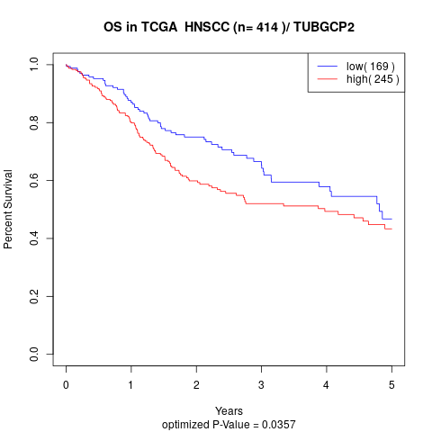

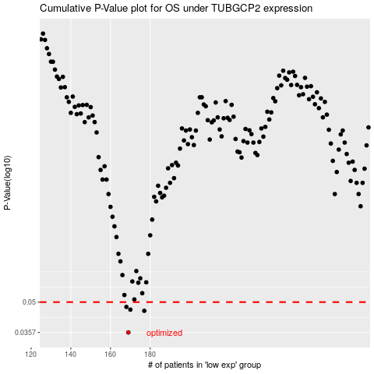

 |  |  |  |  |  | cases_OS | p_OS | rank | exp
 |  |  |  |  |  | 169 | 0.0357 | 373 | -0.28807488008
 |  |  |  |  |  | 177 | 0.0454 | 224 | -0.24347608996
 |  |  |  |  |  | 170 | 0.046 | 276 | -0.28247659294
 |  |  |  |  |  | 168 | 0.0474 | 111 | -0.29134589729
 |  |  |  |  |  |  | cases_RFS | p_RFS | rank | exp
 |  |  |  |  |  |  | 168 | 0.0357 | 111 | -0.29134589729
 |  |  |  |  |  |  | 176 | 0.0454 | 365 | -0.24656430673
 |  |  |  |  |  |  | 169 | 0.046 | 373 | -0.28807488008
 |  |  |  |  |  |  | 167 | 0.0474 | 269 | -0.29176157534

