TUBGCP3 _multivariate
Reported by Tex Li-Hsing Chi. tex@gate.sinica.edu.tw 2019-08-15

Table 2. The clinicopathological features of HNSCC cohort and TUBGCP3 expression. (Chi square test)
Cutoff at 0.151 (67.4%)
 |  | TUBGCP3 expression |  | TUBGCP3 expression |  | (Optimised)
 | Features | Low | (%) | High | (%) | Case no | P-value | Remark | Matthews
Gender | Female | 202 | 48.7 | 104 | 25.1 | 415 | 0.346 | 0 | 0
2 | Male | 78 | 18.8 | 31 | 7.5
Age at diagnosis | <=65y | 178 | 42.9 | 96 | 23.1 | 415 | 0.1589 | 0 | 0
4 | >65y | 102 | 24.6 | 39 | 9.4
Clinical T Status | T1+T2 | 106 | 25.5 | 43 | 10.4 | 415 | 0.2777 | 0 | 0
6 | T3+T4 | 174 | 41.9 | 92 | 22.2
Clinical N Status | N0 | 154 | 37.1 | 62 | 14.9 | 415 | 0.1034 | 0 | 0
8 | N1-3 | 126 | 30.4 | 73 | 17.6
Clinical M Status | M0 | 277 | 66.7 | 135 | 32.5 | 415 | 0.5541 | 0 | 0
10 | M1 | 3 | 0.7 | 0 | 0
Clinical Stage | Stage I+II | 75 | 18.1 | 27 | 6.5 | 415 | 0.1668 | 0 | 0
12 | Stage III+IV | 205 | 49.4 | 108 | 26
Surgical Margin status | Negative | 217 | 52.3 | 101 | 24.3 | 415 | 0.5388 | 0 | 0
14 | Positive | 63 | 15.2 | 34 | 8.2
Tobacco Exposure | Low | 109 | 26.3 | 52 | 12.5 | 415 | 1 | 0 | 0
16 | High | 171 | 41.2 | 83 | 20

Table 3. Univariate/Multivariate Cox's proportional hazards regression analyses on OS time of TUBGCP3 gene expression in HNSCC

 |  | Univariate |  |  |  | Multivariate
 | Features | HR | CI95%(L) | CI95%(H) | P-value | HR | CI95%(L) | CI95%(H) | P-value
1 | Female | 1 |  |  |  | 1
Gender | Male | 1.157 | 0.843 | 1.587 | 0.367 | 1.286 | 0.918 | 1.803 | 0.144
11 | <=65y | 1 |  |  |  | 1
Age at diagnosis | >65y | 1.329 | 0.99 | 1.784 | 0.058 | 1.454 | 1.067 | 1.98 | 0.018
12 | T1+T2 | 1 |  |  |  | 1
Clinical T Status | T3+T4 | 1.409 | 1.028 | 1.931 | 0.033 | 2.225 | 1.178 | 4.203 | 0.014
13 | N0 | 1 |  |  |  | 1
Clinical N Status | N1-3 | 1.185 | 0.89 | 1.577 | 0.246 | 1.23 | 0.861 | 1.756 | 0.255
14 | M0 | 1 |  |  |  | 1
Clinical M Status | M1 | 4.097 | 1.009 | 16.644 | 0.049 | 11.916 | 2.575 | 55.144 | 0.002
15 | Stage I+II | 1 |  |  |  | 1
Clinical Stage | Stage III+IV | 1.245 | 0.882 | 1.759 | 0.213 | 0.465 | 0.216 | 1 | 0.05
16 | Negative | 1 |  |  |  | 1
Surgical Margin status | Positive | 1.591 | 1.155 | 2.191 | 0.004 | 1.586 | 1.146 | 2.196 | 0.005
17 | Low | 1 |  |  |  | 1
Tobacco Exposure | High | 1.364 | 1.008 | 1.844 | 0.044 | 1.519 | 1.101 | 2.095 | 0.011
18 | Low | 1 |  |  |  | 1
RNAseq(z-score) | High | 1.546 | 1.15 | 2.077 | 0.004 | 1.62 | 1.191 | 2.204 | 0.002

Table 4. Univariate/Multivariate Cox's proportional hazards regression analyses on RFS time of TUBGCP3 gene expression in HNSCC

 |  | Univariate |  |  |  | Multivariate
 | Features | HR | CI95%(L) | CI95%(H) | P-value | HR | CI95%(L) | CI95%(H) | P-value
1 | Female | 1 |  |  |  | 1
Gender | Male | 1.157 | 0.843 | 1.587 | 0.367 | 1.286 | 0.918 | 1.803 | 0.144
11 | <=65y | 1 |  |  |  | 1
Age at diagnosis | >65y | 1.329 | 0.99 | 1.784 | 0.058 | 1.454 | 1.067 | 1.98 | 0.018
12 | T1+T2 | 1 |  |  |  | 1
Clinical T Status | T3+T4 | 1.409 | 1.028 | 1.931 | 0.033 | 2.225 | 1.178 | 4.203 | 0.014
13 | N0 | 1 |  |  |  | 1
Clinical N Status | N1-3 | 1.185 | 0.89 | 1.577 | 0.246 | 1.23 | 0.861 | 1.756 | 0.255
14 | M0 | 1 |  |  |  | 1
Clinical M Status | M1 | 4.097 | 1.009 | 16.644 | 0.049 | 11.916 | 2.575 | 55.144 | 0.002
15 | Stage I+II | 1 |  |  |  | 1
Clinical Stage | Stage III+IV | 1.245 | 0.882 | 1.759 | 0.213 | 0.465 | 0.216 | 1 | 0.05
16 | Negative | 1 |  |  |  | 1
Surgical Margin status | Positive | 1.591 | 1.155 | 2.191 | 0.004 | 1.586 | 1.146 | 2.196 | 0.005
17 | Low | 1 |  |  |  | 1
Tobacco Exposure | High | 1.364 | 1.008 | 1.844 | 0.044 | 1.519 | 1.101 | 2.095 | 0.011
18 | Low | 1 |  |  |  | 1
RNAseq(z-score) | High | 1.546 | 1.15 | 2.077 | 0.004 | 1.62 | 1.191 | 2.204 | 0.002

Kaplan-Meier survival estimate: Cutoff at 0.151 (67.4%)

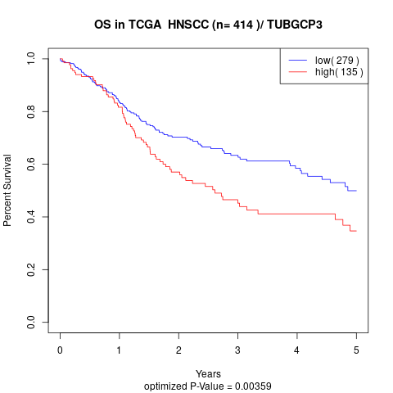

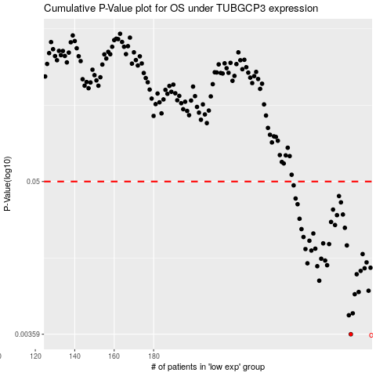

 |  |  |  |  |  | cases_OS | p_OS | rank | exp
 |  |  |  |  |  | 280 | 0.00359 | 253 | 0.15054069439
 |  |  |  |  |  | 279 | 0.00498 | 139 | 0.14764679616
 |  |  |  |  |  | 281 | 0.00515 | 263 | 0.15426331585
 |  |  |  |  |  | 282 | 0.00716 | 54 | 0.15564406998
 |  |  |  |  |  | 284 | 0.00744 | 372 | 0.16143484455
 |  |  |  |  |  | 289 | 0.0076 | 229 | 0.18691381944
 |  |  |  |  |  | 264 | 0.00904 | 199 | 0.092605604431
 |  |  |  |  |  | 283 | 0.0101 | 34 | 0.15854473662
 |  |  |  |  |  | 285 | 0.0107 | 404 | 0.16924964223
 |  |  |  |  |  | 287 | 0.0112 | 256 | 0.18192550669
 |  |  |  |  |  | 290 | 0.0113 | 343 | 0.20199003021
 |  |  |  |  |  | 263 | 0.0116 | 168 | 0.079152727346
 |  |  |  |  |  | 268 | 0.0118 | 2 | 0.1087593449
 |  |  |  |  |  | 258 | 0.0122 | 264 | 0.059154804909
 |  |  |  |  |  | 288 | 0.0124 | 63 | 0.18509853385
 |  |  |  |  |  | 267 | 0.0128 | 313 | 0.10816534989
 |  |  |  |  |  | 265 | 0.0132 | 220 | 0.097822689185
 |  |  |  |  |  | 286 | 0.0143 | 407 | 0.17384836572
 |  |  |  |  |  | 260 | 0.0152 | 117 | 0.063822836841
 |  |  |  |  |  | 257 | 0.0156 | 83 | 0.05662910778
 |  |  |  |  |  | 262 | 0.0157 | 73 | 0.077508276241
 |  |  |  |  |  | 278 | 0.0166 | 245 | 0.14410015318
 |  |  |  |  |  | 269 | 0.017 | 224 | 0.11533579565
 |  |  |  |  |  | 266 | 0.0172 | 400 | 0.10475976042
 |  |  |  |  |  | 259 | 0.018 | 294 | 0.063102408064
 |  |  |  |  |  | 256 | 0.0192 | 93 | 0.051670846743
 |  |  |  |  |  | 261 | 0.0204 | 327 | 0.076381472569
 |  |  |  |  |  | 255 | 0.022 | 386 | 0.04726705325
 |  |  |  |  |  | 277 | 0.0225 | 242 | 0.14085483948
 |  |  |  |  |  | 272 | 0.0236 | 48 | 0.12189627295
 |  |  |  |  |  | 270 | 0.0249 | 249 | 0.11640195443
 |  |  |  |  |  | 254 | 0.0263 | 335 | 0.043556073451
 |  |  |  |  |  | 273 | 0.028 | 113 | 0.12465128357
 |  |  |  |  |  | 276 | 0.0283 | 350 | 0.13669606216
 |  |  |  |  |  | 271 | 0.0308 | 151 | 0.11812221164
 |  |  |  |  |  | 253 | 0.0338 | 112 | 0.040771823342
 |  |  |  |  |  | 275 | 0.0349 | 158 | 0.13602003411
 |  |  |  |  |  | 252 | 0.0373 | 348 | 0.036126262507
 |  |  |  |  |  | 274 | 0.0389 | 332 | 0.13070034037
 |  |  |  |  |  | 251 | 0.0468 | 130 | 0.031172062511
 |  |  |  |  |  |  | cases_RFS | p_RFS | rank | exp
 |  |  |  |  |  |  | 279 | 0.00359 | 139 | 0.14764679616
 |  |  |  |  |  |  | 278 | 0.00498 | 245 | 0.14410015318
 |  |  |  |  |  |  | 280 | 0.00515 | 253 | 0.15054069439
 |  |  |  |  |  |  | 281 | 0.00716 | 263 | 0.15426331585
 |  |  |  |  |  |  | 283 | 0.00744 | 34 | 0.15854473662
 |  |  |  |  |  |  | 288 | 0.0076 | 63 | 0.18509853385
 |  |  |  |  |  |  | 263 | 0.00904 | 168 | 0.079152727346
 |  |  |  |  |  |  | 282 | 0.0101 | 54 | 0.15564406998
 |  |  |  |  |  |  | 284 | 0.0107 | 372 | 0.16143484455
 |  |  |  |  |  |  | 286 | 0.0112 | 407 | 0.17384836572
 |  |  |  |  |  |  | 289 | 0.0113 | 229 | 0.18691381944
 |  |  |  |  |  |  | 262 | 0.0116 | 73 | 0.077508276241
 |  |  |  |  |  |  | 267 | 0.0118 | 313 | 0.10816534989
 |  |  |  |  |  |  | 257 | 0.0122 | 83 | 0.05662910778
 |  |  |  |  |  |  | 287 | 0.0124 | 256 | 0.18192550669
 |  |  |  |  |  |  | 266 | 0.0128 | 400 | 0.10475976042
 |  |  |  |  |  |  | 264 | 0.0132 | 199 | 0.092605604431
 |  |  |  |  |  |  | 285 | 0.0143 | 404 | 0.16924964223
 |  |  |  |  |  |  | 259 | 0.0152 | 294 | 0.063102408064
 |  |  |  |  |  |  | 256 | 0.0156 | 93 | 0.051670846743
 |  |  |  |  |  |  | 261 | 0.0157 | 327 | 0.076381472569
 |  |  |  |  |  |  | 277 | 0.0166 | 242 | 0.14085483948
 |  |  |  |  |  |  | 268 | 0.017 | 2 | 0.1087593449
 |  |  |  |  |  |  | 265 | 0.0172 | 220 | 0.097822689185
 |  |  |  |  |  |  | 258 | 0.018 | 264 | 0.059154804909
 |  |  |  |  |  |  | 255 | 0.0192 | 386 | 0.04726705325
 |  |  |  |  |  |  | 260 | 0.0204 | 117 | 0.063822836841
 |  |  |  |  |  |  | 254 | 0.022 | 335 | 0.043556073451
 |  |  |  |  |  |  | 276 | 0.0225 | 350 | 0.13669606216
 |  |  |  |  |  |  | 271 | 0.0236 | 151 | 0.11812221164
 |  |  |  |  |  |  | 269 | 0.0249 | 224 | 0.11533579565
 |  |  |  |  |  |  | 253 | 0.0263 | 112 | 0.040771823342
 |  |  |  |  |  |  | 272 | 0.028 | 48 | 0.12189627295
 |  |  |  |  |  |  | 275 | 0.0283 | 158 | 0.13602003411
 |  |  |  |  |  |  | 270 | 0.0308 | 249 | 0.11640195443
 |  |  |  |  |  |  | 252 | 0.0338 | 348 | 0.036126262507
 |  |  |  |  |  |  | 274 | 0.0349 | 332 | 0.13070034037
 |  |  |  |  |  |  | 251 | 0.0373 | 130 | 0.031172062511
 |  |  |  |  |  |  | 273 | 0.0389 | 113 | 0.12465128357
 |  |  |  |  |  |  | 250 | 0.0468 | 234 | 0.028735437561

